How to Use This Tool
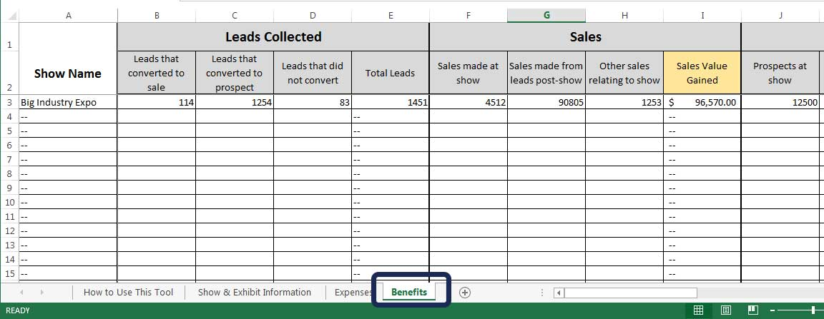
Step 1: Record basic show & exhibit space information

Step 2: Record all expenses relating to the show
If some expenses apply to multiple shows - such as having the same exhibit - amoritze the cost
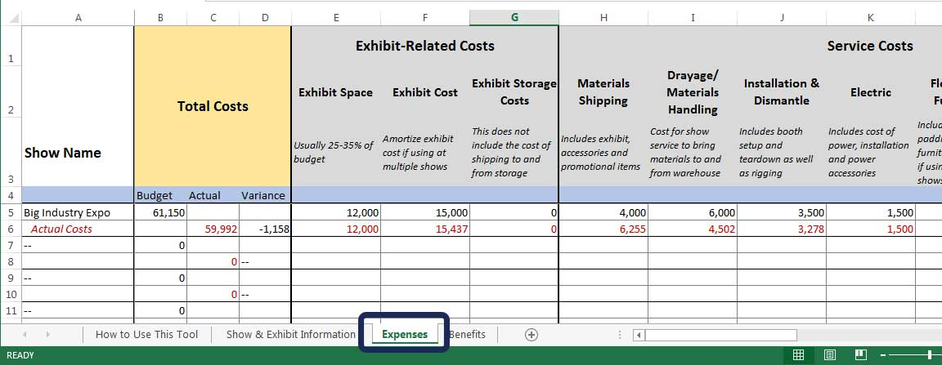

Step 3: Record all benefits/values gained from the show
This includes sales as well as qualitative factors, such as exposure and brand awareness

