Completion Instructions
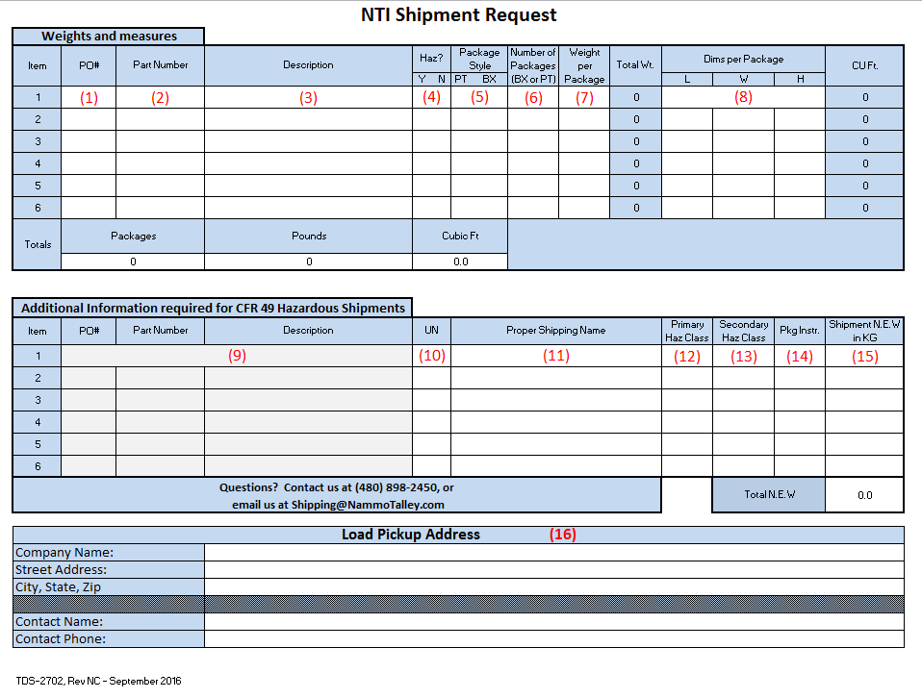

(1) | Enter the NTI PO#.
(2) | Enter the part number as stated on the NTI PO.
(3) | Enter the product description as stated on the NTI PO.
(4) | From the drop down button, select “Y” or “N” based on the hazardous status of the shipment.
(5) | From the drop down button, select “PT” for pallet if the load is palletized or “BX” if the load is not palletized.
(6) | List the quantity of pallets if the load is palletized or quantity of individual packages is the load is not palletized.
(7) | List the weight of the package style listed in block (5) in Lbs.
(8) | List the dimensions of the package style listed in block (5). If the dimensions are different for one or more of the package styles, start a new item line and repeat steps (1) through (7). Note: If you have quantity of 16 boxes measuring 12” x 12” x 16” palletized on a 48” x 40” pallet, the dimensions are of the palletized load, not the individual boxes.
(9) | When you select “Y” in block (4), the cells will automatically fill in based on the information entered in blocks (1), (2) and (3).
(10) | Enter the applicable UN number as listed in 49 CFR Pt. 172.101 column (4).
(11) | Enter the proper shipping name as listed in 49 CFR Pt. 172.101 column (2).
(12) | Enter the primary hazard class as listed in 49 CFR Pt. 172.101 column (6).
(13) | Enter any secondary hazard class as listed in 49 CFR Pt. 172.101 column (2).
(14) | Enter the packaging instruction used and as listed in 49 CFR Pt. column (8).
(15) | Enter the total N.E.W in KG for the item number. If there is more than one item number, they will total the entire shipment N.E.W. at the bottom of the form automatically.
(16) | List the pickup name and address information requested including the contact and contact number.

If you have questions regarding the completion of the TDS-2702, contact us at:
Shipping@NammoTalley.com.

