Menu
FAVORITES
GETTING AROUND
FUN STUFF
RESTAURANTS
GROCERY & DRUG
MUSEUM & GALLERY
FARMERS MARKET
MEDICAL CENTERS
MENU
2201 Broadway East 206-617-8887 Seattle, WA 98102 jackrosellini@live.com
JACK & DIANE RENTALS
GUEMES ISLAND OVERVIEW
 |  |  |  | 5316 Guemes Pondhouse

North Beach, Guemes
Pondhouse, Guemes
Restful Night
 |  |  |  | Emergency Call: 911
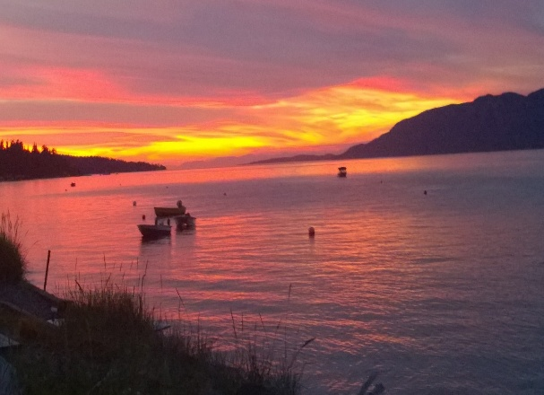 | 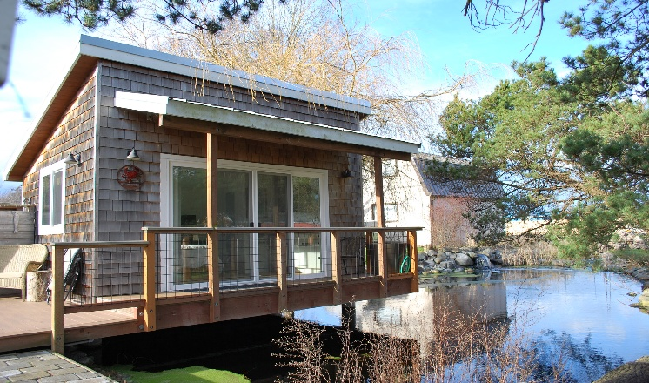 | 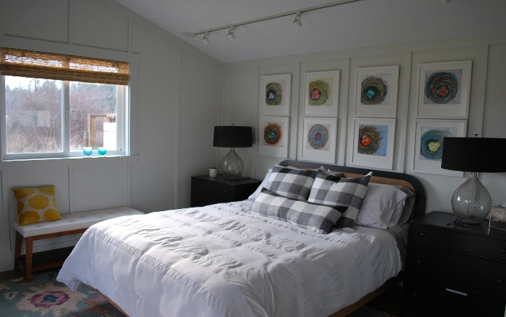 | 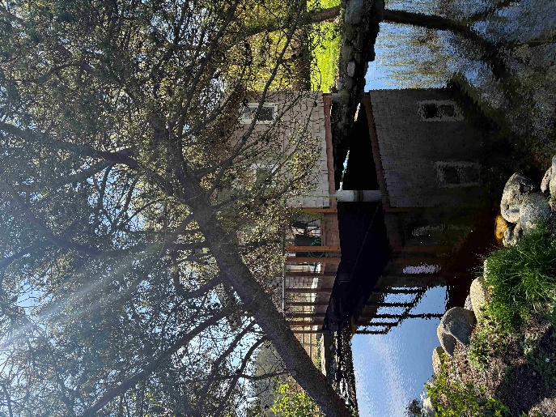
Tranquil Setting
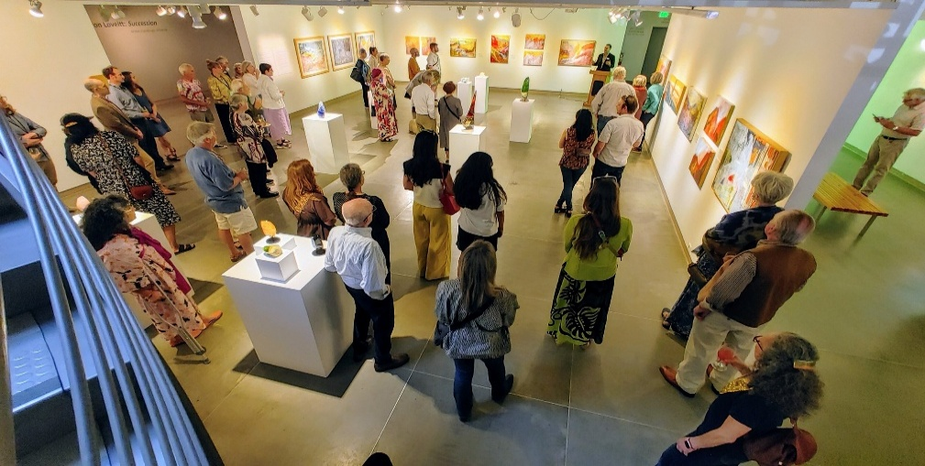
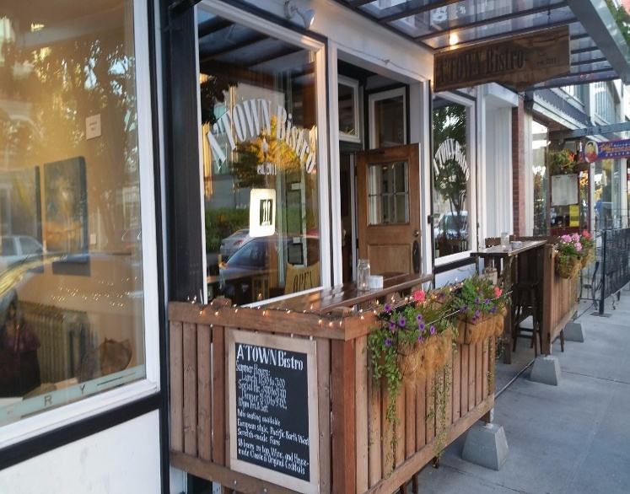
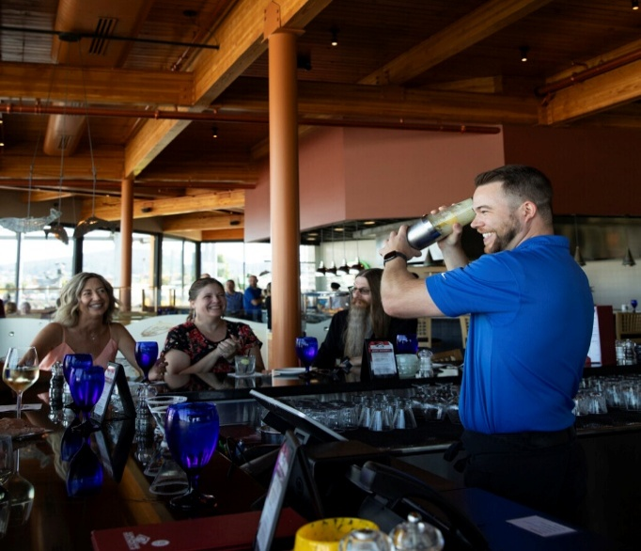

Museum of Northwest Art
LaConner
A'Town Bistro
Anthony's at Cape Santa
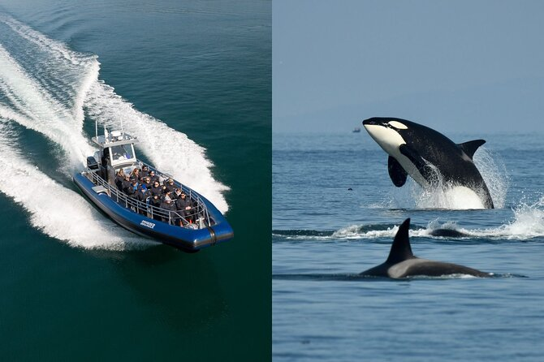
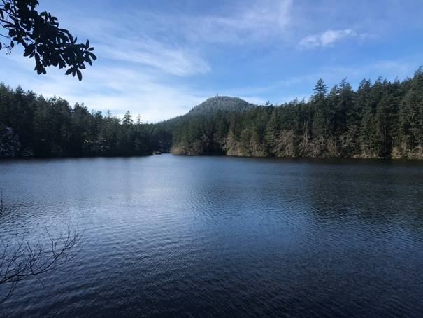

Whale Watching Tours
Whistle Lake, Anacortes

Copyright 2026 Jack Rosellini, Rosebud Systems©, all rights reserved. |  |  |  | Updated: 07-06-2026

Favorites
FAVORITES
GETTING AROUND
FUN STUFF
RESTAURANTS
GROCERY & DRUG
MUSEUM & GALLERY
FARMERS MARKET
MEDICAL CENTERS
MENU
2201 Broadway East 206-617-8887 Seattle, WA 98102 jackrosellini@live.com
JACK & DIANE RENTALS
FAVORITES
 |  |  |  |  |  | 5316 Guemes Pondhouse

 |  |  |  |  | Emergency Call: 911
ANACORTES RESTRAUANTS
 |  | 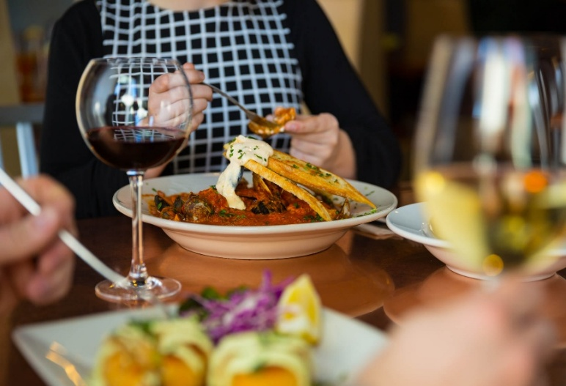 |  | 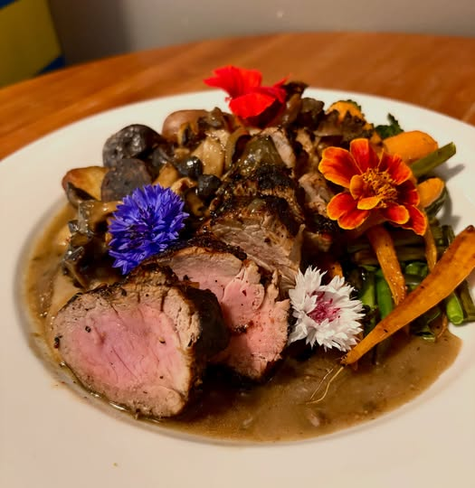
A'Town Bistro |  | Adrift |  | Dad's Diner
418 Commercial Ave. | (3608994001 | 510 Commercial Ave. | (3605880653 | 906 Commercial Ave. | (3608995269
TUES-SAT 11:30am-9:00pm |  | FRI & SAT 11:00am-9:00pm |  | MON-THU, SAT 7:00am-8:00pm
SUN, MON Closed |  | MON-THURS 11:00am-8:00pm |  | FRI 7:00am-9:00pm SUN 7:00am-4:00pm

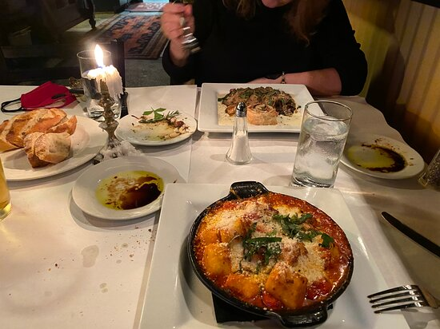 |  | 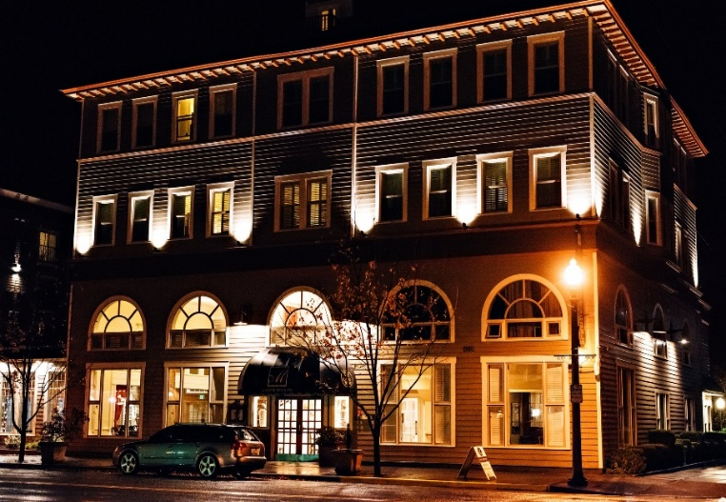 |  | 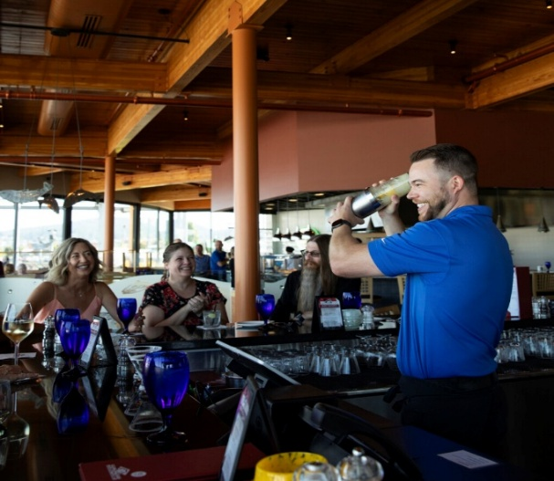
Nonna Luisa Ristorante |  | Majestic Inn & Spa |  | Anthony's at Cap Sante
314 Commercial Ave. | (3608994659 | 419 Commercial Ave. | (3602991400 | 1207 Q Ave. | (3605880333
TUES-SUN 4:30pm-9:00pm |  | Daily 7:00am-11:00am & 4:00pm-9:00pm |  | MON-SAT 11:30am-9:00pm
MON - Closed |  | ALSO: THE CAFÉ AT THE MAJESTIC 7:00am-3:00pm |  | SUN 10:00am-8:00pm

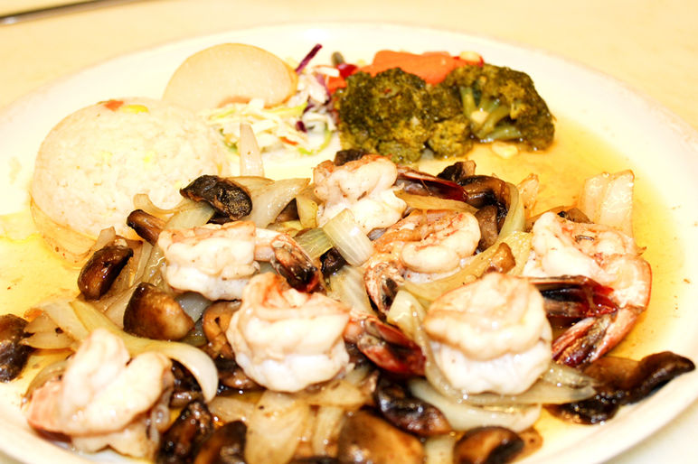 |  | 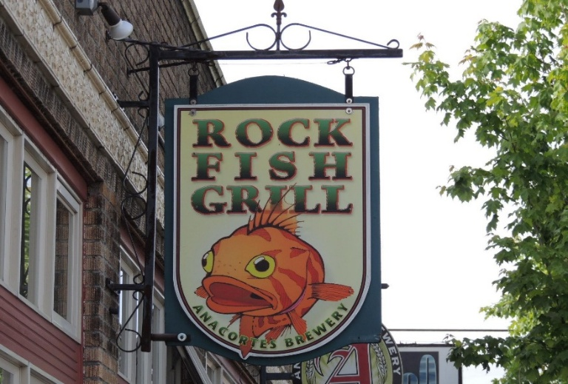 |  | 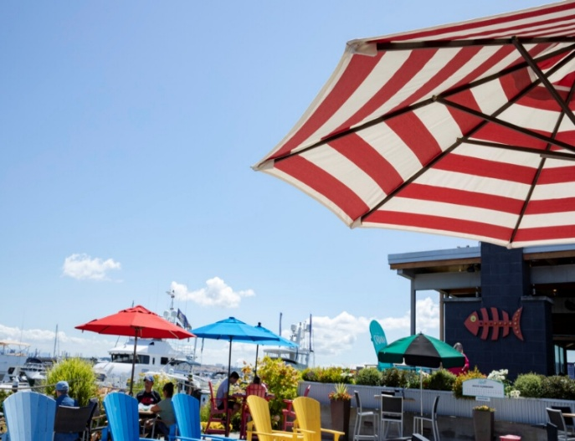
Frida'Gourmet Cuisine |  | Rock Fish Grill |  | Anthony's Cabana
416 1/2 Commercial Ave. | (3602992120 | 320 Commercial Ave. | (3605881720 | 1207 Q Ave., Anacortes | (3605880333
SUN-THU 11:00am-9:00pm FRI 11:00am-12:00am |  | SUN-TURS 11:00am-9:00pm |  | MON-THU 12:00pm-8:00pm FRI-SAT 12:00pm-9:00pm
SAT 11:00am-9:30pm |  | FRI-SAT 11:00am-10:00pm |  | SUN 10:00am-8:00pm (Spring & Summer, Walk-in basis)

Copyright 2026 Jack Rosellini, Rosebud Systems©, all rights reserved. |  |  |  |  |  | Updated: 07-06-2026

Getting Around
FAVORITES
GETTING AROUND
FUN STUFF
RESTAURANTS
GROCERY & DRUG
MUSEUM & GALLERY
FARMERS MARKET
MEDICAL CENTERS
MENU
2201 Broadway East 206-617-8887 Seattle, WA 98102 jackrosellini@live.com
JACK & DIANE RENTALS
GETTING AROUND
 |  |  |  | 5316 Guemes Pondhouse

 |  |  |  | Emergency Call: 911
 | Description | Phone | Notes: Check Rates (they may be higher)
 | Bellair Charters & Airporter | (8662355247 | Shuttle to-from Sea-Tac & Paine Field (Everett)
 | Skagit Transit | (3607574433 | Anacortes, Bellingham, & Everett area public transportation
 | Mert's Taxi | (3607086358 | Taxi service in Anacortes and neighboring areas
 | Uber (Ride Share) | Use App | Ride share

Copyright 2026 Jack Rosellini, Rosebud Systems©, all rights reserved. |  |  |  | Updated: 07-06-2026

Groceries & Drugs
FAVORITES
GETTING AROUND
FUN STUFF
RESTAURANTS
GROCERY & DRUG
MUSEUM & GALLERY
FARMERS MARKET
MEDICAL CENTERS
MENU
2201 Broadway East 206-617-8887 Seattle, WA 98102 jackrosellini@live.com
JACK & DIANE RENTALS
GROCERIES & DRUGS
 |  |  |  | 5316 Guemes Pondhouse

 |  |  |  | Emergency Call: 911
Miles | Name | Phone | Address | Notes
5.4 | The Market (Requires ferry ride) | (3605888181 | 1519 Commercial Ave., Anacortes
5.2 | Safeway (Requires ferry ride) | (3602935393 | 911 11th St, Anacortes
3.3 | Guemes Island Store | (3602934548 | 7885 Guemes Island Road
5.4 | Walgreens (Requires ferry ride) | (3602992816 | 909 17th Street, Anacortes
23.5 | Walmart (Requires ferry ride) | (3604287000 | 2301 Freeway Dr, Mount Vernon, WA
22.3 | Costco, Costco Gas (Requires ferry ride) | (3607575703 | 1725 S Burlington Blvd, Burlington, Wa

Copyright 2026 Jack Rosellini, Rosebud Systems©, all rights reserved. |  |  |  | Updated: 07-06-2026

Fun Stuff
FAVORITES
GETTING AROUND
FUN STUFF
RESTAURANTS
GROCERY & DRUG
MUSEUM & GALLERY
FARMERS MARKET
MEDICAL CENTERS
MENU
2201 Broadway East 206-617-8887 Seattle, WA 98102 jackrosellini@live.com
JACK & DIANE RENTALS
FUN STUFF
 |  |  |  | 5316 Guemes Pondhouse

 |  |  |  | Emergency Call: 911
 | Name | Phone | Address & Notes
FREE STUFF
 | Bike Around Guemes Island |  | Many miles, very light traffic, some hill areas
 | Dog Woods of Guemes | 6am - 9pm | A very flat walk that most can do. 3 miles of trails, well mannered dogs welcomed
 | Guemes Mountain Trailhead | 6464 S Shore Rd | Limited Auto Parking, Great views at peak. About 45-60 Minutes up
 | Hike Mount Guemes | (3604287878 | Moderate hike, about 1 hour up & 45 minutes down. Great views at the top
 | Peach Preserve |  | 64 acres along the South Beach, .5 miles of easy hike, great breach
 | Schoolhouse Park |  | 5554 Edens Rd., Guemes Island. Pickleball, kids play area, concert venue summer Sundays
 | Walk the Beaches |  | Several points of access, Next to the ferry dock, North Beach Public Accesses & County Park
 | Whistle Lake, Anacortes
 | Young's Park, (County Park) |  | A small, but great beach with fabulious views at the North end of island, open to the public
PAY A FEE
 | Anacortes Kayak Tours | (3605881117 | 2009 Skyline Way, Anacortes Various tours through the San Juans
 | Blue Otter Outfitters | (3604884247 | 2009 Skyline Way, Anacortes Kayaks & paddle board rental (several locations)
 | Guemes Island Store | (3602934548 | Small store, necessity goods, restaurant, music on weekends during summer
 | Skagit Cycle | (3605888776 | 1620 Commercial Ave., Anacortes (bicycle rentals)
 | Island Adventures | (3602932428 | 712 Seafarers Way, Anacortes | Whale Watching
 | San Juan Excursions | (8008094253 | Whale Watching | Whale Watching

Copyright 2026 Jack Rosellini, Rosebud Systems©, all rights reserved. |  |  |  | Updated: 07-06-2026

Restaurants
FAVORITES
GETTING AROUND
FUN STUFF
RESTAURANTS
GROCERY & DRUG
MUSEUM & GALLERY
FARMERS MARKET
MEDICAL CENTERS
MENU
2201 Broadway East 206-617-8887 Seattle, WA 98102 jackrosellini@live.com
JACK & DIANE RENTALS
RESTAURANTS
 |  |  |  |  | 5316 Guemes Pondhouse

 |  |  |  |  | Emergency Call: 911
Restaurants that we frequent. . .Close & Great Experience
 | Name | Type | Phone | Address | Notes, Type of Food & Ratings
 | 13 Moons | American | (2605883525 | 12885 Casino Dr, Anacortes | At the Casino
 | 5th Street Bistro | American | (3602991400 | 419 Commercial Ave. | In the Majestic Inn & Spa
 | Adrift | American | (3605880653 | 510 Commercial Ave. | Great Burgers
 | Anacortes Calico Cupboard Café | American | (3602937315 | 901 Commercial Ave. | Great American Breakfast
 | Anthony's at Cap Sante | Fish & More | (3605880333 | 1207 Q Ave. | Great View & Food
 | Anthony's Cabana | Casual | (3605880333 | 1207 Q Ave. | Great outside dining
 | A'Town Bistro | Variety | (3608994001 | 418 Commercial Ave. | Great Chowder, French Onion
 | Dad's Diner | American | (3608995269 | 906 Commercial Ave. | Special Barbecue
 | De Asian | Japanese | (3602934004 | 1506 Commercial Ave. | Japanese cuisine
 | Dockside Dogs | American | (3607080006 | 501 Commercial Ave. | All grown up
 | Frida's Gourmet Mexican Cuisine | Mexican | (360299212 | 416 1/2 Commercial Ave | True Mexican Style
 | Gere a Deli | American | (3602937383 | 502 Commercial Ave. | Great soup, sandwiches, salads
 | Island Café | American
 | Majestic Inn & Spa | American | (3602991400 | 419 Commercial Ave. | Roof Deck, & Bar-Dining Room, Upscale
 | Naung Mai Thai Kitchen | Thai | (3605881183 | 2216 Commercial Ave. | From the heart of Chiang Mai
 | Nell Thorn | American | (3604664261 | 116 South 1st St., La Conner | LaConner's best
 | Nonna Luisa Ristorante | Italian | (3608994659 | 314 Commercial Ave. | Authenic Italian dishes
 | Rock Fish Grill | Local Fish | (3605881720 | 320 Commercial Ave. | Fish and more
 | Tasha Lee's Table | Variety | (3602988203 | 818 Commercial Ave. | Burgers, Fish n Chips, Lunch & Breakfast
 | The Shrimp Shack | Seafood | (3602932531 | 6168 State Rt. 20, Anacortes | Don't miss it (just a few miles out of town)
 | Union Tavern - Local 902 | Variety | (3608738245 | 902 Commercial Ave. | Will be moving to 6th

 | Some of these restaurants may have closed due to Covid-19. Please call before you go there.
Copyright 2026 Jack Rosellini, Rosebud Systems©, all rights reserved. |  |  |  |  | Updated: 07-06-2026

Museums & Galleries
FAVORITES
GETTING AROUND
FUN STUFF
RESTAURANTS
GROCERY & DRUG
MUSEUM & GALLERY
FARMERS MARKET
MEDICAL CENTERS
MENU
2201 Broadway East 206-617-8887 Seattle, WA 98102 jackrosellini@live.com
JACK & DIANE RENTALS
MUSEUMS & GALLERIES
 |  |  |  | 5316 Guemes Pondhouse

 |  |  |  | Emergency Call: 911
 | Name | Phone | Address | Notes
 | Cassera Gallery | (3106919391 | 106 1st St, La Conner
 | Expressions Art Gallery | (3604661911 | 705 1st St, La Conner
 | Gallery Cygnus | (3607084787 | 101 Douglas St, La Conner
 | La Conner Artists Gallery | (3603991660 | 128 1st St, La Conner
 | La Conner Seaside Gallery | (3604665141 | 101 N 1st St, La Conner
 | Moon Water Arts | (3603007665 | 702 Commercial Ave., Anacortes
 | Museum of Northwest Art | (3604664446 | 121 1st St, La Conner
 | Scott Milo Gallery | (3602936938 | 420 Commercial Ave., Anacortes

Copyright 2026 Jack Rosellini, Rosebud Systems©, all rights reserved. |  |  |  | Updated: 07-06-2026

Farmers Markets
FAVORITES
GETTING AROUND
FUN STUFF
RESTAURANTS
GROCERY & DRUG
MUSEUM & GALLERY
FARMERS MARKET
MEDICAL CENTERS
MENU
2201 Broadway East 206-617-8887 Seattle, WA 98102 jackrosellini@live.com
JACK & DIANE RENTALS
FARMERS MARKETS
 |  |  |  | 5316 Guemes Pondhouse

 |  |  |  | Emergency Call: 911
 | Name | Phone | Address | Notes
 | Anacortes Farmers Market | (3609828092 | 611 R Ave | Saturdays: 9:00am to 2:00pm
 | Mount Vernon's Farmers Market | (5642188308 | 501 Main Street, Mount Vernon | Saturdays: 9:00am to 2:00pm (May 16, 2026 to Oct 10)
 | Skagit County's Farmers Market |  | 15612 Best Rd, Mount Vernon | Sundays: 10:00am to 3:00pm
 | Friday Harbor's Farmers Market |  | Friday Ave, Friday Harbor | Saturdays: 9:30am to 1:00pm, Apr-Oct, great ferry outing
 | Orcas Island Farmer's Market |  | Eastsound, WA | Saturdays: 10:00am to 2:00pm

Copyright 2026 Jack Rosellini, Rosebud Systems©, all rights reserved. |  |  |  | Updated: 07-06-2026

Medical Centers
FAVORITES
GETTING AROUND
FUN STUFF
RESTAURANTS
GROCERY & DRUG
MUSEUM & GALLERY
FARMERS MARKET
MEDICAL CENTERS
MENU
2201 Broadway East 206-617-8887 Seattle, WA 98102 jackrosellini@live.com
JACK & DIANE RENTALS
MEDICAL CENTERS
 |  |  |  | 5316 Guemes Pondhouse

 |  |  |  | Emergency Call: 911
 | Name | Phone | Address | Notes
 | Island Health | (3602991300 | 1211 24th Street, Anacortes, | Local Hospital
 | Skagit Valley Hospital | (3604282500 | 300 Hospital Pkwy., Mount Vernon | Regional Medical Center
 | Island Cancer Care | (3602994200 | 1015 25th St, Anacortes,
 | Puget Sound Kidney Centers | (3607553586 | 809 31st St, Anacortes

Notes:
Copyright 2026 Jack Rosellini, Rosebud Systems©, all rights reserved. |  |  |  | Updated: 07-06-2026

