D-SNAP Worksheet
 |  | Name: | 0 |  |  |  | DOB: | 0 |  |  |  |  |  |  |  |  | DOE: | 0 |  |  |  |  |  |  |  |  |  |  |  |  |  |  |  | ID: | 0

 | D-SNAP Obtained and Expected CHC Broad Abilities
 | 90% Confidence Interval

 | CI upper limit | Factor Score | CI lower limit
Comp Knowledge (Gc) | 0 | 0 | 0
Comp Knowledge (Gc) | 0 | 0 | 0
Fluid Reasoning (Gf) | 0 | 0 | 0
Fluid Reasoning (Gf) | 0 | 0 | 0
Short-Term Working Memory (Gwm) | 0 | 0 | 0
Short-Term Working Memory (Gwm) | 0 | 0 | 0
Long-Term Storage (Gl) | 0 | 0 | 0
Long-Term Storage (Gl) | 0 | 0 | 0
Retrieval Fluency (Gr) | 0 | 0 | 0
Retrieval Fluency (Gr) | 0 | 0 | 0
Visual Processing (Gv) | 0 | 0 | 0
Visual Processing (Gv) | 0 | 0 | 0
Auditory Processing (Ga) | 0 | 0 | 0
Auditory Processing (Ga) | 0 | 0 | 0
Cognitive Processing Speed (Gs) | 0 | 0 | 0
Cognitive Processing Speed (Gs) | 0 | 0 | 0
Long-Term Retrieval & Storage | 0 | 0 | 0
Long-Term Retrieval & Storage | 0 | 0 | 0
Average | 115 | 100 | 85

 |  |  |  |  |  |  |  |  |  |  |  |  |  |  |  |  |  |  | Slightly Different |  |  |  |  |  |  |  |  |  |  |  |  | Markedly Different
 |  |  |  |  |  |  | Comprehension - Knowledge (Gc) | Fluid Reasoning (Gf) | Short-Term Working Memory (Gwm) | Long-Term Storage & Retrieval (Glr) | Visual Processing (Gv) | Auditory Processing (Ga) | Cognitive Processing Speed (Gs) | Average |  |  |  |  |  |  |  |  |  |  |  |  |  |  |  | Comprehension - Knowledge (Gc) | Fluid Reasoning (Gf) | Short-Term Working Memory (Gwm) | Long-Term Storage & Retrieval (Glr) | Visual Processing (Gv) | Auditory Processing (Ga) | Cognitive Processing Speed (Gs) | Average

 |  |  |  |  |  |  |  |  |  |  |  |  |  |  |  |  | Comprehension - Knowledge (Gc) | Fluid Reasoning (Gf) | Short-Term Working Memory (Gwm) | Long-Term Storage & Retrieval (Glr) | Visual Processing (Gv) | Auditory Processing (Ga) | Cognitive Processing Speed (Gs) | Average

SET ZOOM AT 27%

 |  |  |  |  |  |  |  |  |  |  |  |  |  |  |  |  |  |  |  |  |  |  |  |  |  |  |  |  |  |  |  |  |  | FALSE

 |  |  |  |  |  |  |  |  |  |  |  |  |  |  |  |  | obt |  | obt |  | obt |  | obt |  | obt |  | obt |  | obt |  |  |  |  | =(Information!S32)

 |  |  |  |  |  |  |  |  |  |  |  |  |  |  |  |  | Obtained | Expected | Obtained | Expected | Obtained | Expected | Obtained | Expected | Obtained | Expected | Obtained | Expected | Obtained | Expected | Obtained | Expected | Obtained | Expected | -
 |  |  |  |  |  |  |  |  |  |  |  |  |  |  |  |  | Comp Knowledge (Gc) | Comp Knowledge (Gc) | Fluid Reasoning (Gf) | Fluid Reasoning (Gf) | Short-Term Working Memory (Gwm) | Short-Term Working Memory (Gwm) | Long-Term Storage (Gl) | Long-Term Storage (Gl) | Retrieval Fluency (Gr) | Retrieval Fluency (Gr) | Visual Processing (Gv) | Visual Processing (Gv) | Auditory Processing (Ga) | Auditory Processing (Ga) | Cognitive Processing Speed (Gs) | Cognitive Processing Speed (Gs) | Long-Term Retrieval & Storage | Long-Term Retrieval & Storage | Average
 |  |  |  |  |  |  |  |  |  |  |  |  |  |  |  | CI upper limit | 0 | 0 | 0 | 0 | 0 | 0 | 0 | 0 | 0 | 0 | 0 | 0 | 0 | 0 | 0 | 0 | 0 | #VALUE! | 115
 |  |  |  | 0 | Formula to bring in confidence intervals to Expected scores |  |  |  |  |  |  |  |  |  |  | Factor Score | 0 | 0 | 0 | 0 | 0 | 0 | 0 | 0 | 0 | 0 | 0 | 0 | 0 | FALSE | 0 | 0 | 0 |  | 100
 |  |  |  |  | Confidence intervals based for Expected from obtained scores |  |  |  |  |  |  |  |  |  |  | CI lower limit | 0 | 0 | 0 | 0 | 0 | 0 | 0 | 0 | 0 | 0 | 0 | 0 | 0 | 0 | 0 | 0 | 0 | #VALUE! | 85

 |  |  |  |  |  |  |  |  |  |  |  |  |  |  |  |  | Gc | pre | Gf | pre | Gwm | pre | Glr | pre | Gv | pre | Ga | pre | Gs |  | Average
 |  |  |  |  |  |  |  |  |  |  |  |  |  |  |  |  | 1 |  | 2 |  | 3 |  | 6 |  | 7 |  | 5 |  | 4

 |  |  |  |  |  |  |  |  |  |  |  |  |  |  | Red on White are the Expected cores, Black on Yellow are the obtained scores

 |  |  |  |  |  | © L. Pristo and S. Ortiz, 2024. This document / spreadsheet and its contents are protected by copyright and other intellectual property rights. The copyright of the contents and materials, except for any third party information available, is owned by the authors. You may not reproduce, disseminate, adapt, modify or incorporate in printed or electronic form, any parts of the contents or materials available in this document / spreadsheet without the prior written permission of the authors.

 |  |  |  |  |  | The current workbook is licensed to the Washington Elementary School District, Phoenix, Arizona. 2020-2021.

True Peer Estimator
Diverse True Peer Group Estimator (TPE) © 2024 Samuel O. Ortiz, Ph.D.
The TPE worksheet provides a simple, systematic method for collecting data and information that may be used to qualitatively estimate the extent to which differences in developmental experiences are likely to affect expectations of development and growth. Note that a student’s degree of difference is dynamic and may change over time. Three categories are used:

A) Slightly Different. The category is characterized by differences in culture, language, and experiences that although not fully representative of the U.S. mainstream, have nevertheless been supported by high family SES, well-educated parents, formal elementary education in the heritage language, bilingual parents, etc.) and where opportunity for developing English language proficiency constitutes at least ½ or more of a student’s life.

B) Moderately Different. The category is characterized by differences in culture, language, and experiences that are not representative of the U.S. mainstream and where few supporting factors are present (e.g., low family SES, parental lack of education, no formal education in the heritage language, parents with limited English proficiency, etc.) or where opportunity for developing English proficiency constitutes less than half of a student’s life.

C) Markedly Different. The category is characterized by differences in culture, language, and experiences that includes at least one additional factor that is atypical, and which creates an adverse influence on development (e.g., poverty/homelessness, exposure to war, trauma, violence, abuse, neglect, immigrant experience, refugee status, chronic illness, etc.) or where opportunity for developing English proficiency constitutes less than 10% of a student’s life.

Very Much Some Very Little
To what extent has or does the student('s) or the student's family('s)…?
1 -------------------- 2 -------------------- 3 -------------------- 4 -------------------- 5 |  |  | Rating
1. ...heritage or home culture match middle-class, mainstream U.S. values, traditions, and beliefs in supporting acquisition of school-based acculturative knowledge?
2. ...socio-economic status match middle-class, mainstream families in the U.S. in supporting development of school-based learning and academic skills?
3. ...heritage or home language match middle-class, mainstream, monolingual English-speakers in supporting the acquisition of school-based English?
4. …attended school consistently and sufficiently to provide an adequate opportunity for age or grade expected academic learning?
5. ...avoided any unusual or atypical developmental life experiences (e.g., frequent moves, immigration or migrant worker experience, refugee status, exposure to war, trauma, violence, neglect, abuse, etc.)?
6. …received formal education in their heritage language either while attending school in the U.S. or prior to coming to the U.S.?
7. ...been exposed to high level language models in English over their lifetime as compared to middle-class, monolingual English-speakers of the same age?
8. ...English language development match same-age/grade, middle-class, monolingual, English-speaking peers (including reading/writing, vocabulary, and aspects of speech)?
9. ...reside in a community where English is the dominant language and where cultural values and attitudes primarily reflect middle-class, mainstream U.S. values?
10. ...received support for any aspects of social/emotional development that may have interfered with school-based learning (e.g., mental health, self-identity, gender identification, sexual orientation, self-esteem, etc.)?
TRUE PEER GROUP CLASSIFICATION GUIDELINES: TOTAL: |  |  | 0
 | 10 – 20 = SLIGHTLY DIFFERENT
 | 21 – 39 = MODERATELY DIFFERENT | CLASSIFICATION:
 | 40 – 50 = MARKEDLY DIFFERENT

 | The Diverse True Peer Group Estimator (TPE) is Copyright © 2024 by Samuel O. Ortiz, Ph.D. and permission to use, copy, and disseminate is granted for educational, non-profit activities only.

Domain Calculator
Non-Standard Domain and Confidence Interval Calculations
 | The confidence intervals used in D-SNAP for composites/indexes/clusters are derived directly from the battery as reported in the tests publisher's tables or scoring system. The intervals used for inclusion in D-SNAP are based on cohesive (unitary) domains. Supplemental testing may be necessary when a domain is not cohesive or not measured by the battery prior to being able to calculate a confidence interval. In the case of a composite/cluster/index from a domain not on the main test battery or created via alternative procedures (e.g., Cross-Battery Assessment; XBA) the expected, and possibly obtained, scores must first be calculated in the following manner.

 | Determine or Calculate:
 | (1) the examinee's level of difference using the True Peer Group Estimator tab
 | (2) each subtest's Culture-Language Test Classification (C-LTC)
 | (3) the impact and degree of attenuation expected for each subtest based on the values provided in the "General Guidelines…" table
 | (4) the resulting value for each individual subtest score based on the degree of attenuation expected
 | (5) the expected - and obtained, if necessary - composite scores by use of X-BASS or other composite calculator
 | (6) the confidence intervals using a median SEM of 5 points (see below)
 | Then enter obtained scores and CI in the top cells of the Information tab and expected composite score in the bottom cell of the tab

 | Establishing a confidence interval:
 | When a publisher’s confidence interval is not available for a domain as in the case of combined subtests from different batteries, you may use an SEM consisting of 5 points (based on a review of SEM values for various composites/clusters/indexes: Flanagan et al., (2013) determined that the median SEM value was 5 points). Use of a five point value for the SEM naturally provides a 68% CI. To increase the probability that the true score resides within a certain confidence interval is accomplished by multiplying the SEM by 1.645 (for a 90% CI) or by 1.96 (for a 95% CI). Those values are indicated below for convenience to assist in creating the desired confidence interval for use with D-SNAP. The values are as follows:

 | For a 68% CI, use plus and minus 5 points (1.00 x 5 = 5.00)
 | For a 90% CI, use plus and minus 8 points (1.645 x 5 = 8.225, rounded to 8)
 | For a 95% CI, use plus and minus 10 points (1.96 x 5 = 9.800, rounded to 10)

 | Obtained scores for any of the broad domains, regardless of how they were obtained, should be entered in the corresponding cells at the top of the Information tab where the broad ability domains are listed (clusters, step 2). Entering the desired confidence interval limits is also necessary as they may have been calculated using the guidance provided in the previous step. However, the graph will not provide a comparison for the expected level of performance unless you also enter a expected value at the bottom of the Information tab in the indicated cells (step 5). For example, if you adminster the WISC-V and want to include a measure of auditory processing, you will need to enter the obtained values in the upper cells under Ga, and then enter an expected value for Ga next to the WISC-V in the lower cell at the bottom of the tab.
 | Example:
 | A student was given a WISC-V. However, because neither the WISC (or KABC) measure auditory processing, adminstering additional tests is necessary to provide a measure of the domain. In this case, the subtests that form the Ga cluster from the WJ IV were used as a supplement. The subtests include WJ IV COG Phonoloogical Processing and WJ IV COG Nonword Repetition. Scoring the results according to the publisher's instructions reveals that the student obtained a SS=83 on the Phonological Processing subtest and a SS=85 on the Nonword Repetition subtest which generated an Auditory Processing (Ga) composite of SS=81. To obtain the expected composite score and the expected 90% confidence interval, the following steps were taken:

 | 1. Using the True Peer Estimator tab (yellow) to determine the degree of difference the examinee obtained a score of 31 and was determined to be "moderately different."
 |  | 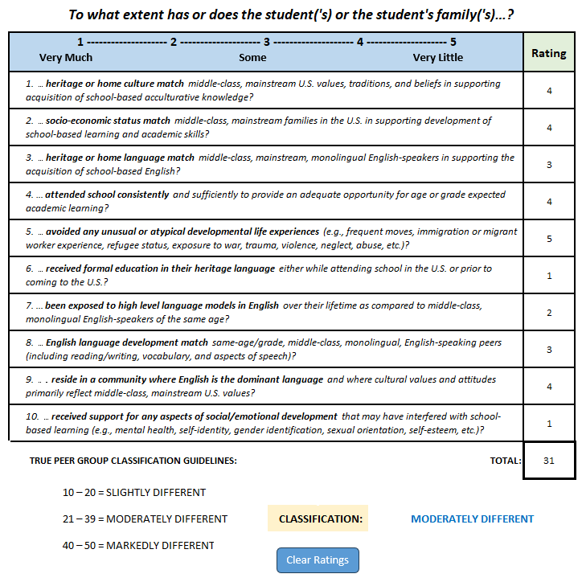

 | 2. According to the C-LTC, the Phonological Processing subtest is in the "High Language/Moderate Culture" cell (cell # 6), and Nonword Repetition is in the "Moderate Language/Moderate Culture" cell (cell # 5).

 | 3. According to the "General Guidelines for Expected Patterns of Test Performance for Diverse Individuals," the degree or magnitude of impact on test performance for WJ IV Phonological Processing, as with all subtests classified as "High Language/Moderate Culture," and for an examinee who is "moderately different," is indicated as 15-20 points with a midpoint that is 17.5 points below the mean of 100. For WJ IV Nonword Repetition, a subtest classified as "Moderate Language/Moderate Culture," the degree or magnitude of impact on test performance for an examinee who is "moderately different" is 10-15 points, midpoint which is 12.5 points below the mean of 100.

 | 4. The expected value for each subtest is obtained by subtracting the degree of impact from the mean value for the test (i.e., SS=100). Thus, for the WJ IV Phonological Processing subtest, the expected value would be 100 - 17.5 = 82.5, rounded to 83. For the WJ IV Nonword Repetition subtest, the expected value would be 100 - 12.5 = 87.5, rounded to 88. To create the expected composite score for the domain, the expected subtest values must be combined into a single score. This is accomplished via the XBA Analyzer in X-BASS or through some other composite calculator. The resulting value for the expected Ga example using SS=83 and SS=88, is SS=83. Note: The WJ IV already provides a composite score based on the actual performance of the examinee on these two subtests noted at the beginning (e.g., SS=81). That value is entered in D-SNAP as the obtained composite score in the cell at the top of the Information tab. However, if the two subtests could not be combined after administration and scoring because they came from different batteries or there was no norm-referenced composite available from their respective publisher(s) of the subtests, the actual subtest values obtained via testing may be combined using the XBA Analyzer in X-BASS to create the necessary obtained composite score for entry into D-SNAP and the confidence interval for the obtained composite score can be calculated using Step 5 in the same way as it is used (automatically) for determining the confidence interval for the expected composite score.
 | 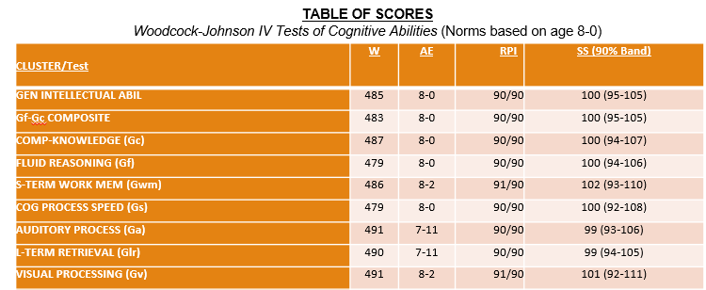

 | 5. Because supplemental testing in the Auditory Processing (Ga) domain was accomplished with the WJ IV COG battery using the two subtests that are typically used to create the expected composite score, the upper and lower limits of the confidence interval are readily available in a table or the score report provided by the publisher. Thus, using the SEM value for Auditory Processing (Ga) from the test publisher's table which corresponds to a 90% band, we can now calculate the lower limit of the expected composite score as being 6 points less than the SS=83 (which was derived in Step 4) and the upper limit as being 7 points more than SS=83, or simply a range that spans from SS=77-90. Note, however, that in this case, it is not necessary to make the calculations for the CI as simply entering the expected composite score will result in D-SNAP automatically making the calculations and displaying the 90% CI accordingly. However, in cases where there are no norm-based composites available from the pubisher(s) of the subtests that were administered, it will mean that the SEM and CI are unknown. To remedy this situation, a CI can be determined by adding and subtracting a median SEM value to the expected composite score (and obtained composite score, as may be necessary) of 5 points. Whereas the actual CI for both the expected and obtained composistes were available in this case from the publisher of the WJ IV COG, this is not always true and sometimes both the obtained composite score and the corresponding CI must be calculated by hand. For example, using the XBA Analyzer in X-BASS, the subtest values of SS=83 and SS=85 as drawn from any other battery, would produce an obtained composite score of SS=81 as shown below. Next, a 90% CI can be established by adding and subtracting the median SEM value of 5 points to the value of the obtained composite score. This would result in a confidence band ranging from 81 - 5 = 76 to 81 + 5 = 86, or 76-86. Because the WJ IV COG already p
 | 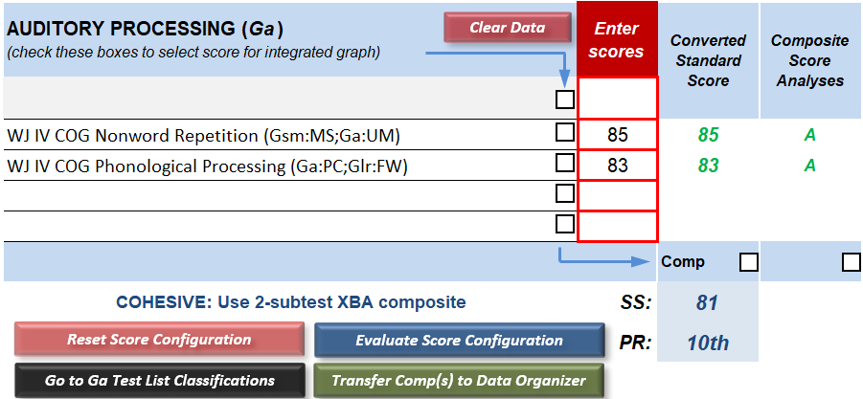

 | 6. Obtained composite scores for any of the broad domains, regardless of how they were established, should be entered in the corresponding cells at the top of the Information tab where the broad ability domains are listed. It is necessary to also enter the desired confidence interval limits for obtained composite scores, if calculated, using the guidance provided in the previous steps. However, the graph will not provide a comparison for the expected level of performance unless you also enter an expected composite score generated via the previous steps in the cell at the bottom of the Information tab. Because the student was given the WISC-V, their obtained composite score (SS=81) was entered into the top cells along with the 90% CI that was determined by the WJ IV Table of Scores (SS= 75-88). Next, their expected composite score (SS=83) was entered into the corresponding WISC-V Ga cell at the bottom of the tab.
 |  |  | Clusters | % CI = | 90
 |  |  |  | SS | -1 CI | +1 CI
 |  |  | Comprehension - Knowledge (Gc) | 76 | 70 | 83
 |  |  | Fluid Reasoning (Gf) | 80 | 74 | 86
 |  |  | Short-Term, Working Memory (Gwm) | 79 | 70 | 87
Obtained composite score from publisher or as calculated
Obtained 90% CI from publisher or as calculated
 |  |  | Long-Term Retrieval (Glr)
 |  |  | Visual Processing (Gv) | 89 | 80 | 99
 |  |  | Auditory Processing (Ga) | 81 | 75 | 88
 |  |  | Cognitive Processing Speed (Gs) | 99 | 91 | 107

 | If you have an expected value for a broad factor not represented by one of the base tests, enter the value corresponding to the assessment and missing factor below.

Expected composite score from calculations
 | WISC-V | Ga | 83
 | KABC-II | Ga
 | KABC-II | Gs

