Sheet1
Ecco 2026 order
Order Number
Date placed: | 2025-08-23
P.O. Number | Ecco 2026
Sold to |  | Ship to

Product / Sizes / Quantity |  | Req. Delivery Date ?/??/26 |  |  |  |  |  |  | Qty | Price

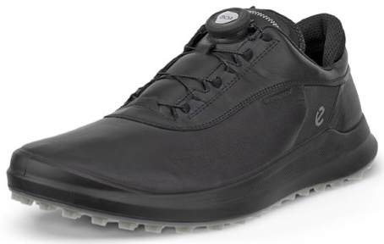 |  | M Core BOA Black
 |  | 100834-01001

 |  | 41 | 42 | 43 | 44 | 45 | 46 | 47
 |  |  |  |  |  |  |  |  | - | 100.00

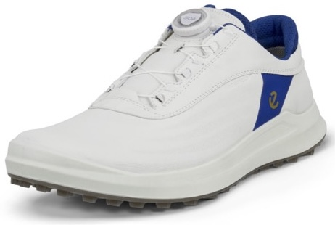 |  | M Core BOA White/Virtual
 |  | 100834-61109

 |  | 41 | 42 | 43 | 44 | 45 | 46 | 47
 |  |  |  |  |  |  |  |  | - | 100.00

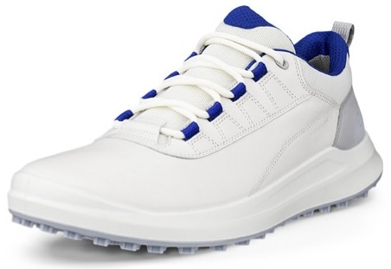 |  | M Core Sport White/Federal Blue
 |  | 100844-61583

 |  | 41 | 42 | 43 | 44 | 45 | 46 | 47
 |  |  |  |  |  |  |  |  | - | 80.00

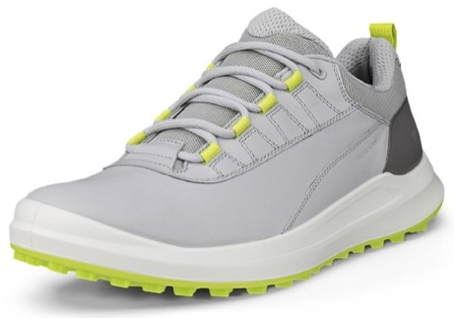 |  | M Core Sport Concrete/Lime Punch
 |  | 100844-61615

 |  | 41 | 42 | 43 | 44 | 45 | 46 | 47
 |  |  |  |  |  |  |  |  | - | 80.00

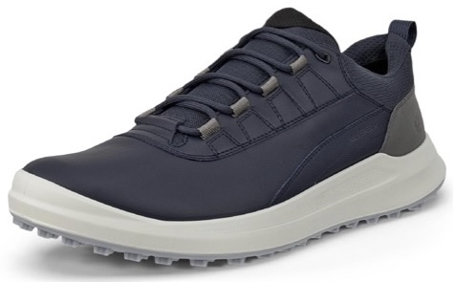 |  | M Core Sport Navy/Steel
 |  | 100844-61616

 |  | 41 | 42 | 43 | 44 | 45 | 46 | 47
 |  |  |  |  |  |  |  |  | - | 80.00

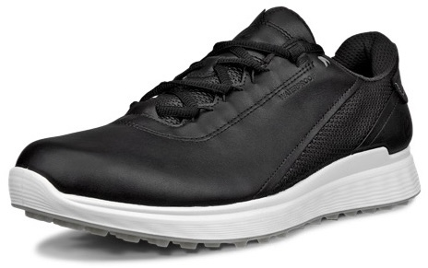 |  | M S Casual Black
 |  | 102814-01001

 |  | 41 | 42 | 43 | 44 | 45 | 46 | 47
 |  |  |  |  |  |  |  |  | - | 90.00

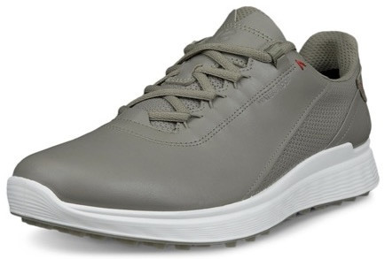 |  | M S Casual Vetiver
 |  | 102814-01529

 |  | 41 | 42 | 43 | 44 | 45 | 46 | 47
 |  |  |  |  |  |  |  |  | - | 90.00

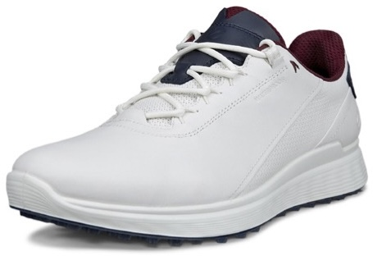 |  | M S Casual White/Marine
 |  | 102814-51293

 |  | 41 | 42 | 43 | 44 | 45 | 46 | 47
 |  |  |  |  |  |  |  |  | - | 90.00

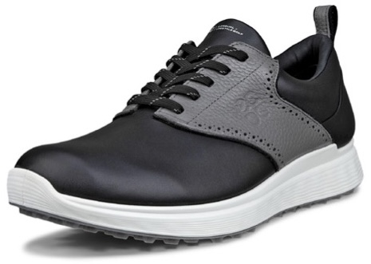 |  | M S Casual Black/Steel
 |  | 102854-50598

 |  | 41 | 42 | 43 | 44 | 45 | 46 | 47
 |  |  |  |  |  |  |  |  | - | 90.00

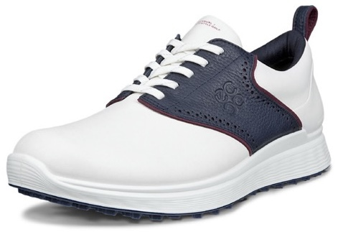 |  | M S Casual White/Marine
 |  | 102854-51293

 |  | 41 | 42 | 43 | 44 | 45 | 46 | 47
 |  |  |  |  |  |  |  |  | - | 90.00

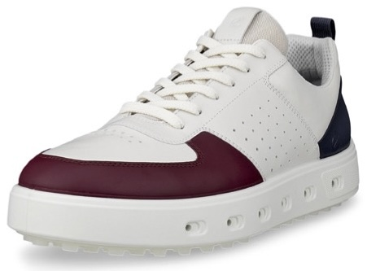 |  | M Street 720 Dark Ruby/White/Marine
 |  | 111704-61584

 |  | 41 | 42 | 43 | 44 | 45 | 46 | 47
 |  |  |  |  |  |  |  |  | -

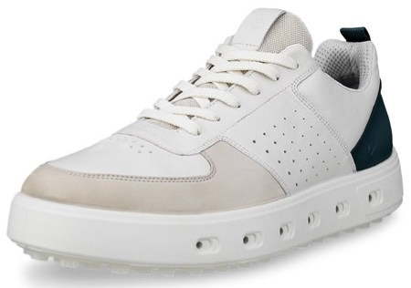 |  | M Street 720 Gravel/White/Bay Green
 |  | 111704-61585

 |  | 41 | 42 | 43 | 44 | 45 | 46 | 47
 |  |  |  |  |  |  |  |  | -

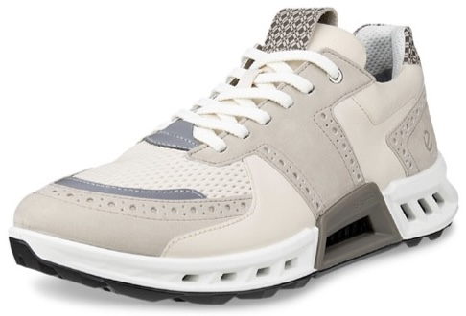 |  | M C4 Pure Cashmere/Limestone/Dark Clay
 |  | 130524-61586

 |  | 41 | 42 | 43 | 44 | 45 | 46 | 47
 |  |  |  |  |  |  |  |  | -

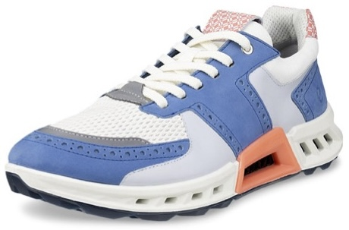 |  | M C4 Federal Blue/White/Burnt Coral
 |  | 130524-61587

 |  | 41 | 42 | 43 | 44 | 45 | 46 | 47
 |  |  |  |  |  |  |  |  | -

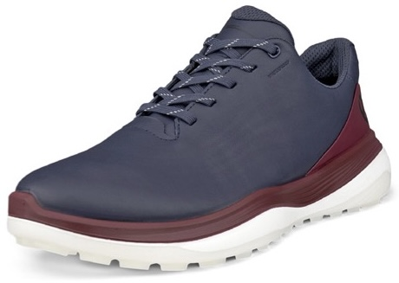 |  | M LT1 Marine
 |  | 132264-01038

 |  | 41 | 42 | 43 | 44 | 45 | 46 | 47
 |  |  |  |  |  |  |  |  | -

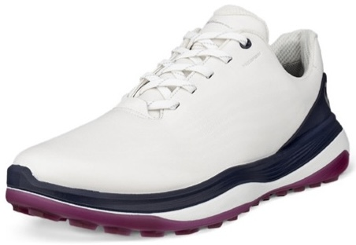 |  | M LT1 White/Marine
 |  | 132264-51293

 |  | 41 | 42 | 43 | 44 | 45 | 46 | 47
 |  |  |  |  |  |  |  |  | -

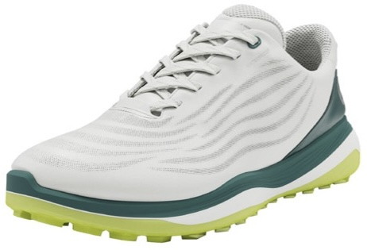 |  | M LT1 White/Baygreen
 |  | 132264-61475

 |  | 41 | 42 | 43 | 44 | 45 | 46 | 47
 |  |  |  |  |  |  |  |  | -

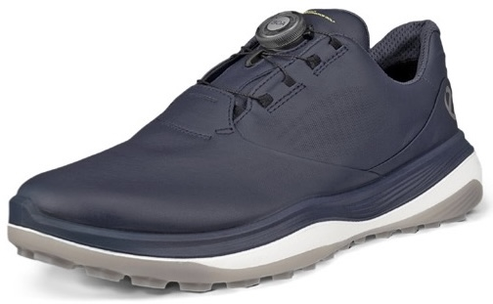 |  | M LT1 BOA Marine
 |  | 132274-01038

 |  | 41 | 42 | 43 | 44 | 45 | 46 | 47
 |  |  |  |  |  |  |  |  | -

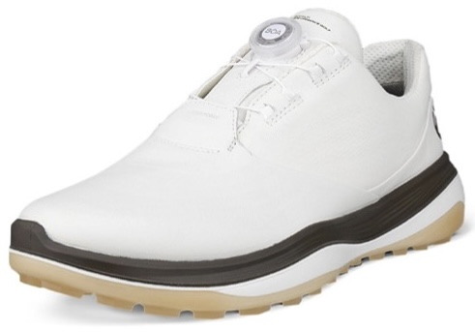 |  | M LT1 BOA White/Tarmac
 |  | 132274-51173

 |  | 41 | 42 | 43 | 44 | 45 | 46 | 47
 |  |  |  |  |  |  |  |  | -

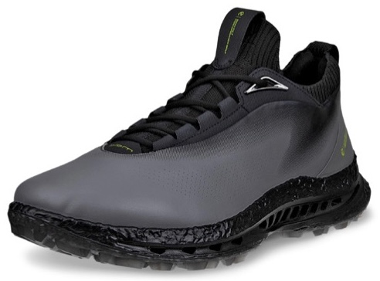 |  | M C5 Lace Steel/Steel
 |  | 132604-50843

 |  | 41 | 42 | 43 | 44 | 45 | 46 | 47
 |  |  |  |  |  |  |  |  | - | 125.00

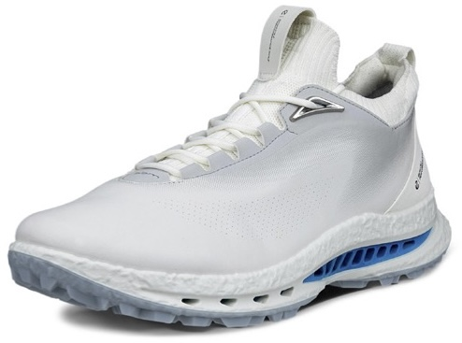 |  | M C5 Lace White/Concrete
 |  | 132604-54322

 |  | 41 | 42 | 43 | 44 | 45 | 46 | 47
 |  |  |  |  |  |  |  |  | - | 125.00

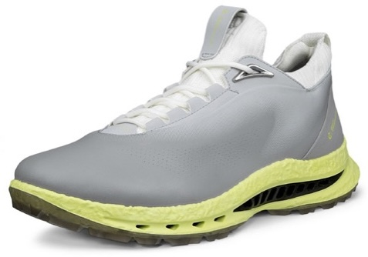 |  | M C5 Lace Wild Dove/Wild Dove
 |  | 132604-55915

 |  | 41 | 42 | 43 | 44 | 45 | 46 | 47
 |  |  |  |  |  |  |  |  | - | 125.00

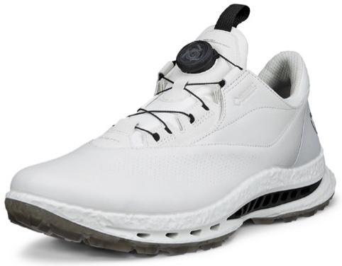 |  | M C5 BOA White/White
 |  | 132614-50874

 |  | 41 | 42 | 43 | 44 | 45 | 46 | 47
 |  |  |  |  |  |  |  |  | - | 135.00

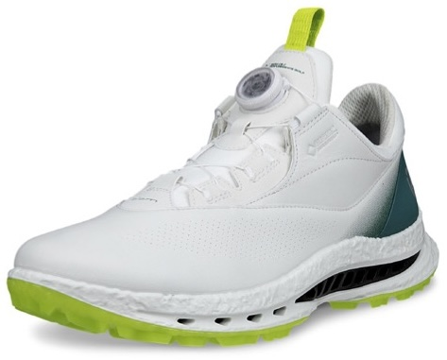 |  | M C5 BOA White/Baygreen
 |  | 132614-61475

 |  | 41 | 42 | 43 | 44 | 45 | 46 | 47
 |  |  |  |  |  |  |  |  | - | 135.00

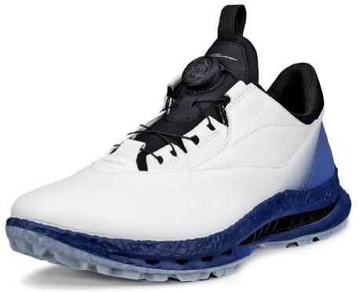 |  | M C5 BOA White/Federal Blue
 |  | 132614-61583

 |  | 41 | 42 | 43 | 44 | 45 | 46 | 47
 |  |  |  |  |  |  |  |  | - | 135.00

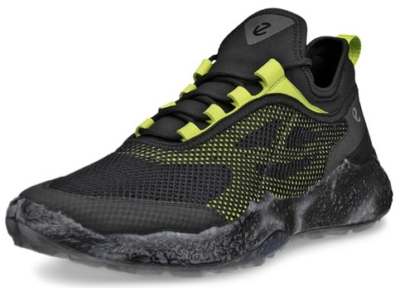 |  | M H5 Textile Black/Lime Punch/Black
 |  | 138004-57342

 |  | 41 | 42 | 43 | 44 | 45 | 46 | 47
 |  |  |  |  |  |  |  |  | - | 100.00

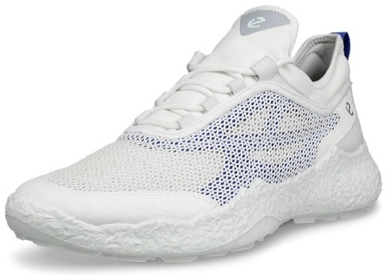 |  | M H5 Textile White/Virtual
 |  | 138004-61109

 |  | 41 | 42 | 43 | 44 | 45 | 46 | 47
 |  |  |  |  |  |  |  |  | - | 100.00

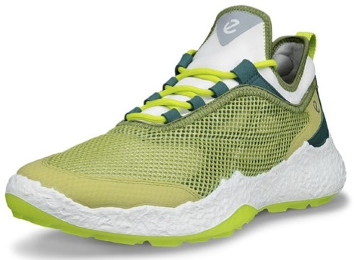 |  | M H5 Textile Sweet Pea/Lime Punch/Baygreen
 |  | 138004-61599

 |  | 41 | 42 | 43 | 44 | 45 | 46 | 47
 |  |  |  |  |  |  |  |  | - | 100.00

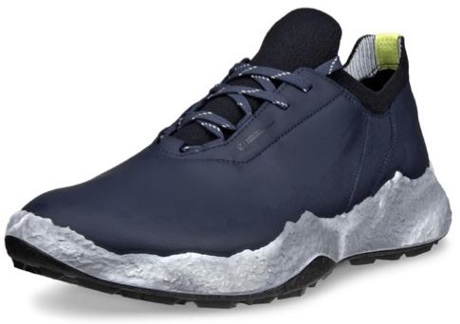 |  | M H5 Lace Marine
 |  | 138014-01038

 |  | 41 | 42 | 43 | 44 | 45 | 46 | 47
 |  |  |  |  |  |  |  |  | - | 115.00

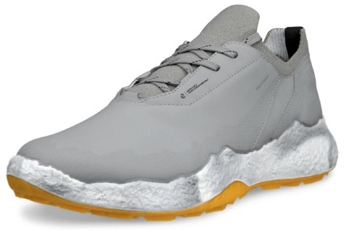 |  | M H5 Lace Wild Dove
 |  | 138014-01539

 |  | 41 | 42 | 43 | 44 | 45 | 46 | 47
 |  |  |  |  |  |  |  |  | - | 115.00

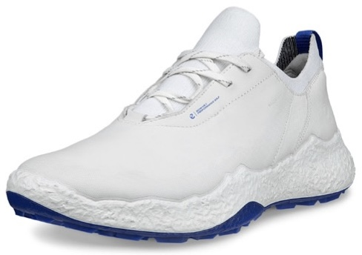 |  | M H5 Lace White
 |  | 138014-61109

 |  | 41 | 42 | 43 | 44 | 45 | 46 | 47
 |  |  |  |  |  |  |  |  | - | 115.00

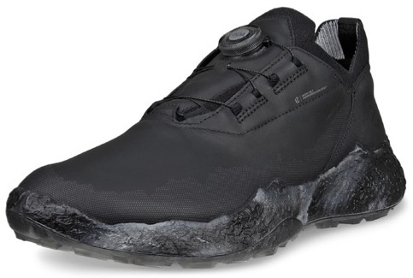 |  | M H5 BOA Black
 |  | 138024-01001

 |  | 41 | 42 | 43 | 44 | 45 | 46 | 47
 |  |  |  |  |  |  |  |  | - | 125.00

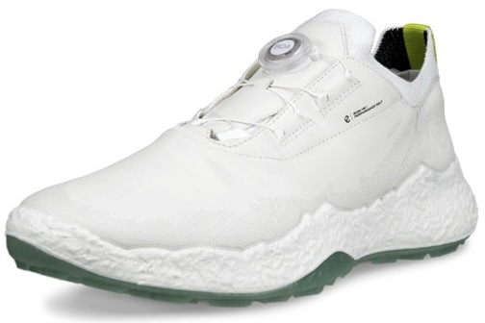 |  | M H5 BOA White
 |  | 138024-01007

 |  | 41 | 42 | 43 | 44 | 45 | 46 | 47
 |  |  |  |  |  |  |  |  | - | 125.00

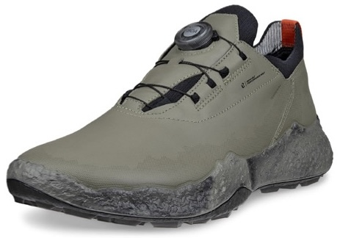 |  | M H5 BOA Vetiver
 |  | 138024-01529

 |  | 41 | 42 | 43 | 44 | 45 | 46 | 47
 |  |  |  |  |  |  |  |  | - | 125.00

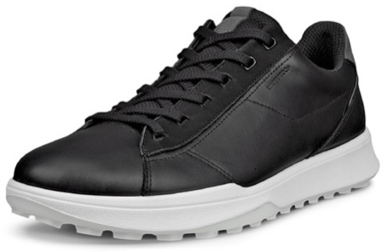 |  | M Street Vibe Black/Magnet
 |  | 138504-50839

 |  | 41 | 42 | 43 | 44 | 45 | 46 | 47
 |  |  |  |  |  |  |  |  | - | 85.00

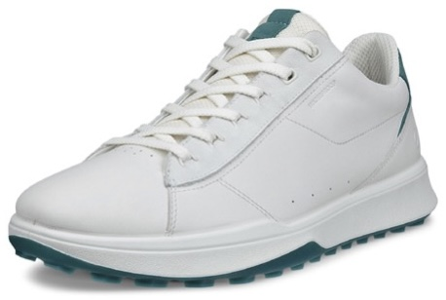 |  | M Street Vibe White/Baygreen
 |  | 138504-61475

 |  | 41 | 42 | 43 | 44 | 45 | 46 | 47
 |  |  |  |  |  |  |  |  | - | 85.00

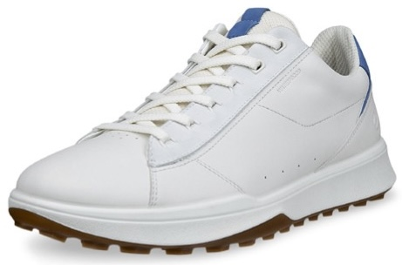 |  | M Street Vibe White/Federal Blue
 |  | 138504-61583

 |  | 41 | 42 | 43 | 44 | 45 | 46 | 47
 |  |  |  |  |  |  |  |  | - | 85.00

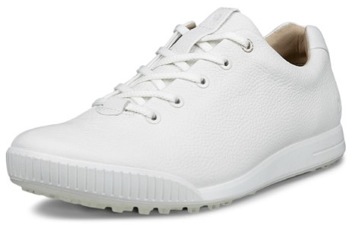 |  | M Street Retro White
 |  | 150634-01007

 |  | 41 | 42 | 43 | 44 | 45 | 46 | 47
 |  |  |  |  |  |  |  |  | - | 75.00

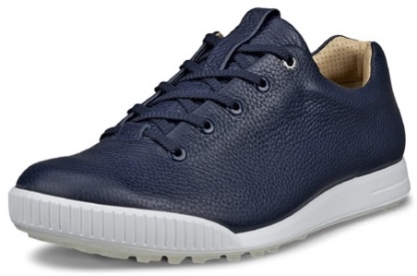 |  | M Street Retro Marine
 |  | 150634-01038

 |  | 41 | 42 | 43 | 44 | 45 | 46 | 47
 |  |  |  |  |  |  |  |  | - | 75.00

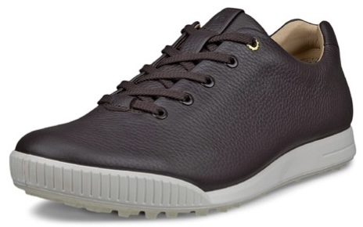 |  | M Street Retro Mocha
 |  | 150634-01178

 |  | 41 | 42 | 43 | 44 | 45 | 46 | 47
 |  |  |  |  |  |  |  |  | - | 75.00

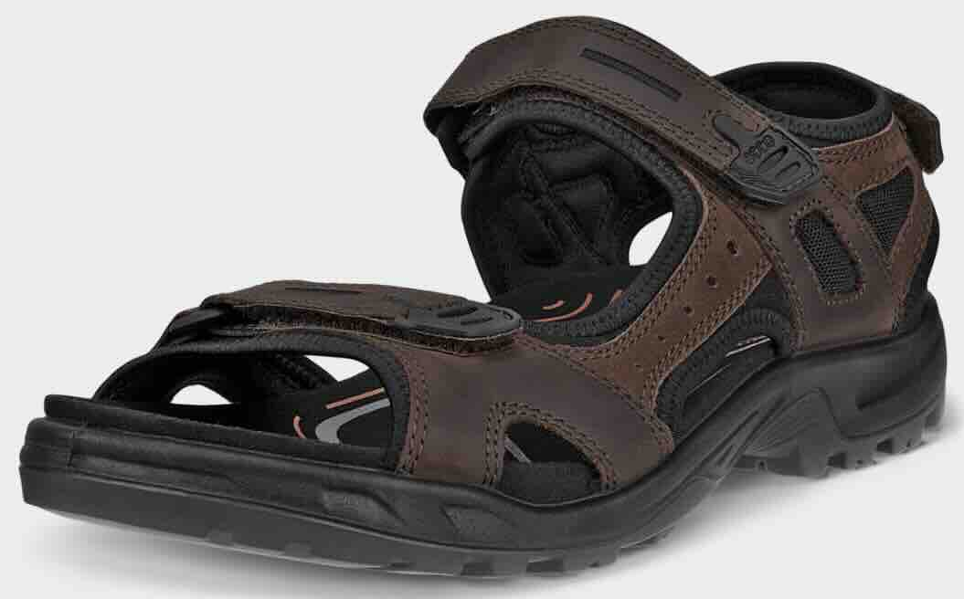 |  | M Yucatan Sandal Mocha
 |  | 069564-58290

 |  | 41 | 42 | 43 | 44 | 45 | 46 | 47
 |  |  |  |  |  |  |  |  | - | 70.00

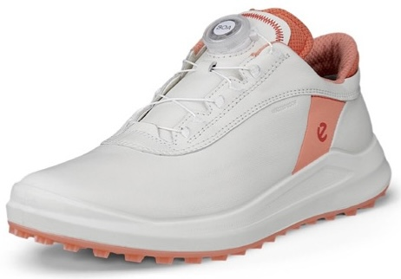 |  | W Core BOA White/Burnt Coral
 |  | 100433-61595

 |  | 36 | 37 | 38 | 39 | 40 | 41 | 42
 |  |  |  |  |  |  |  |  | - | 100.00

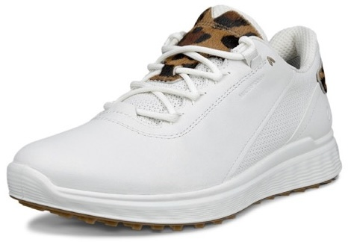 |  | W S Casual White/Lion
 |  | 102813-50104

 |  | 36 | 37 | 38 | 39 | 40 | 41 | 42
 |  |  |  |  |  |  |  |  | - | 90.00

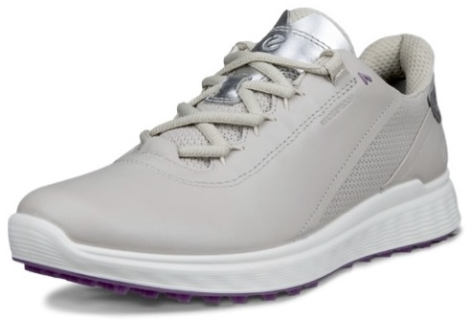 |  | W S Casual Gravel/Silver
 |  | 102813-50417

 |  | 36 | 37 | 38 | 39 | 40 | 41 | 42
 |  |  |  |  |  |  |  |  | - | 90.00

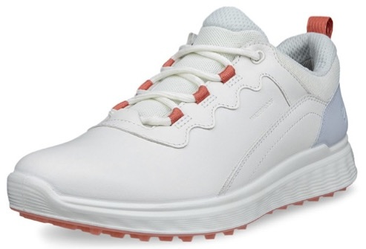 |  | W S Casual Sport Air/Dusty Blue
 |  | 102863-60563

 |  | 36 | 37 | 38 | 39 | 40 | 41 | 42
 |  |  |  |  |  |  |  |  | - | 80.00

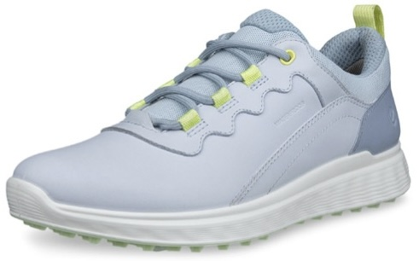 |  | W S Casual Sport White/Air
 |  | 102863-60611

 |  | 36 | 37 | 38 | 39 | 40 | 41 | 42
 |  |  |  |  |  |  |  |  | - | 80.00

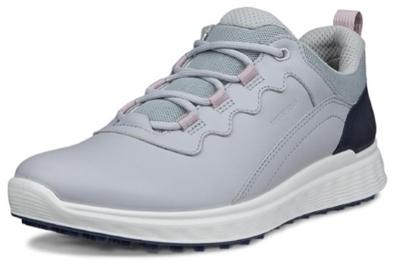 |  | W S Casual Sport Concrete/Marine
 |  | 102863-61620

 |  | 36 | 37 | 38 | 39 | 40 | 41 | 42
 |  |  |  |  |  |  |  |  | - | 80.00

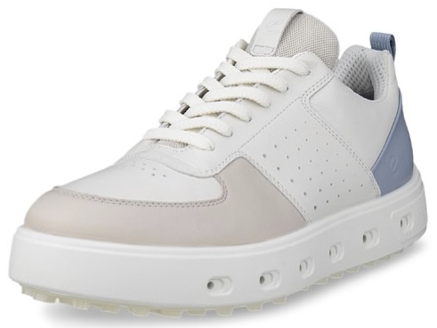 |  | W Street 720 Gravel/White/Dusty Blue
 |  | 110703-61596

 |  | 36 | 37 | 38 | 39 | 40 | 41 | 42
 |  |  |  |  |  |  |  |  | -

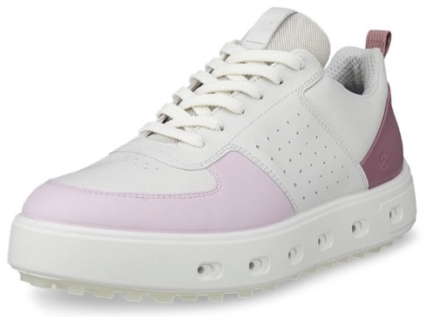 |  | W Street 720 White/Blush/Blossom Rose
 |  | 110703-61597

 |  | 36 | 37 | 38 | 39 | 40 | 41 | 42
 |  |  |  |  |  |  |  |  | -

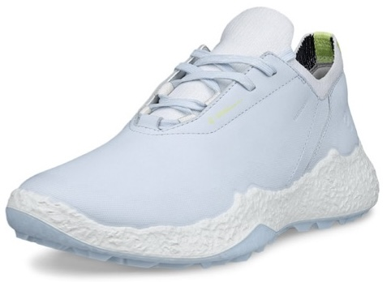 |  | W H5 Lace Air
 |  | 115003-01696

 |  | 36 | 37 | 38 | 39 | 40 | 41 | 42
 |  |  |  |  |  |  |  |  | - | 115.00

 |  | W H5 Lace White/Lavender
 |  | 115003-61058

 |  | 36 | 37 | 38 | 39 | 40 | 41 | 42
 |  |  |  |  |  |  |  |  | - | 115.00

 |  | W H5 Lace White/Sedum Green
 |  | 115003-61202

 |  | 36 | 37 | 38 | 39 | 40 | 41 | 42
 |  |  |  |  |  |  |  |  | - | 115.00

 |  | W H5 BOA Lilac Ciffon/Burnt Coral
 |  | 115013-61594

 |  | 36 | 37 | 38 | 39 | 40 | 41 | 42
 |  |  |  |  |  |  |  |  | - | 125.00

 |  | W H5 Mesh White/Burnt Coral/White
 |  | 115023-61593

 |  | 36 | 37 | 38 | 39 | 40 | 41 | 42
 |  |  |  |  |  |  |  |  | - | 100.00

 |  | W Street Vibe Black/Black
 |  | 115303-51052

 |  | 36 | 37 | 38 | 39 | 40 | 41 | 42
 |  |  |  |  |  |  |  |  | - | 85.00

 |  | W Street Vibe Air/Air
 |  | 115303-60566

 |  | 36 | 37 | 38 | 39 | 40 | 41 | 42
 |  |  |  |  |  |  |  |  | - | 85.00

 |  | W Street Vibe Lime Cream
 |  | 115303-61481

 |  | 36 | 37 | 38 | 39 | 40 | 41 | 42
 |  |  |  |  |  |  |  |  | - | 85.00

 |  | W Street Vibe Limestone/White/Blush
 |  | 115303-61605

 |  | 36 | 37 | 38 | 39 | 40 | 41 | 42
 |  |  |  |  |  |  |  |  | - | 85.00

 |  | W Street Vibe Shadow White/White/Lime Cream
 |  | 115303-61606

 |  | 36 | 37 | 38 | 39 | 40 | 41 | 42
 |  |  |  |  |  |  |  |  | - | 85.00

 |  | W Street Vibe Slip-On White/Air
 |  | 115313-60611

 |  | 36 | 37 | 38 | 39 | 40 | 41 | 42
 |  |  |  |  |  |  |  |  | - | 80.00

 |  | W Street Vibe Slip-On Limestone/Blush
 |  | 115313-61621

 |  | 36 | 37 | 38 | 39 | 40 | 41 | 42
 |  |  |  |  |  |  |  |  | - | 80.00

 |  | W LT1 White/Ice Flower
 |  | 132753-54418

 |  | 36 | 37 | 38 | 39 | 40 | 41 | 42
 |  |  |  |  |  |  |  |  | -

 |  | W LT1 White/Burnt Coral
 |  | 132753-61595

 |  | 36 | 37 | 38 | 39 | 40 | 41 | 42
 |  |  |  |  |  |  |  |  | -

 |  | W Yucatan Sandal Multicolor Brown
 |  | 069563-52043

 |  | 36 | 37 | 38 | 39 | 40 | 41 | 42
 |  |  |  |  |  |  |  |  | - | 70.00

 |  | W Yucatan Sandal Atmospheric Ice
 |  | 069563-54695

 |  | 36 | 37 | 38 | 39 | 40 | 41 | 42
 |  |  |  |  |  |  |  |  | - | 70.00

Total Wholesale Value |  | 0.00
Number of items |  | 0

