Sheet1
2026 WEST COAST CHALLENGE TOURNAMENT REGISTRATION FORM

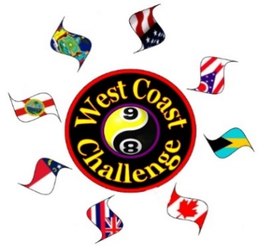
Submitting Player's email : |  |  |  | REQUIRED INFORMA-TION (ALL ENTRIES)
Submitting Player's address:

Submitting Player's phone :

League Name: |  |  |  |  | League Organization
League Coordinator's Name:
League Coordinator's Phone:

 | 1 |  |  | FALSE | 1
Tournament Team Name : |  |  |  |  |  |  | FEE $ | 0.00
League Team Name : |  |  |  |  |  |  |  | TRUE
 | Captain's Name : |  |  | REQUIRED INFORMATION - TEAMS
 | Captain's Email :
 | Captain's Phone : |  |  |  |  | *Women cannot play in an OPEN AND WOMEN'S team

 |  | Female (x) | Team Roster (8 Max on a team) or 'Singles Only' Entries | Player AVG / SKILL LEVEL | WCCF MASTER PLAYER | TEAMS ($275 / $475) | * 8-BALL ($125) | * 9-BALL ($125) | WOMAN PLAYING OPEN
At least 3 ORIGINAL TEAM MEMBERS (*2 for women's) must play all rounds of team play | Player Name 1 |  |  | 000.0 |  |  |  |  | FALSE
 | Player Name 2 |  |  | 000.0 |  |  |  |  | FALSE
 | Player Name 3 |  |  | 000.0 |  |  |  |  | FALSE
 | Player Name 4 |  |  | 000.0 |  |  |  |  | FALSE
 | Player Name 5 |  |  | 000.0 |  |  |  |  | FALSE
 | Player Name 6 |  |  | 000.0 |  |  |  |  | FALSE
 | Player Name 7 |  |  | 000.0 |  |  |  |  | FALSE
 | Player Name 8 |  |  | 000.0 |  |  |  |  | FALSE

*WOMEN'S TEAMS may have up to 2 Master Players on their roster. If both Master Players chose to shoot in the same round a 10 BALL TOTAL SPOT will be given to their opposing team* Gold Division teams may only have ONE (male) Master player in a match. Open teams wanting to compete with more than one Master player may enter the PLATINUM Division. All open team matches are played heads-up (no handicaps).

 | ** Fill out registration form BEFORE you print it out in order for all totals and discounts to calculate properly **

COPY OF THIS COMPLETED REGISTRATION FORM ALONG WITH YOUR LEAGUE TEAM & SINGLE'S STATS MUST BE INCLUDED WITH PAID ENTRY IN ORDER TO BE CONSIDERED REGISTERED

 |  | PLEASE MAIL U.S. CASHIER CHECK / U.S. MONEY ORDER (ONLY) ENTRIES MADE PAYABLE TO: WCCF P O BOX #1973, BRADENTON, FL 34206

 | Costs will be calculated below. Please make sure the player checkboxes are correctly selected and you have a NAME in the player field.

 |  |  | ENTRY SUMMARY & COSTS
 |  |  | Players Names | 8B | 9B | Singles Disc'd Amt, if appl | Multi-event Disc
 |  |  | 0 | - | - | - | -
 |  |  | 0 | - | - | - | -
 |  |  | 0 | - | - | - | -
 |  |  | 0 | - | - | - | -
 |  |  | 0 | - | - | - | -
 |  |  | 0 | - | - | - | -
 |  |  | 0 | - | - | - | -
 |  |  | 0 | - | - | - | -
 |  |  |  | Singles Total Entries |  |  | $-
 |  |  |  | Team Total |  |  | $-
 |  |  |  | TOTAL AMOUNT DUE : |  |  | $-

TOURNAMENT EVENT TO BE FOLLOWED AND SCORED ON COMPUSPORT PHONE APP. DOWNLOAD TO YOUR PHONE PRIOR TO THE EVENT.

