Order Form
YOUR NAME: |  |  |  | Please complete the relevent section for you, PLUS any Optional kit you would like.
SIZES: You MUST Type the Letter/s of the size you want in the appropriate cream coloured box: XS, S, M, L, XL, XXL. Socks: S (37-39), M (40-42), L (43-45), XL (46-48). Quantity of Items: Type the number in the Blue box, press return key. The rest will calculate out if correct!

Outfield Players |  |  |  |  | Goalkeepers |  |  |  | Optional Kit

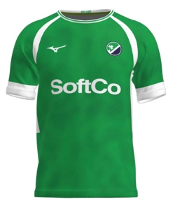
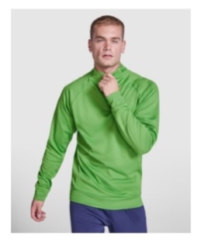
 | Type in the SIZE You Require in box below | Quantity you want: Type below in blue box | € 35.00 |  |  | Type in the SIZE You Require in box below | Quantity you want: Type below in blue box | € 35.00 |  | Type in the SIZE You Require in box below | Quantity you want: Type below in blue box | € 25.00

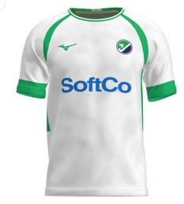
Green playing shirt with HI Logo and a squad number. |  |  | € 0.00 |  | Orange smock with HI Logo and a squad number. |  |  | € 0.00 | ¼ Zip Training Top lightweight with logo and initials |  |  | € 0.00

 | Type in the SIZE You Require in box below | Quantity you want: Type below in blue box | € 35.00 |  |  | Type in the SIZE You Require in box below | Quantity you want: Type below in blue box | € 33.00 |  | Type in the SIZE You Require in box below | Quantity you want: Type below in blue box | € 37.00
 |  |  |  |  | TBC

White playing shirt with HI Logo and a squad number. |  |  | € 0.00 |  | Orange GK shorts with logo |  |  | € 0.00 | Polo shirts with crest and initials |  |  | € 0.00

 | Type in the SIZE You Require in box below | Quantity you want: Type below in blue box | € 33.00 |  |  | Type in the SIZE You Require in box below | Quantity you want: Type below in blue box |  |  | Type in the SIZE You Require in box below | Quantity you want: Type below in blue box | € 34.00

 |  |  |  |  | TBC

White playing shorts with logo |  |  | € 0.00 |  |  |  |  | € 0.00 | Blue shorts with crest and initials |  |  | € 0.00

 | Type in the SIZE You Require in box below | Quantity you want: Type below in blue box | € 12.00 |  |  |  |  |  |  | Type in the SIZE You Require in box below | Quantity you want: Type below in blue box | € 50.00

Green playing socks |  |  | € 0.00 |  | Total Cost to YOU of your whole order: (If you have managed to complete the boxes correctly!) |  |  | #REF! | A softshell, waterproof tracksuit top with logo and player initials |  |  | € 0.00

 | Type in the SIZE You Require in box below | Quantity you want: Type below in blue box | € 12.00 |  |  |  |  |  |  | Type in the SIZE You Require in box below | Quantity you want: Type below in blue box | € 20.00

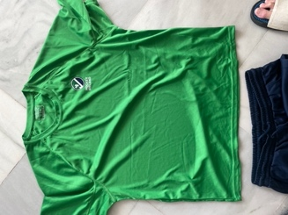
White playing socks |  |  | € 0.00 |  |  |  |  |  | Tracksuit Bottom with logo and player initials |  |  | € 0.00

 |  |  |  |  |  |  |  |  |  | Type in the SIZE You Require in box below | Quantity you want: Type below in blue box | € 20.00

 |  |  |  |  |  |  |  |  | Training t shirt with logo and initials (come as a pair, white and green) |  |  | € 0.00

 |  |  |  |  |  |  |  |  |  | Type in the SIZE You Require in box below | Quantity you want: Type below in blue box | € 40.00

 |  |  |  |  |  |  |  |  | Gilet with logo and intials |  |  | € 0.00

