Elementary
AUGUST SEPTEMBER 2021
Franklin Regional Intermediate
Lunch Menu
What is a Meal?
You must choose at least 3 of the 5 components available for the school
lunch price. Minimum of 1/2 cup serving of fruit or a minimum of a 1/2 cup of vegetable must accompany a reimbursable lunch
Meat or meat alternate
Choice of Vegetable
Choice of Fruit
Grain/Bread
Choice of Milk - 1% white, and fat-free chocolate

 | Monday | Tuesday | Wednesday | Thursday | Friday
 | 23 | 24 | 25 | 26 | 27
 | Chicken nuggets | Beef Taco | Hot Dog on a bun | Chicken Patty | Hot Ham and cheese
 |  |  |  |  | croissant
 | Panther Salad | Panther Salad | Panther Salad | Panther Salad | Panther Salad
 | Hamburger on a bun | Hamburger on a bun | Hamburger on a bun | Hamburger on a bun | Hamburger on a bun
 | Yogurt Craveable | Yogurt Craveable | Yogurt Craveable | Yogurt Craveable | Yogurt Craveable
 | Ham and Cheese Sandwich | Ham and Cheese Sandwich | Ham and Cheese Sandwich | Ham and Cheese Sandwich | Ham and Cheese Sandwich
 | Featured Veggies: | Featured Veggies: | Featured Veggies: | Featured Veggies: | Featured Veggies:
 | Chickpeas salad | Black Beans | Hash Brown Potato | Green Beans | Grape Tomatoes
Weekly Vegetable Subgroups May Include:
Dark green - spinach, broccoli, romaine and spring salad Red/Orange - carrots, sweet potatoes, tomatoes, red peppers
Beans/Peas
Starchy - white potatoes, corn,
and lima beans
Other Vegetables: celery sticks, cucumbers, cauliflower, green peppers,
green beans and cabbage
Daily Fruit Selection May Include:
oranges, apples, bananas, grapes, pears, peaches, cantaloupe, melon, strawberries, applesauce, pineapple, 100% fruit juices
and mandarin oranges
 | Baby Carrots | Tomato & Onion Salsa | Fresh Cucumber Slices | Romaine Salad | Roasted Zucchini
 | Choice of Fruit | Choice of Fruit |  | Choice of Fruit | Choice of Fruit
 | Choice of Milk | Choice of Milk | Choice of Milk | Choice of Milk | Choice of Milk
 | 30 | 31 | 1 | 2 | 3
 | Italian Meatballs & Cheese | Nacho Grande | BBQ Chicken | Bacon Cheese Burger | Corn dog
 | On a hoagie |  | Hoagie
 | Chef Salad
 | Chicken patty on a Bun | Chicken patty on a Bun | Chicken patty on a Bun | Chicken patty on a Bun | Chicken patty on a Bun
 | Turkey & Cheese Sandwich | Turkey & Cheese Sandwich | Turkey & Cheese Sandwich | Turkey & Cheese Sandwich | Turkey & Cheese Sandwich
 | Breadstick Craveable | Breadstick Craveable | Breadstick Craveable | Breadstick Craveable | Breadstick Craveable
 | Featured Veggies: | Featured Veggies: | Featured Veggies: | Featured Veggies: | Featured Veggies:
 | Oven Fries | Green Beans | Mashed Potatoes | Tomato Soup | Roasted Sweet Potatoes
LEAVE YOUR LUNCHBOX AT HOME!
DAILY ALTERNATES.
Fresh Entree Salad of the Week
Craveable of the Week, which could include:
Nacho with Chips and Salsa, Make your Own Pizza, Yogurt Cheese stick and Crackers, Breadstick Dipper, and more..
Nutritious Friends
Look for our Nutritious Friend of the Month on the menu!!
This Month........
DAILY OPTIONS
Salad of the Day
Pizza Served Daily
PBJ Cravable Daily
Menu items in Red are weekly choices
 | Red Pepper Strips | Caesar Salad | Green Pepper Strips | Corn Salad | Chick Pea Salad
 | Choice of Fruit | Choice of Fruit | Choice of Fruit | Choice of Fruit | Choice of Fruit
 | Choice of Milk | Choice of Milk | Choice of Milk | Choice of Milk | Choice of Milk
 | 6 | 7 | 8 | 9 | 10
 | Turkey & Cheese Melt | Buffalo chicken | Pasta w/ Meatballs | Hot Ham and Cheese | Hot dog on a bun
 | On a Croissant | Hoagie | Breadstick | On a Pretzel Roll

 | Chicken nuggets | Chicken nuggets | Chicken nuggets | Chicken nuggets | Chicken nuggets
 | Italian Hoagie | Italian Hoagie | Italian Hoagie | Italian Hoagie | Italian Hoagie
 | Pizza Cravable | Pizza Cravable | Pizza Cravable | Pizza Cravable | Pizza Cravable
 | Featured Veggies: | Featured Veggies: | Featured Veggies: | Featured Veggies: | Featured Veggies:
 | SWEET POTATOES | Black Bean | Steamed Broccoli | Roasted Zucchini | Oven Fries
 | Steamed Corn | Tomatoes Salsa | Carrot Sticks | Caesar Side Salad | Carrot
 | Choice of Fruit | Choice of Fruit | Choice of Fruit | Choice of Fruit | Choice of Fruit
 | Choice of Milk | Choice of Milk | Choice of Milk | Choice of Milk | Choice of Milk
 | 13 | 14 | 15 | 16 | 17
 | Toasted | Pork Taco | French toast Sticks | Asian Sesame Chicken | Hamburger on a bun
 | Cheese Sandwich |  | sausage links | Over Rice

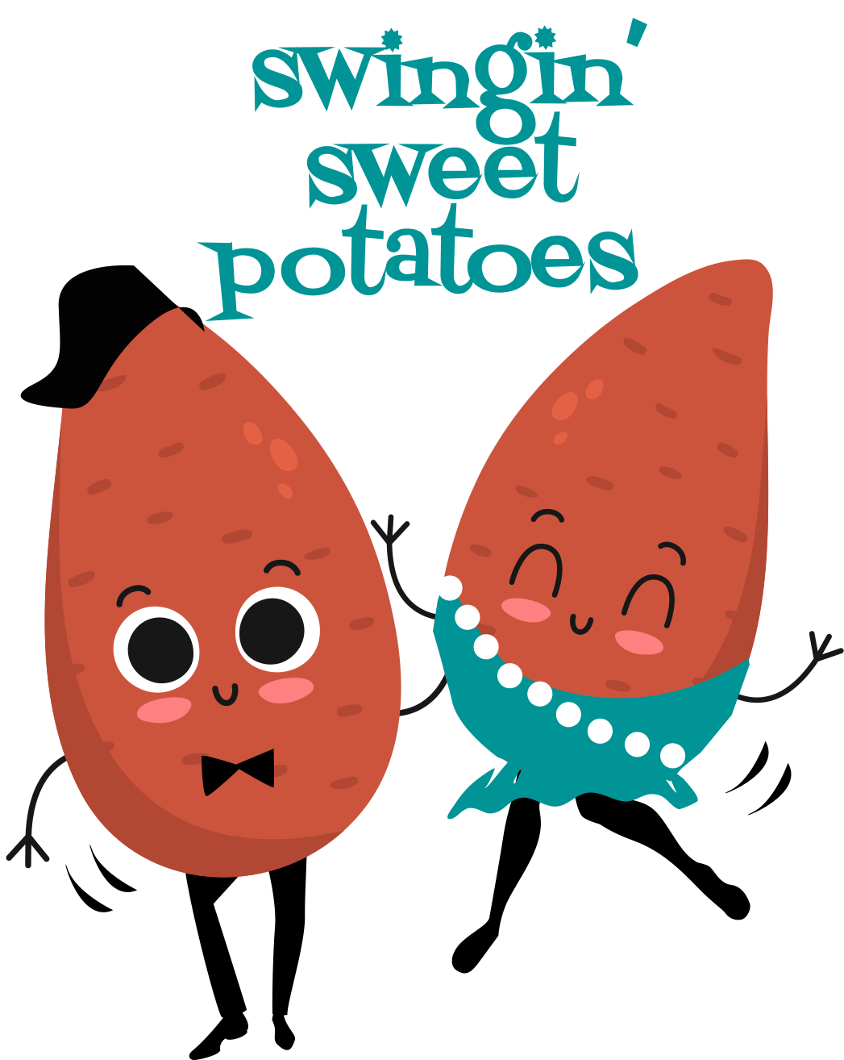
 | Hot dog on a Bun | Hot dog on a Bun | Hot dog on a Bun | Hot dog on a Bun | Hot dog on a Bun
 | Ham and cheese Wrap | Italian Wrap | Italian Wrap | Italian Wrap | Italian Wrap
 | Nacho Craveable | Nacho Craveable | Nacho Craveable | Nacho Craveable | Nacho Craveable
 | Featured Veggies: | Featured Veggies: | Featured Veggies: | Featured Veggies: | Featured Veggies:
 | Tomato Soup | Black Beans |  | Curly Fries | Oven Sweet Potato
 | Tater Tots | Lettuce & Tomato | Steamed Carrots | Baked Beans | Corn
 | Choice of Fruit | Choice of Fruit | Choice of Fruit | Choice of Fruit | Choice of Fruit
 | Choice of Milk | Choice of Milk | Choice of Milk | Choice of Milk | Choice of Milk
 | 20 | 21 | 22 | 23 | 24
 | Cheese Burger | Nacho Grande | Cheese Steak | Pasta with meatballs | Fish Sandwich
 | On a Bun |  | On a Roll | Garlic Stick

 | Corn Dog | Corn Dog | Corn Dog | Corn Dog | Corn Dog
 | Turkey & Cheese Sandwich | Turkey & Cheese Sandwich | Turkey & Cheese Sandwich | Turkey & Cheese Sandwich | Turkey & Cheese Sandwich
 | Yogurt Craveable | Yogurt Craveable | Yogurt Craveable | Yogurt Craveable | Yogurt Craveable
 | Featured Veggies: | Featured Veggies: | Featured Veggies: | Featured Veggies: | Featured Veggies:
 | Oven Fries | Mexicali Corn | Tater Tots | Steamed Broccoli | Cherry Tomatoes
 | Chick Pea Salad | Tomato & Onion Salad | Carrots | Celery Sticks | Cucumber Slices
 | Choice of Fruit | Choice of Fruit |  | Choice of Fruit | Choice of Fruit
Lunch Prices | Choice of Milk | Choice of Milk | Choice of Milk | Choice of Milk | Choice of Milk
The first Lunch for every student is at no charge | 27 | 28 | 29 | 30 | 1
additional meal are $4.55 | Hot Ham and Cheese | Beef Taco | Waffles | Panther | Chicken Patty
Adult $4.55 | On a Pretzel Roll | Soft tortilla shell | Sausage | Bowl
Ala cart items are priced as marked. |  |  |  |  | Chicken Tenders
Sonny Burns | Chicken Tenders | Chicken Tenders | Chicken Tenders | Chicken Tenders | Turkey & Cheese Sandwich
 | Italian Hoagie | Italian Hoagie | Italian Hoagie | Italian Hoagie | Italian Hoagie
724-325-1977 | Breadstick Craveable | Breadstick Craveable | Breadstick Craveable | Breadstick Craveable | Breadstick Craveable
 | Featured Veggies: | Featured Veggies: | Featured Veggies: | Featured Veggies: | Featured Veggies:
sburns@franklinrgeional.k12.pa.us | Steamed Broccoli | Refried Beans | Tri Patty Taters | Tomatoes | Green Beans
Menu is subject to change due to product availability | Cucumber Slices | Corn | Carrot Sticks | SWEET POTATO TOTS | Baby Carrots
USDA is an equal opportunity provider and employer. | Choice of Fruit | Choice of Fruit | Choice of Fruit | Choice of Fruit | Choice of Fruit
 | Choice of Milk | Choice of Milk | Choice of Milk | Choice of Milk | Choice of Milk

