Elementary
Franklin Regional Primary
August/ September Lunch Menu 25-26
What is a Meal?
You must choose at least 3 of the 5 components available for the school
lunch price. Minimum of 1/2 cup serving of fruit or a minimum of a 1/2 cup of vegetable must accompany a reimbursable lunch
Meat or meat alternate
Choice of Vegetable
Choice of Fruit
Grain/Bread
Choice of Milk - 1% white, and fat-free chocolate
 | Monday | Tuesday | Wednesday | Thursday | Friday
 | 18 | 19 | 20 | 21 | 22
 |  |  | Chicken and Gravy | Italian Grilled Chicken | Cheese or Pepperoni
 |  |  | over Biscuits | on a Roll | Pizza
 |  |  | Panther Salad | Panther Salad | Panther Salad
 |  |  | Chicken Nuggets | Corn Dog | Popcorn Chicken
 |  |  | Yogurt Craveable | Yogurt Craveable | Yogurt Craveable
 |  |  | Ham and Cheese Sandwich | Ham and Cheese Sandwich | Ham and Cheese Sandwich
 |  |  | Featured Veggies: | Featured Veggies: | Featured Veggies:
 |  |  | Mashed Potatoes | Green Beans | Grape Tomatoes
Weekly Vegetable Subgroups May Include:
Dark green - spinach, broccoli, romaine and spring salad Red/Orange - carrots, sweet potatoes, tomatoes, red peppers
Beans/Peas
Starchy - white potatoes, corn,
and lima beans
Other Vegetables: celery sticks, cucumbers, cauliflower, green peppers,
green beans and cabbage
Daily Fruit Selection May Include:
oranges, apples, bananas, grapes, pears, peaches, cantaloupe, melon, strawberries, applesauce, pineapple, 100% fruit juices
and mandarin oranges
 |  |  | Fresh Cucumber Slices | Romaine Salad | Roasted Zucchini
 |  |  | Choice of Fruit | Choice of Fruit | Choice of Fruit
 |  |  | Choice of Milk | Choice of Milk | Choice of Milk
29
1
 | 25 | 26 | 27 | 28 | 29
 | Grilled Cheese | Nacho Grande | Seasoned Wings (4) | Sausage Egg and Cheese | Cheese or Pepperoni
 | Sandwich | Beef |  | on an English Muffin | Pizza
 | Chef Salad | Chef Salad | Chef Salad | Chef Salad | Chef Salad
 | Chicken patty on a bun | Hamburger on a bun | Chicken Tenders | Hot Dog on a bun | Chicken Nuggets
 | Turkey & Cheese Sandwich | Turkey & Cheese Sandwich | Turkey & Cheese Sandwich | Turkey & Cheese Sandwich | Turkey & Cheese Sandwich
 | Breadstick Craveable | Breadstick Craveable | Breadstick Craveable | Breadstick Craveable | Breadstick Craveable
 | Featured Veggies: | Featured Veggies: | Featured Veggies: | Featured Veggies: | Featured Veggies:
 | Tomato Soup | Corn | Cherry Tomatoes | Hashbrown | Roasted Sweet Potatoes
LEAVE YOUR LUNCHBOX AT HOME!
DAILY ALTERNATES.
Fresh Entree Salad of the Week
Craveable of the Week, which could include:
Nacho with Chips and Salsa, Make your Own Pizza, Yogurt Cheese stick and Crackers, Breadstick Dipper, and more..
Nutritious Friends
Look for our Nutritious Friend of the Month on the menu!!
This Month........
DAILY OPTIONS
Dinner rolls served Daily
Salad of the Daily
PBJ Cravable Daily
Menu items in Red are weekly choices
 | Red Pepper Strips | Caesar Salad | Choice of Fruit | Carrots | Oven Roasted Chickpeas
 | Choice of Fruit | Choice of Fruit | Choice of Milk | Choice of Fruit | Choice of Fruit
 | Choice of Milk | Choice of Milk |  | Choice of Milk | Choice of Milk
 | 1 | 2 | 3 | 4 | 5
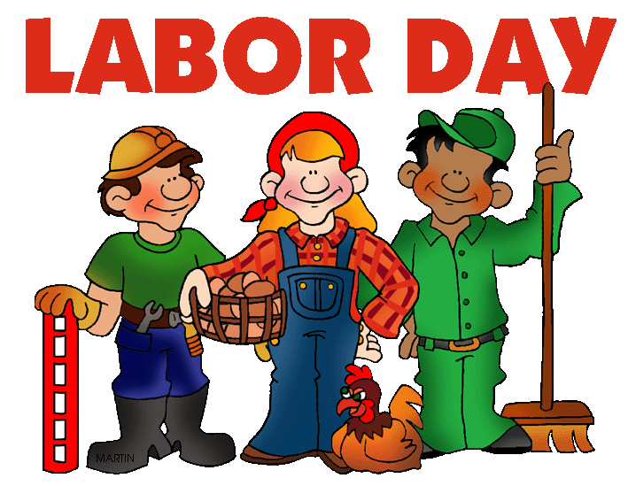
 |  | Chicken | Asian Sesame Chicken | Bacon Cheese Burger | Cheese or Pepperoni
 |  | Soft Taco | Over Rice | On a Bun | Pizza
 |  | Chicken Salad | Chicken Salad | Chicken Salad | Chicken Salad
 |  | Hot Dog on a bun | Hamburger on a bun | Popcorn Chicken | Chicken patty on a bun
 |  | Italian Hoagie | Italian Hoagie | Italian Hoagie | Italian Hoagie
 |  | Pizza Cravable | Pizza Cravable | Pizza Cravable | Pizza Cravable
 |  | Featured Veggies: | Featured Veggies: | Featured Veggies: | Featured Veggies:
 |  | Black Beans | Seasoned Broccoli | Roasted Zucchini | Oven Fries
 |  | Tomatoes Salsa | Carrot Sticks | Caesar Side Salad | Carrot
 |  | Choice of Fruit | Choice of Fruit | Choice of Fruit | Choice of Fruit
 |  | Choice of Milk | Choice of Milk | Choice of Milk | Choice of Milk
 | 8 | 9 | 10 | 11 | 12
 | Panther Club Hoagie | Slow Roasted Seasoned | Pasta w/ Meatballs | Fish | Cheese or Pepperoni
 | Ham turkey and cheese | Pork Taco | Breadstick | Sandwich | Pizza
 | Panther Salad | Panther Salad | Panther Salad | Panther Salad | Panther Salad
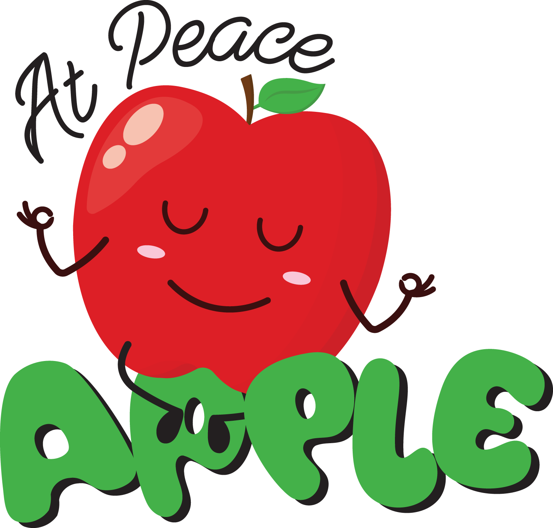
 | Hamburger on a bun | Corn Dog | Chicken Nuggets | Chicken patty on a bun | Chicken Tenders
 | Italian Wrap | Italian Wrap | Italian Wrap | Italian Wrap | Italian Wrap
 | Nacho Craveable | Nacho Craveable | Nacho Craveable | Nacho Craveable | Nacho Craveable
 | Featured Veggies: | Featured Veggies: | Featured Veggies: | Featured Veggies: | Featured Veggies:
 | Grape Tomatoes | Black Beans | Cucumber Salad | Oven Fries | Oven Sweet Potato
 | Tater Tots | Lettuce & Tomato | Seasoned Carrots | Baby Carrots | Greenbeans
 | Choice of Fruit | Choice of Fruit | Choice of Fruit | Choice of Fruit | Choice of Fruit
 | Choice of Milk | Choice of Milk | Choice of Milk | Choice of Milk | Choice of Milk
 | 15 | 16 | 17 | 18 | 19
 | Chicken Drumsticks | Nacho Grande | Panther | French toast Sticks | Cheese or Pepperoni
 |  | Beef | Bowl | sausage links | Pizza
 | Chef Salad | Chef Salad | Chef Salad | Chef Salad | Chef Salad
 | Chicken patty on a bun | Hamburger on a bun | Popcorn Chicken | Hot Dog on a bun | Chicken Nuggets
 | Turkey & Cheese Sandwich | Turkey & Cheese Sandwich | Turkey & Cheese Sandwich | Turkey & Cheese Sandwich | Turkey & Cheese Sandwich
 | Yogurt Craveable | Yogurt Craveable | Yogurt Craveable | Yogurt Craveable | Yogurt Craveable
 | Featured Veggies: | Featured Veggies: | Featured Veggies: | Featured Veggies: | Featured Veggies:
 | Oven Fries | Mexican Corn | Corn | Hashbrown | Cherry Tomatoes
 | Chickpea Salad | Tomato & Onion Salad | Carrots | Celery Sticks | Cucumber Slices
 | Choice of Fruit | Choice of Fruit | Choice of Fruit | Choice of Fruit | Choice of Fruit
Lunch Prices | Choice of Milk | Choice of Milk | Choice of Milk | Choice of Milk | Choice of Milk
Paid lunch 2.70 | 22 | 23 | 24 | 25 | 26
Free and Reduced 0.00 | Chicken | Chicken | Ravoli with Meat Sauce | Pierogies | Cheese or Pepperoni
Adult $5.20 | Ramen | Quesadilla | Garlic Stick | Chicken Salad | Pizza
Ala cart items are priced as marked. | Chicken Salad | Chicken Salad | Chicken Salad | Chicken Tenders | Chicken Salad
Additional meals 5.20 | Chicken Nuggets | Hot Dog on a bun | Hamburger on a bun | Italian Hoagie | Chicken patty on a bun
Sonny Burns | Italian Hoagie | Italian Hoagie | Italian Hoagie | Breadstick Craveable | Italian Hoagie
Food Service Director | Breadstick Craveable | Breadstick Craveable | Breadstick Craveable | Featured Veggies: | Breadstick Craveable
724-325-1977 | Featured Veggies: | Featured Veggies: | Featured Veggies: | Tomatoes | Featured Veggies:
sburns@franklinrgeional.k12.pa.us | Seasoned Broccoli | Black Beans | Chickpea Salad | Grilled Onions | Green Beans
Menu is subject to change do to product availability | Cucumber Slices | Corn | Carrot Sticks | Choice of Fruit | Baby Carrots
USDA is an equal opportunity provider and employer. | Choice of Fruit | Choice of Fruit | Choice of Fruit | Choice of Milk | Choice of Fruit
 | Choice of Milk | Choice of Milk | Choice of Milk |  | Choice of Milk

