MultiGrow Room Analysis
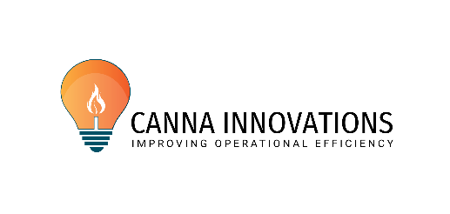

Harvest Station Impact & Payback

Inputs made in this section |  | Package | Equip Only
 | Current harvest time per room (days) | 2.0
 | Total # of Grow Rooms | 8
 | Expected reduction in harvest time | 50% | 25%
 | Typical number of plants/grow room | 420 | <- not used in calc
 | Avg Hourly Rate | $16.00
 | # Employees on harvest | 5
 | After Productivity Improvement - # of Employees Req'd | 4.5
 | Typical flower cycle (days) | 72 | <- include turnover days
 | Typical # harvests/grow rm/yr | 5.1 | 365/ typical flower cycle
 | Typical harvest yield (Saleable lbs) | 60.0 | 2.3 | oz per plant
 | Typical Average Sales Price ($/lb) | 1,000.0

Analysis |  |  | Package | Equipment Only
Current # of days req'd to complete harvest for each grow room |  |  | 2.0 | 2.0
# Days to complete harvest after equipment and/or consulting |  |  | 1.0 | 1.5
Harvest time reduction (days) -typical |  |  | 1.0 | 0.5
Reduction in man-hours per harvest - typical |  |  | 44 | 26
Est'd labor savings (soft) per harvest |  |  | $704 | $416
# of grow rooms |  |  | 8 | 8
Annual # of harvests per grow rm (365/typ flwr cycle) |  |  | 5.1 | 5.1
Additional grow days per grow room per yr |  |  | 5.1 | 2.5
Total additional grow days per year (all grow rooms) |  |  | 40.6 | 20.3
Total annual man-hours saved |  |  | 1,784 | 1,054
Total # of employees reduced |  |  | 0.9 | 0.5
Annual labor savings per grow rm |  |  | $3,569 | $2,109
Total Annual Soft Labor Savings (all harvests and all grow rooms) |  |  | $28,551 | $16,871
Increased revenue annually per grow room |  |  | $4,225 | $2,112
Additional grow room of capacity due to Harvest Station |  |  | 0.6 | 0.3
Total Annual Revenue Impact estimated |  |  | $33,796 | $16,898
Total Annual Financial Impact estimated --------------> |  |  | $62,347 | $33,769
minimum annual financial impact (20% less yield and price) |  |  | $50,181 | $27,686
maximum annual financial impact (20% more yield and price) |  |  | $77,218 | $41,204

 |  |  | MSRP | Payback Months
Harvest Station Package (includes 2 day consult/assessment) |  |  | $12,000 | 2.3
Harvest Station Equipment only |  |  | $8,800 | 3.1

 |  | 2-day consult | $3,200

