A
Note: This is a static file and when the software is installed becomes a dynamic file.
By double clicking the cells highlighted in Yellow brings up the following pop up screens / cost models.
 |  |  |  | Overhead Calculation Cost Breakdown |  |  |  |  |  |  | 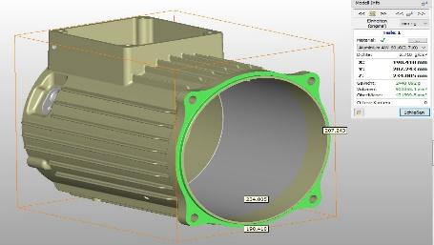
https://d.docs.live.net/4c7d4790709b1d71/WEBSITE PICS/[Diecasting Example_forUserWithoutCALC4XL.xlsx]A |  |  |  |  |  |  |  |  | en | Version 1.01
 | Section 1 |  | Details Buyer Section |  |  |  |  |  | Average | Peak
Quotation No. /Rev |  |  |  |  |  |  |  | Est. Annual Qty | 8,000
Buyer |  |  |  |  |  |  |  | Estimated Lifetime | 7 | years
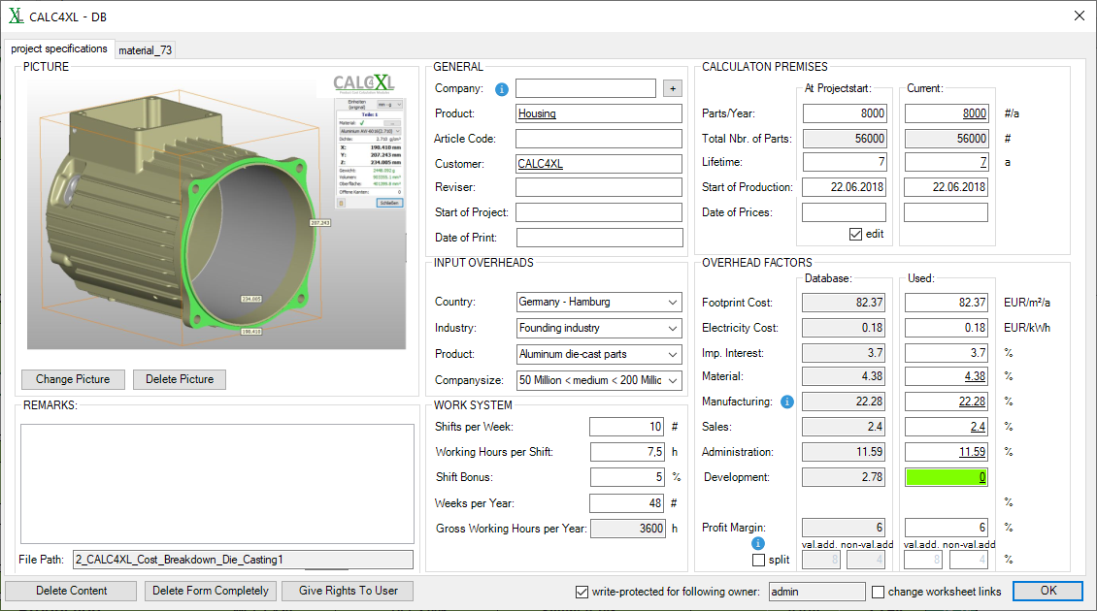
Location |  |  | Munich |  |  |  |  | Start of Production |  |  | Supplier
Currency |  |  | EUR |  | /pc |  |  | PPAP Date |  |  |  | Description | Housing
 |  |  |  |  |  |  |  | FOT Date |  |  |  | Part No.
Additional Information |  |  |  |  |  |  |  |  |  |  | Drawing
 |  |  |  |  |  |  |  |  |  |  | Project/Customer |  | CALC4XL

 | Section 2.1 |  | Raw Material |  |  |  |  |  |  |  |  | 0.000 | 0.092 | 4.682 | 62.3%
 | Description |  |  | Specification |  | UoM | Net Amount | Gross Amount | Qty (optional) | Unit Cost [EUR] | Refund [EUR/UoM] | Frt in [%] | Scrap [%] | Total [EUR/pc]
1 | Aluminium |  |  | AlMgSi |  | kg | 2.5 | 2.7 |  | 1.7 | 0 |  | 2.0% | 4.682 | 62.3%
2 |  |  |  |  |  |  |  |  |  |  |  |  |  | 0.000 | 0.0%
3 |  |  |  |  |  |  |  |  |  |  |  |  |  | 0.000 | 0.0%

 | Section 2.2 |  | Purchased Components (& Outsourced Processes) |  |  |  |  |  |  |  |  | 0.000 | 0.000 | 0.000 | 0.0%
 | Description |  |  | Part Number |  | UoM | Sub-Supplier Name |  | Qty | Unit Cost [EUR] |  | Frt in [%] | Scrap [%] | Total [EUR/pc]
1 |  |  |  |  |  |  |  |  |  |  |  |  |  | 0.000 | 0.0%
2 |  |  |  |  |  |  |  |  |  |  |  |  |  | 0.000 | 0.0%
3 |  |  |  |  |  |  |  |  |  |  |  |  |  | 0.000 | 0.0%

 | Section 2.3 |  | Material & Purchased Components Overhead |  |  |  |  |  |  |  | % of Section 2.1, 2.2 | 1.97 | % | 0.092 | 1.2%

 | Section 2.4 |  | Production |  |  | MC: | 1.409 | DL: | 0.407 | Setup: | 0.207 | 0 | 0.007 | 2.029 | 27.0% | Std Capacity Calculation (for Contract review) |  |  |  |  |  |  |  |  |  | Max Capacity |  |  | Cycle time conversions
 | Process Desciption |  | Maschine Type | Cycle Time [min] | Pcs/cycle (cavities) |  | Machine [EUR/hr] | Operator [EUR/hr] | No. Of Operators | Setup Cost [EUR/batch] | Production Batch Size | Tool Maint. [EUR/part] | Scrap [%] | Total [EUR/pc] |  | Hrs/shift | Shifts/week | Utilization ratio | Setup [hrs] | Setup Loss | Weekly Capacity (pc) | Weeks/year | Annual Capacity (pc) | Calc O.E.E. | Necessary Capacity (%) | Hrs/shift | Shifts/week | Weekly Capacity (pc) | min | SPM | Pcs/min | Pcs/hr | Pcs/hr (incl Eff.)
1 | Die Casting |  | 2600 | 0.93 | 1 |  | 41.86 | 8.42 | 0.5 | 100.56 | 800 |  | 1.0% | 0.847 | 11.3% | 7.5 | 10 | 85% | 2 | 12% | 3,581 | 48 | 171,881 | 74% | 5 |  |  | 0 | 0.93 | 1.08 | 1.08 | 65 | 54.84
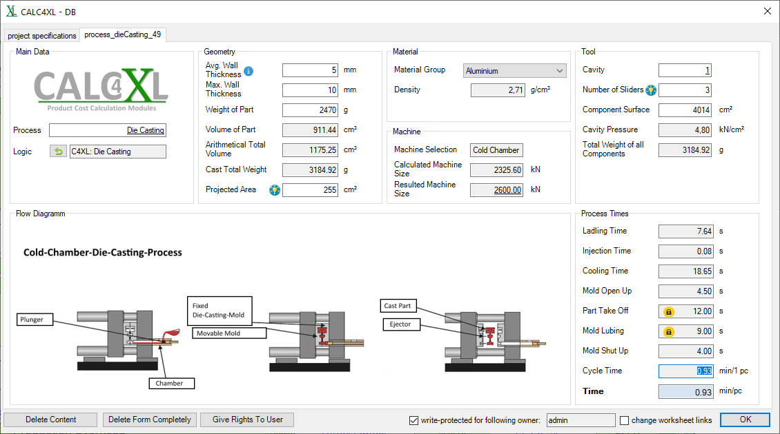
2 | Deburring |  |  | 0.66 | 1 |  | 0.00 | 6.60 | 1 | 0.00 |  |  |  | 0.073 | 1.0% |  |  |  | 0 | 0% | 0 |  | 0 | 0% | 0 |  |  | 0 | 0.66 | 1.52 | 1.52 | 91 | 0.00
3 | Shotblasting |  |  | 1.1 | 13 |  | 27.57 | 7.77 | 2 | 8.84 | 800 |  |  | 0.072 | 1.0% |  |  |  | 0.25 | 0% | 0 |  | 0 | 0% | 0% |  |  | 0 | 0.084615384615 | 0.91 | 11.82 | 709 | 0.00
4 | Machining |  |  | 1.5 | 1 |  | 28.85 | 8.42 | 1 | 55.91 | 800 |  |  | 1.002 | 13.3% |  |  |  | 1.5 | 0% | 0 |  | 0 | 0% | 0% |  |  | 0 | 1.5 | 0.67 | 0.67 | 40 | 0.00
5 | Quality Check and packaging |  |  | 0.33 | 1 |  | 0.00 | 6.60 | 1 | 0.00 |  |  |  | 0.036 | 0.5% |  |  |  |  | 0% | 0 |  | 0 | 0% | 0% |  |  | 0 | 0.33 | 3.03 | 3.03 | 182 | 0.00

 | Section 2.5 |  | Production Overhead |  |  |  |  | Basis | Direct Labour |  | % of DL | 20.53 | % | 0.083 | 1.1%
 | Section 2.6 |  | Scrap (Material & Production) |  |  |  |  |  | Info only: already included in Material & Production Totals |  |  |  |  | 0.099 | 1.3%

 | Total Manufactured Cost (Sections 2.1 - 2.6) |  |  |  |  |  |  |  |  |  |  |  |  | 6.887 | 92%

 | Section 2.7 |  | Other Costs / Overheads & Profits |  |  |  |  |  |  |  |  |  |  | 0.634 | 8%
General Overhead / SG&A |  |  |  |  |  |  |  |  | Basis | Value Added |  | 1.54 % | 7.06 % | 0.181 | 2.4%
Engineering / Design & Developement |  |  |  |  |  |  |  |  | Basis | Value Added |  | 0 | % | 0.000 | 0.0%
 |  |  |  |  |  |  |  |  | Amount [EUR] |  | Quantity |  |  | 0.000 | 0.0%
 |  |  |  |  |  |  |  |  | Amount [EUR] |  | Quantity |  |  | 0.000 | 0.0%
Profit (on Material & Components) |  |  |  |  |  |  |  |  |  |  | % of Material & Purchased Components |  |  | 0.000 | 0.0%
Profit (on Manufacturing) |  |  |  |  |  |  |  |  |  |  | % of Value Added + Overheads |  |  | 0.000 | 0.0%
 |  |  |  |  |  |  |  |  |  |  | % of Manufacturing Cost + Overheads | 6.5 | % | 0.453 | 6.0% | 0
 |  |  |  |  |  |  |  |  | Base Price [EUR/pc] |  |  |  |  | 7.521 | 100% | <-- Part Price without packaging/logistics

 | Section 3 |  | Packaging & Logistics
 |  |  | Length [mm] | Width [mm] | Height [mm] |  | Pcs/box | Box Cost [EUR] | Other Box Cost [EUR] | Boxes /Pallet | Pallet Cost [EUR] |  |  | Total [EUR/pc] |  | No. of Loops | Parts/Pallet | Part Wgt [g] | Empty Box [g] | Full Box [kg] | Pallet [kg] | Pallet/week
 | one-way |  |  |  |  |  |  |  |  | 1 |  |  |  | 0.000 | 0.0% |  | 0 | 2500 |  | 0.0 | 15 | 0.0
 | returnable |  | 1200 | 1000 | 700 |  | 46 | 80 | 0 | 1 | 0 |  |  | 0.035 | 0.5% | 50 | 46 |  |  | 115.0 | 130 | 3.6
 |  |  |  |  |  |  |  |  | Base Price with packaging |  |  | returnable |  | 7.556 |  | <-- Part Price with specified packaging
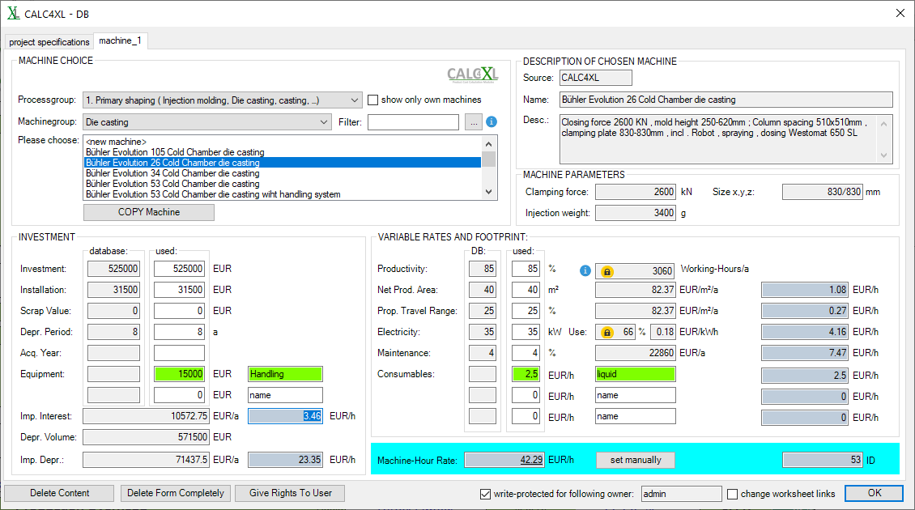
 |  | Incoterm | Location |  | Transport [EUR/pallet] |  | Handling [EUR/box] | Taxes [EUR/pc] | Duties [EUR/pc] | Packaging Type | Pallet Stackability | Return Freight |  | Total [EUR/pc]
1 | Munich | DDP | Hamburg |  | 40 |  |  |  |  | returnable | 2-high |  |  | 0.870 | 11.6% | <-- Primary option for quotations
2 | 0 |  |  |  |  |  |  |  |  | none |  |  |  | 0.000 | 0.0%
3 | 0 |  |  |  |  |  |  |  |  | none |  |  |  | 0.000 | 0.0%

Supplier Reference |  |  |  |  | Date |  |  |  | Cost Breakdown Pricing Summary |  |  |  |  | EUR/pc |  | <-- Part Price including packaging/logistics
 |  |  |  | Prepared by |  |  |  |  | DDP Hamburg, returnable packaging |  |  |  |  | 8.425 |  | <-- Primary option for quotations
 |  |  |  |  |  |  |  |  |  |  |  |  |  | 0.000
 |  |  |  |  |  |  |  |  |  |  |  |  |  | 0.000

 | Section 4 |  | Investment / Tooling |  |  |  |  |  |  |  |  | EUR |  | 85,000
 | Description |  |  |  | Qty | Pcs/cycle (cavities) | Lead Time [weeks] | FOT [weeks] | Warranty [parts] | Tool Cap. | Maschine Cap. [/week] | Max. Capacity [p.A.] |  | Tool Cost [EUR]
1 | Injection molding tool 1 Cavity |  |  |  | 1 |  |  | 20 | 150,000 |  |  |  |  | 85,000
2
3

 | Section 5 |  | Productivity & Commercial Terms
 | Payment terms |  |  |  |  | Standard
 | Tool payment terms |  |  |  |  | Standard
 | Spare part pricing at serial price after EoP |  |  |  |  | 5 |  | years |  |  | Munich DDP | 0
 | Overall committed capacity |  |  | [/week]
 |  |  |  | [/year] |  |  |  |  | Base Price | w/ Packaging | w/ Logistics | w/ Logistics |  | w/ Logistics
 |  |  |  |  |  |  |  |  | [EUR/pc] | [EUR/pc] | [EUR/pc] | [EUR/pc] |  | [EUR/pc]
 |  |  |  |  |  | Year |  | Prod. Red | 7.521 | 7.556 | 8.425 | 0.000 |  | 0.000
 | Pricing acc. to breakdown |  |  | SoP |  |  |  |  | 7.521 | 7.556 | 8.425 | 0.000 |  | 0.000
 | Negotiated offer pricing |  |  | Year 2 |  | 2018-06-30 |  | 3.0% | 7.295 | 7.329 | 8.172 | 0.000 |  | 0.000
 |  |  |  | Year 3 |  | 2019-06-30 |  | 1.0% | 7.222 | 7.256 | 8.091 | 0.000 |  | 0.000
 |  |  |  | Year 4 |  | 2020-06-30 |  | 1.0% | 7.150 | 7.183 | 8.010 | 0.000 |  | 0.000
 |  |  |  | Year 5 |  | 2021-06-30 |  |  | 7.150 | 7.183 | 8.010 | 0.000 |  | 0.000

 | Tooling acc. to breakdown (Section 4) |  |  |  |  |  |  | EUR | 85,000
 | Negotiated tooling amount |  |  |  |  |  |  | EUR | 85,000
 | Additional (one time payment) |  |  |  |  |  |  | EUR |  |  |  |  |  |  |  | <-- Enter as positive number

 | Total [EUR] |  |  |  |  | Lifetime 5 yrs |  | EUR | 375,708 | 377,053 | 410,664 | 0 |  | 0 |  | <-- Max lifetime limited to 5 years
 | Additional comments/benefits if sourced

 |  |  |  |  | Pricing Overview: Housing () |  |  |  |  |  | EUR
 |  |  |  |  | Direct Material |  |  |  |  |  | 4.682 | 62.3%
 |  |  |  |  | Material |  |  |  |  |  | 4.590 | 61.0%
 |  |  |  |  | Purchased Parts |  |  |  |  |  | 0.000 | 0.0%
 |  |  |  |  | Material OH |  |  |  |  |  | 0.092 | 1.2%
 |  |  |  |  | Production Cost |  |  |  |  |  | 2.106 | 28.0%
 |  |  |  |  | Machine Cost |  |  |  |  |  | 1.409 | 18.7%
 |  |  |  |  | Direct Labour |  |  |  |  |  | 0.407 | 5.4%
 |  |  |  |  | Production OH |  |  |  |  |  | 0.083 | 1.1%
 |  |  |  |  | Setup Costs |  |  |  |  |  | 0.207 | 2.7%
 |  |  |  |  | Tooling Costs |  |  |  |  |  | 0.000 | 0.0%
 |  |  |  |  | Scrap Costs |  |  |  |  |  | 0.099 | 1.3%
 |  |  |  |  | Overheads (SG&A;Eng) |  |  |  |  |  | 0.181 | 2.4% |  |  |  | <- 32% Contribution Margin
 |  |  |  |  | Special Costs |  |  |  |  |  | 0.000 | 0.0% |  |  |  | <- 8% Gross Margin
 |  |  |  |  | Profit |  |  |  |  |  | 0.453 | 6.0%
 |  |  |  |  | Pricing acc. to breakdown |  |  |  |  |  | 7.521 | 100%
 |  |  |  |  | Packaging (returnable) |  |  |  |  |  | 0.035
 |  |  |  |  | Logistics (DDP Hamburg) |  |  |  |  |  | 0.870
 |  |  |  |  | Final Price (DDP Hamburg, returnable packaging) |  |  |  |  |  | 8.425

