Expo Entry
Winter EXPO 2026
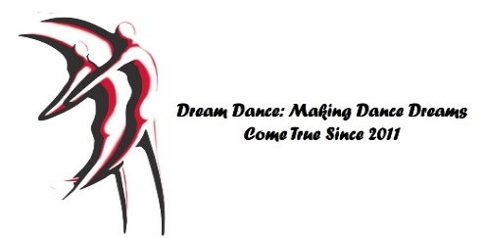
Saturday, Jan 31, 2026 |  | NC | BZ1 | Bz2 | SV1 | SV2 | Gold | # | Total
 | AMERICAN SMOOTH
Sunday Feb 1, 2026 | Waltz
 | Tango
Studio Name: | Viennese Waltz
 | Waltz
Leader | INT'L STANDARD SMOOTH
 | Waltz
Teacher or Student (circle one) Adult or JR (Circle one) | Tango
 | Viennese Waltz
Follower | Foxtrot
 | Quick Step
Teacher or Student (circle one) Adult or JR (Circle one) | AMERICAN RHYTHM
 | Cha Cha
Instructor | Samba
 | Rumba
 | East Coast Swing
 | Single Time Swing
 | Bolero
 | Mambo
 | Night Club 2 Step
 | West Coast Swing
 | Salsa
 | Argentine Tango
 | Bachata
 | INTERNATIONAL LATIN
 | Cha Cha
 | Samba
 | Rumba
 | Paso
 | Jive
 | COUNTRY
 | Progressive 2 Step
 | West Coast Swing
 | East Coast Swing
 | Waltz
 | Cha Cha
 | Polka
 | Rhythym 2 Step
 | Night Club 2 Step
 | Triple 2 Step
 | SOLO PRESENTATION: $50 |  | One Solo per Studen 2 minute max
 | Total Entry fee BALANCE DUE NLT Jan 2:
 | Deadline Jan 2 Email Form to frontdesk@dreamdancetucson.com

