Sheet1
 | 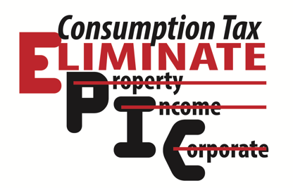 |  |  | EPIC REFORM = EPIC SAVINGS

 |  |  |  | What Do You Pay Annually Now? |  |  |  |  | Under EPIC Reform you will pay:
 |  |  |  | A. Property Taxes |  |  | $0 |  | Property Taxes | $0
 |  |  |  | B. State Income Tax |  |  | $0 |  | Income Taxes | $0
 |  |  |  | C. Pers. Property |  |  | $0 |  | Pers. Property | $0
 |  |  |  | D. Sales Tax |  | (2% of take-home) | $0 |  | Sales Tax | $0
 |  |  |  | E. Vehicle |  |  | $0 |  | Vehicle | $0
 |  |  |  |  |  |  |  |  | F. Consumption Tax | $0
 |  |  |  | Total Current Taxes |  |  | $0 |  | Total EPIC Tax | $0
 |  |  |  |  | Estimated Annual savings |  |  |  | $0
 |  |  |  |  | Estimated Ten Year Savings |  |  |  | $0

 |  | FORMULAS:
 |  | A. Total Real estate taxes on your home, business property, farmland, or ranchland
 |  | B. Individual state income tax + corporate income tax paid last year
 |  | C. Taxes paid on equipment
 |  | D. Taxes paid on restaurant dining, new or used homes, new or used vehicles or equipment, new or used furniture - clothes - household items, etc.
 |  | E. Wheel tax, or _________________
 |  | F. Consumption tax will be paid on retail services and new products like new clothes, household items, legal work like family wills, accounting work for your famiy barbering services,
 |  | insurance premiums, hair dressing and tatooing, etc. Estimate your total here: $_____________ X .02 = $__________
 |  |  | Insert the amount of sales tax paid at letter (D) which is now Consumption Tax = $__________
 |  |  | Add thes two columns for your Total estimated EPIC Consumption Tax |  |  |  |  | $__________

Please contact Rob Rohrbough for questions:
President, Consumption Tax Institute, Inc.
402-639-8286 - cell
EPICConsumptionTax@gmail.com
5062 S. 108th Street
Suite 247
Omaha, NE 68137

