Inputs
FWC Version 02/07/08
Don't change anything in this text box!

Northpoint Contact: | Ron Angel |  | Optional E-mail Address: | Loan Loss Reserve: | 0.5 |  |  |  |  |  | 2007-04-01
Your Title | Program Representative |  | rangell@northpointcredit.com |  |  |  |  |  |  |  | 3/6/19
Your Phone Number | (877) 227-6842 or 515-608-8519 Direct |  |  | based on VGM Rates 02/06/2008
Your Fax Number | (888) 678-1249 |  |  | Term | FMV ≤ 150,000 | FMV ≥ $150M | $1 ≤ 150,000 | $1 ≥ $150,000 | 10% PUT | 10% w/ Comm
Customer: Salutation |  |  |  | 36 | 0.028530 | 0.02800 | 0.031870 | 0.03092
Customer: Contact Name |  |  |  | 48 | 0.022000 | 0.02260 | 0.024930 | 0.02411
Customer: Contact Last Name |  |  |  | 60 | 0.019790 | 0.01907 | 0.020790 | 0.02009
Customer Business Name:
Customer: Address
Customer: City
Customer: State
Customer: Zip Code
Vendor/Seller Name: | Total Finishing Solutions, LLC
Vendor/Seller Contact: | Ty Crowder |  |  |  |  |  |  |  |  |  | Lease Type | FMV |  |  | $1 PO |  |  | 10 % PO
 |  |  |  |  |  |  |  |  |  |  | Points / Term | 36 | 48 | 60 | 36 | 48 | 60 | 36 | 48 | 60
Transaction Amount (under $150,000) |  | must contain "0" or equipment value under 150,000 |  |  |  |  |  |  |  |  | 1 | 0.02800 | 0.02260 | 0.01907 | 0.03092 | 0.02411 | 0.02009 | 0.00000 | 0.00000 | 0.00000
Transaction Amount (over $150,000) |  | must contain "0" or equipment value over 150,000 |  |  |  |  |  |  |  |  |  | 0.02800 | 0.02260 | 0.01907 | 0.03092 | 0.02411 | 0.02009 | 0.00000 | 0.00000 | 0.00000
Equipment Description:

Please call Ron Angel for special terms or lease structure requests at 515-608-8519 Mobile

Cover Letter
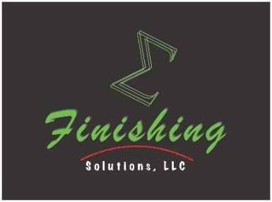

TotalFinishingSolutions.com

2019-03-06 20:50:31

0
0
,

Dear Mr. :
Welcome to Northpoint Commercial Credit, LLC, a provider of competitive equipment financing solutions to industrial organizations throughout the U.S. We look forward to assisting your organization with its Total Finishing Solutions equipment acquisition. Our flexible, low-payment financing options will help maximize the equipment ROI, while minimizing out-of-pocket expenses associated with this purchase. As a trusted financing partner, we work hard to ensure that your investment in this Total Finishing Solutions equipment package is handled in a comprehensive and streamlined manner, saving both time and money. Some additional benefits of financing your equipment with Northpoint are as follows:
Grow Business Capital. Financing allows for the purchase of equipment and technology you need today while spreading your payments over time. This allows your business to retain excess cash, which builds business equity.
Utilize the Best Technology. A key to running a successful business requires talented personnel and high-performing technology. To remain competitive in today's marketplace, businesses must take advantage of the best technology.
Preserve Business Credit Lines. Our Equipment Financing provides your business of division with a new source of credit for your needs today and tomorrow, while keeping bank lines open for other working capital needs.
Improve Cash Flow. The number one reason businesses finance equipment is to maximize monthly and annual cash flow. Cash flow if vital to successful and profitable growth and our Rental options will help your business succeed.
Comprehensive Funding Solutions. Beyond equipment financing, Northpoint is able to assist with working capital, debt consolidation loans, commercial real estate mortgages, and acquisition or expansion financing in amounts up to $5,000,000. We are committed to making sure our customers have the capital and resources they need to succeed.

Sincerely,

Ron Angel | Ty Crowder
Ron Angel | Ty Crowder
Northpoint Commercial Credit, LLC | Total Finishing Solutions, LLC

Northpoint Commercial Credit, LLC
6456 Wayzata Blvd Suite 760
Minneapolis, MN 55426
(877) 227-6842 or 952.358.2526

Proposal App
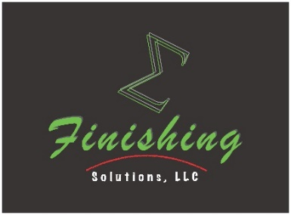


TotalFinishingSolutions.com

EQUIPMENT FINANCING PROPOSAL
presented to:

0
0
,

EQUIPMENT VALUE: $0.00
0
Provided by Total Finishing Solutions, LLC

 | Financing Term: | 36 Months | 48 Months | 60 Months

 | FMV Buyout | $0.00 | $0.00 | $0.00
 | $1.00 Buyout | $0.00 | $0.00 | $0.00

 | The above payment quotes are indicative of average customer credit profiles. Those applicants with significantly stronger
 | or weaker credit worthiness may see the appropriate adjustments in their final approved terms. These payment quotes
 | are subject to approval and may change without notice based underlying marketing conditions, including interest rate fluctucations.
Please complete Credit Application below:
US Citizen? (Yes) or (No) please circle
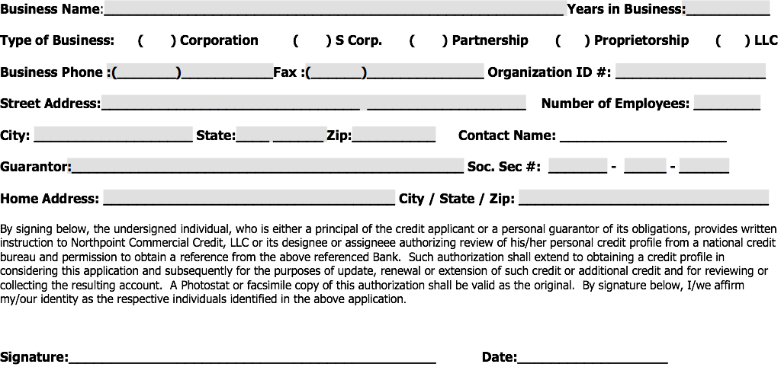

Please Fax to (888) 678-1249
Call us at (877) 227-6842 or 515-608-8519 Direct

rangell@northpointcredit.com

Expires: 4/5/2019

