Simplified
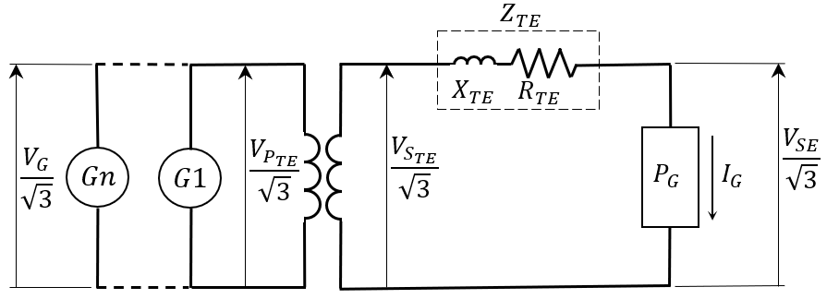
 |  |  |  |  | Informations
 |  |  |  |  | 1- Filling in all data is mandatory; 2- In the absence of information about the rated resistance of the transformer, consider the resistance of 1%; 3- The impedance and resistance of the transformer must be referred to the reported nominal power; 4- The correctness of the result depends on the correctness of the input data;

SYSTEM DATA
Generation, Substation and Step-up Transformer Data | VPTEn | Rated Primary Voltage of Transformer (kV) |  |  | DOCUMENTOS DE REFERÊNCIA
 | VSTEn | Rated Secondary Voltage of Transformer (kV) |  |  | TE.EL.SA.CA.03. Hydroelectric Power Plant - Generation Voltage Calculation
 | PTEn | Rated Power of Transformer (MVA)
 | Zn | Rated Transformer Impedance (%)
 | Rn | Rated Resistance of Transformer (%)
 | k | Secondary Used Tap Voltage (pu)
 | PG | Total Power Passing Through the Transformer (MVA)
 | FP | Total Generation Power Factor
 | VGn | Rated Generation Voltage (kV)
 | VSE | Voltage at the Associated Substation (kV)
 |  |  | VG (kV) | #DIV/0!
 |  |  | VG (%VGn) | #DIV/0!

 |  | #DIV/0!

 |  | #DIV/0!

 |  | 1.5707963268

