Resy
Sold Comps - 8 Bloomfelde Road, N8 1AA
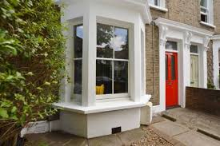
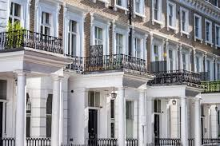
18a Henrietta Road |  |  |  |  | 65 Depot View Road
Sold = | 27-Aug-26 | Comparable No. | 1 |  | Sold = | 1-Dec-25 | Comparable No. | 7
Price = | £385,000 |  |  |  | Price = | £385,000
Adjustment = | 105.00% |  |  |  | Adjustment = | 110.00%
Area (NIA) = | 65.00 sqm | 700 sq.ft |  |  | Area (NIA) = | 57.00 sqm | 614 sq.ft
EPC Area = |  |  |  |  | EPC Area = | 55.00 sqm
Price = | £6,219 /sq.m | £578 /sq.ft |  |  | Price = | £7,430 /sq.m | £690 /sq.ft

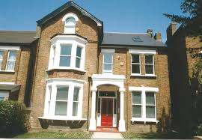
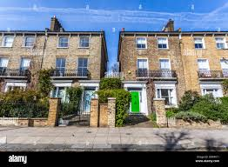
5 Topple Street |  |  |  |  | 52 Rivertree Street
Sold = | 2-May-25 | Comparable No. | 2 |  | Sold = | 25-Feb-26 | Comparable No. | 8
Price = | £385,000 |  |  |  | Price = | £385,000
Adjustment = | 97.50% |  |  |  | Adjustment = | 90.00%
Area (NIA) = | 52.00 sqm | 560 sq.ft |  |  | Area (NIA) = | 50.00 sqm | 538 sq.ft
EPC Area = |  |  |  |  | EPC Area =
Price = | £7,219 /sq.m | £671 /sq.ft |  |  | Price = | £6,930 /sq.m | £644 /sq.ft

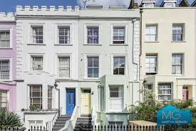
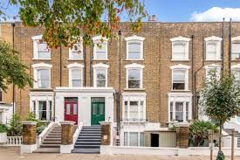
87 High Road |  |  |  |  | 5a Prices Park Road
Sold = | 27-Jan-26 | Comparable No. | 3 |  | Sold = | 6-Jun-25 | Comparable No. | 9
Price = | £350,000 |  |  |  | Price = | £385,000
Adjustment = | 102.50% |  |  |  | Adjustment = | 95.00%
Area (NIA) = | 61.00 sqm | 657 sq.ft |  |  | Area (NIA) = | 57.00 sqm | 614 sq.ft
EPC Area = | 65.00 sqm |  |  |  | EPC Area = | 53.00 sqm
Price = | £5,881 /sq.m | £546 /sq.ft |  |  | Price = | £6,417 /sq.m | £596 /sq.ft

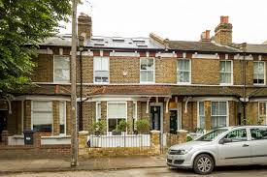
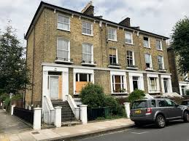
55 West Street |  |  |  |  | 85 Bloomfield Road
Sold = | 18-Apr-25 | Comparable No. | 4 |  | Sold = | 3-Mar-25 | Comparable No. | 10
Price = | £405,000 |  |  |  | Price = | £395,000
Adjustment = | 95.00% |  |  |  | Adjustment = | 90.00%
Area (NIA) = | 56.00 sqm | 603 sq.ft |  |  | Area (NIA) = | 49.00 sqm | 527 sq.ft
EPC Area = | 65.00 sqm |  |  |  | EPC Area =
Price = | £6,871 /sq.m | £638 /sq.ft |  |  | Price = | £7,255 /sq.m | £674 /sq.ft

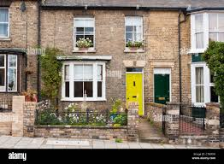
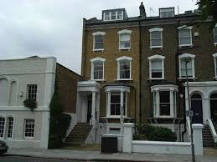
99 Upper Fall Road |  |  |  |  | 17c Cross Key Road
Sold = | 4-Dec-24 | Comparable No. | 5 |  | Sold = | 18-Nov-25 | Comparable No. | 11
Price = | £350,000 |  |  |  | Price = | £325,000
Adjustment = | 102.50% |  |  |  | Adjustment = | 100.00%
Area (NIA) = | 52.00 sqm | 560 sq.ft |  |  | Area (NIA) = | 69.00 sqm | 743 sq.ft
EPC Area = |  |  |  |  | EPC Area =
Price = | £6,899 /sq.m | £641 /sq.ft |  |  | Price = | £4,710 /sq.m | £438 /sq.ft

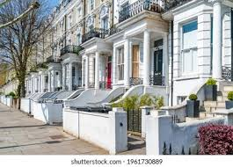
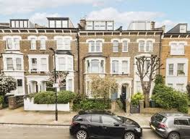
6b Park View Road |  |  |  |  | 84 Upper Park Road
Sold = | 26-Oct-25 | Comparable No. | 6 |  | Sold = | 21-Sep-25 | Comparable No. | 12
Price = | £305,000 |  |  |  | Price = | £375,000
Adjustment = | 105.00% |  |  |  | Adjustment = | 90.00%
Area (NIA) = | 55.00 sqm | 592 sq.ft |  |  | Area (NIA) = | 60.00 sqm | 646 sq.ft
EPC Area = | 57.00 sqm |  |  |  | EPC Area =
Price = | £5,823 /sq.m | £541 /sq.ft |  |  | Price = | £5,625 /sq.m | £523 /sq.ft

 |  |  |  |  | Cost = | £7,430 /sq.m | Max
 |  |  |  |  | Cost = | £6,440 /sq.m | Av
 |  |  |  |  | Cost = | £4,710 /sq.m | Min
 |  |  |  |  | Cost = | £690 /sq.ft | Max | 115%
 |  |  |  |  | Cost = | £598 /sq.ft | Av | 100%
 |  |  |  |  | Cost = | £438 /sq.ft | Min | 73%
 |  |  |  |  | Area = | 69 sqm | Max | 121%
 |  |  |  |  | Area = | 57 sqm | Av | 100%
 |  |  |  |  | Area = | 49 sqm | Min | 86%

Sold Comparables: Size Corelation - £/sq.ft
Sold Comps - 8 Bloomfelde Road, N8 1AA
18a Henrietta Road | 65 sqm | £578 /sq.ft
5 Topple Street | 52 sqm | £671 /sq.ft
87 High Road | 61 sqm | £546 /sq.ft
55 West Street | 56 sqm | £638 /sq.ft
99 Upper Fall Road | 52 sqm | £641 /sq.ft
6b Park View Road | 55 sqm | £541 /sq.ft
65 Depot View Road | 57 sqm | £690 /sq.ft
52 Rivertree Street | 50 sqm | £644 /sq.ft
5a Prices Park Road | 57 sqm | £596 /sq.ft
85 Bloomfield Road | 49 sqm | £674 /sq.ft
17c Cross Key Road | 69 sqm | £438 /sq.ft
84 Upper Park Road | 60 sqm | £523 /sq.ft
Max = | 69 sqm | £690 /sq.ft | 115%
Average = | 57 sqm | £598 /sq.ft | 100%
Min = | 49 sqm | £438 /sq.ft | 73%

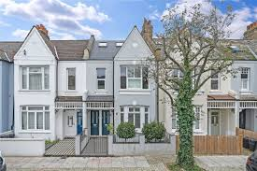
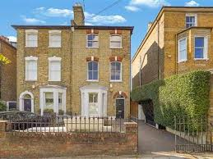
For Sale Comps - 8 Bloomfelde Road, N8 1AA
14 Park Place |  |  |  |  | 24 Blomfield Rd
Price = | £305,000 | Comparable No. | 1 |  | Price = | £275,000 | Comparable No. | 7
Area = | 51.00 sqm | 549 sq.ft |  |  | Area = | 47.00 sqm | 506 sq.ft
Cost = | £5,980 /sq.m | £556 /sq.ft |  |  | Cost = | £5,851 /sq.m | £544 /sq.ft
Distance = | 0.50 miles |  |  |  | Distance = | 0.25 miles

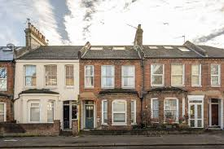
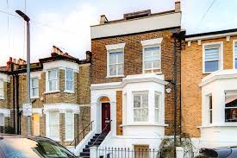
26 Warwick Ave |  |  |  |  | 27 Warwick Ave
Price = | £305,000 | Comparable No. | 2 |  | Price = | £285,000 | Comparable No. | 8
Area = | 55.00 sqm | 592 sq.ft |  |  | Area = | 45.00 sqm | 484 sq.ft
Cost = | £5,545 /sq.m | £515 /sq.ft |  |  | Cost = | £6,333 /sq.m | £588 /sq.ft
Distance = | 0.80 miles |  |  |  | Distance = | 0.40 miles

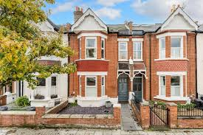
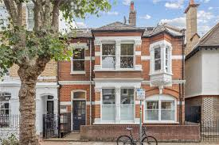
22 Warwick Ave |  |  |  |  | 56 Blomfield Rd
For Sale | £295,000 | Comparable No. | 3 |  | For Sale | £295,000 | Comparable No. | 9
Area = | 58.00 sqm | 624 sq.ft |  |  | Area = | 46.00 sqm | 495 sq.ft
Cost = | £5,086 /sq.m | £473 /sq.ft |  |  | Cost = | £6,413 /sq.m | £596 /sq.ft
Distance = | 0.10 miles |  |  |  | Distance = | 0.75 miles

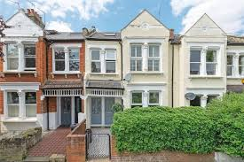
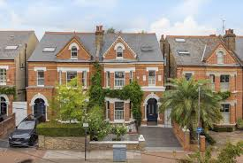
44 High Road |  |  |  |  | 54 Park View
For Sale | £315,000 | Comparable No. | 4 |  | For Sale | £307,000 | Comparable No. | 10
Area = | 57.00 sqm | 614 sq.ft |  |  | Area = | 59.00 sqm | 635 sq.ft
Cost = | £5,526 /sq.m | £513 /sq.ft |  |  | Cost = | £5,203 /sq.m | £483 /sq.ft
Distance = | 0.30 miles |  |  |  | Distance = | 0.25 miles

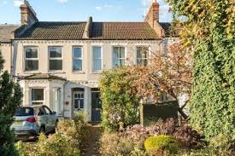
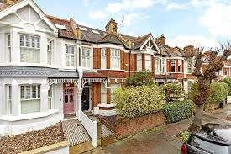
Barnet Way |  |  |  |  | Waterloo Road
For Sale | £265,000 | Comparable No. | 5 |  | For Sale | £299,000 | Comparable No. | 11
Area = | 49.00 sqm | 527 sq.ft |  |  | Area = | 54.00 sqm | 581 sq.ft
Cost = | £5,408 /sq.m | £502 /sq.ft |  |  | Cost = | £5,537 /sq.m | £514 /sq.ft
Distance = | 0.20 miles |  |  |  | Distance = | 0.60 miles

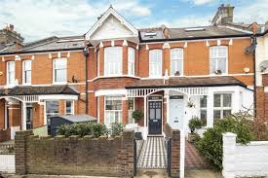
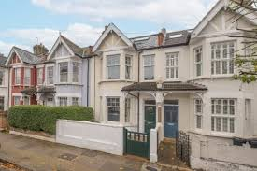
Northfields Way |  |  |  |  | Southfield Ave
For Sale | £288,000 | Comparable No. | 6 |  | For Sale | £305,000 | Comparable No. | 12
Area = | 62.00 sqm | 667 sq.ft |  |  | Area = | 61.00 sqm | 657 sq.ft
Cost = | £4,645 /sq.m | £432 /sq.ft |  |  | Cost = | £5,000 /sq.m | £465 /sq.ft
Distance = | 0.50 miles |  |  |  | Distance = | 0.50 miles

 |  |  |  |  | Cost = | £6,413 /sq.m | Max
 |  |  |  |  | Cost = | £5,544 /sq.m | Av
 |  |  |  |  | Cost = | £4,645 /sq.m | Min
 |  |  |  |  | Cost = | £596 /sq.m | Max | 116%
 |  |  |  |  | Cost = | £515 /sq.m | Av | 100%
 |  |  |  |  | Cost = | £432 /sq.m | Min | 84%
 |  |  |  |  | Area = | 62 sqm | Max | 116%
 |  |  |  |  | Area = | 54 sqm | Av | 100%
 |  |  |  |  | Area = | 45 sqm | Min | 84%

For Sale Comps - 8 Bloomfelde Road, N8 1AA
14 Park Place | 51 sqm | £556 /sq.ft
26 Warwick Ave | 55 sqm | £515 /sq.ft
22 Warwick Ave | 58 sqm | £473 /sq.ft
44 High Road | 57 sqm | £513 /sq.ft
Barnet Way | 49 sqm | £502 /sq.ft
Northfields Way | 62 sqm | £432 /sq.ft
24 Blomfield Rd | 47 sqm | £544 /sq.ft
27 Warwick Ave | 45 sqm | £588 /sq.ft
56 Blomfield Rd | 46 sqm | £596 /sq.ft
54 Park View | 59 sqm | £483 /sq.ft
Waterloo Road | 54 sqm | £514 /sq.ft
Southfield Ave | 61 sqm | £465 /sq.ft
Max = | 62 sqm | £596 /sq.ft | 116%
Average = | 54 sqm | £515 /sq.ft | 100%
Min = | 45 sqm | £432 /sq.ft | 84%

 | Size | 605 sq.ft | 53.40 sqm | 56.21 sqm | 59.02 sqm
 | Price | £515 /sq.ft |  | Average
 |  | £311,575 | 575 sq.ft | 605 sq.ft | 635 sq.ft | 5.00%
93.9% | £292,531 | £484 /sq.ft | £277,905 | £292,531 | £307,158
94.8% | £295,252 | £488 /sq.ft | £280,489 | £295,252 | £310,014
95.6% | £297,972 | £493 /sq.ft | £283,074 | £297,972 | £312,871
96.5% | £300,693 | £497 /sq.ft | £285,658 | £300,693 | £315,728
97.4% | £303,413 | £502 /sq.ft | £288,243 | £303,413 | £318,584
98.3% | £306,134 | £506 /sq.ft | £290,827 | £306,134 | £321,441
99.1% | £308,854 | £511 /sq.ft | £293,412 | £308,854 | £324,297
100% | £311,575 | £515 /sq.ft | £295,996 | £311,575 | £327,154
100.9% | £314,296 | £519 /sq.ft | £298,581 | £314,296 | £330,010
101.7% | £317,016 | £524 /sq.ft | £301,165 | £317,016 | £332,867
102.6% | £319,737 | £528 /sq.ft | £303,750 | £319,737 | £335,723
103.5% | £322,457 | £533 /sq.ft | £306,334 | £322,457 | £338,580
104.4% | £325,178 | £537 /sq.ft | £308,919 | £325,178 | £341,436
105.2% | £327,898 | £542 /sq.ft | £311,503 | £327,898 | £344,293
106.1% | £330,619 | £546 /sq.ft | £314,088 | £330,619 | £347,150
0.87%

Sold Comps: Size Corelation - £/sq.ft
57.00 sqm | £690 /sq.ft
69.00 sqm | £438 /sq.ft
55.00 sqm | £541 /sq.ft
60.00 sqm | £523 /sq.ft
65.00 sqm | £578 /sq.ft
57.00 sqm | £596 /sq.ft
52.00 sqm | £671 /sq.ft
56.00 sqm | £638 /sq.ft
49.00 sqm | £674 /sq.ft
50.00 sqm | £644 /sq.ft
61.00 sqm | £546 /sq.ft
52.00 sqm | £641 /sq.ft
60.00 sqm | £523 /sq.ft
Date | Price | Area-sqm
1-Jan-26
1-Dec-25 | £690 /sq.ft | 57.00 sqm
1-Nov-25 | £438 /sq.ft | 69.00 sqm
1-Oct-25 | £541 /sq.ft | 55.00 sqm
1-Sep-25 | £523 /sq.ft | 60.00 sqm
1-Aug-25 | £578 /sq.ft | 65.00 sqm
1-Jul-25
1-Jun-25 | £596 /sq.ft | 57.00 sqm
1-May-25 | £671 /sq.ft | 52.00 sqm
1-Apr-25 | £638 /sq.ft | 56.00 sqm
1-Mar-25 | £674 /sq.ft | 49.00 sqm
1-Feb-25 | £644 /sq.ft | 50.00 sqm
1-Jan-25 | £546 /sq.ft | 61.00 sqm
1-Dec-24 | £641 /sq.ft | 52.00 sqm
1-Nov-24
1-Oct-24
1-Sep-24
1-Aug-24
1-Jul-24
1-Jun-24
1-May-24
1-Apr-24
1-Mar-24 | £523 /sq.ft | 60.00 sqm
1-Feb-24
Max | £690 /sq.ft | 69.00 sqm
Av | £592 /sq.ft | 57.15 sqm
Min | £438 /sq.ft | 49.00 sqm

