Doubles SO Scratch Round Robin
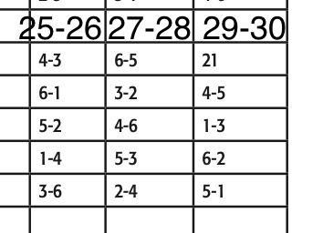
 |  |  |  |  |  |  | Round Robin Match Play |  |  |  |  |  |  |  |  |  |  |  |  | Schedule
Seed |  | Wins | Qual Total | Game 1 | BP | Game 2 | BP | Game 3 | BP | Game 4 | BP | Game 5 | BP | Pos Round | BP | Scratch | BP | Total | Award | 2025-03-04 | 2025-05-06 | 2025-07-08
2 | Toph/Schwartz | 5 | 2558 | 192 | 0 | 249 | 30 | 202 | 30 | 218 | 30 | 195 | 30 | 233 | 30 | 3847 | 150 | 3997 | $700
1 | Dysland/Medina | 4 | 2603 | 258 | 30 | 149 | 0 | 248 | 30 | 235 | 30 | 209 | 30 | 155 | 0 | 3857 | 120 | 3977 | $500
3 | Williams/Biondo | 2 | 2557 | 184 | 30 | 187 | 0 | 202 | 0 | 168 | 0 | 168 | 0 | 235 | 30 | 3701 | 60 | 3761 | $300
6 | Roberts/Reid | 3 | 2428 | 160 | 30 | 223 | 30 | 184 | 0 | 182 | 0 | 202 | 30 | 211 | 0 | 3590 | 90 | 3680 | $250
5 | Gabrielse/Claussen | 2 | 2445 | 154 | 0 | 156 | 0 | 181 | 0 | 246 | 30 | 204 | 0 | 178 | 30 | 3564 | 60 | 3624 | $200
4 | Laurinas/Blonski | 2 | 2467 | 135 | 0 | 192 | 30 | 231 | 30 | 169 | 0 | 183 | 0 | 147 | 0 | 3524 | 60 | 3584 | $150
 |  |  |  | 180.5 |  | 192.6666667 |  | 208 |  | 203 |  | 193.5 |  | 193.1666667

