Round Robin Matchplay
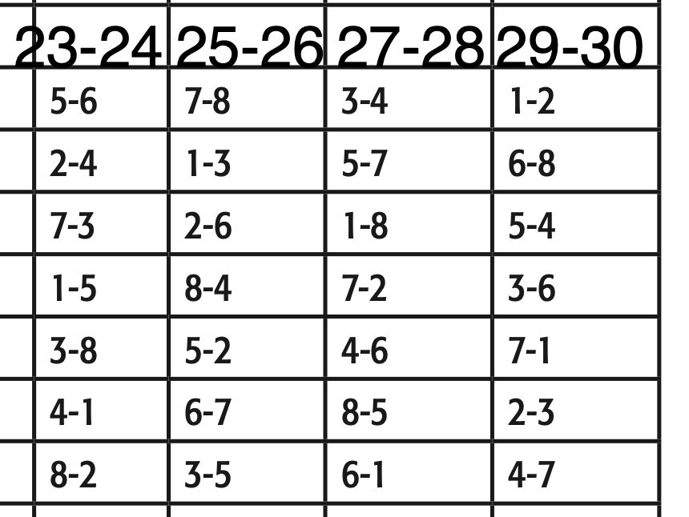
 |  |  |  |  |  |  | Round Robin Match Play |  |  |  |  |  |  |  |  |  |  |  |  |  |  |  |  | Schedule
Seed |  | Wins | Qual Total | Game 1 | BP | Game 2 | BP | Game 3 | BP | Game 4 | BP | Game 5 | BP | Game 6 | BP | Game 7 | BP | Pos Round | BP | Scratch | BP | Total | Award
3 | Robert Vater Landin Jordan | 7 | 2599 | 242 | 30 | 185 |  | 232 | 30 | 212 | 30 | 223 | 30 | 228 | 30 | 192 | 30 | 246 | 30 | 4359 | 210 | 4569 | $600
1 | Nate VanderBeek Connor Pula | 5 | 2706 | 230 | 30 | 214 | 30 | 218 | 30 | 196 |  | 164 |  | 216 | 30 | 188 | 30 | 200 |  | 4332 | 150 | 4482 | $360
7 | Rory Clark Luke Winter | 5 | 2508 | 192 |  | 213 | 30 | 166 |  | 219 | 30 | 235 | 30 | 210 | 30 | 221 |  | 215 | 30 | 4179 | 150 | 4329 | $300
4 | Gavin Suprenand Griffin Jordan | 4 | 2556 | 234 |  | 223 | 30 | 185 | 30 | 171 |  | 210 | 30 | 197 |  | 234 | 30 | 170 |  | 4180 | 120 | 4300 | $240
2 | Nate Purches Cale Rusch | 2 | 2628 | 196 |  | 216 |  | 195 | 30 | 195 |  | 182 |  | 171 |  | 172 |  | 159 | 30 | 4114 | 60 | 4174 | $200
5 | Eric Roberts Phillip Heuser | 4 | 2526 | 253 | 30 | 210 |  | 171 |  | 211 | 30 | 194 | 30 | 199 | 30 | 148 |  | 125 |  | 4037 | 120 | 4157 | $160
8 | Rylee Schwartz Carter Wescott | 3 | 2467 | 225 | 30 | 171 |  | 169 |  | 172 | 30 | 178 |  | 181 |  | 204 | 30 | 215 |  | 3982 | 90 | 4072 | $140
6 | Isabella Colon Ethan Caruso | 1 | 2512 | 192 |  | 209 | 30 | 163 |  | 187 |  | 124 |  | 179 |  | 176 |  | 194 |  | 3936 | 30 | 3966 | $120
 |  |  |  | 220.5 |  | 205.125 |  | 187.375 |  | 195.375 |  | 188.75 |  | 197.625 |  | 191.875 |  | 190.5

 |  |  |  |  |  |  | Brackets: | Robert Vater | $25
 |  |  |  |  |  |  |  | Nick Dudeck | $10
 |  |  |  |  |  |  |  | Nate Vanderbeek | $20
 |  |  |  |  |  |  |  | Avram Savage | $10

