Handicap Round Robin
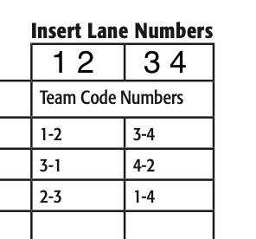
Qualifying Seed | Name | Qual Total | Game 1 | H | BP | Game 2 | H | BP | Game 3 | H | BP | Pos Round | H | BP | Total |  | 2025-01-02 | 2025-03-04 | 2025-05-06
1 | Xavier Martinez | 1249 | 212 | 41 | 30 | 165 | 41 | 30 | 179 | 41 | 0 | 164 | 41 | 30 | 2223
2 | Trisden Willms | 1238 | 190 | 29 | 30 | 146 | 29 | 0 | 200 | 29 | 30 | 133 | 29 | 0 | 2083
3 | Kylie Scheele | 1237 | 148 | 39 | 0 | 166 | 39 | 0 | 174 | 39 | 30 | 140 | 39 | 30 | 2081
4 | Rylee Tesch | 1291 | 95 | 53 | 0 | 164 | 53 | 30 | 137 | 53 | 0 | 110 | 53 | 0 | 2039
 |  |  |  |  |  |  |  |  |  |  |  |  |  |  | 0
 |  |  |  |  |  |  |  |  |  |  |  |  |  |  | 0

 |  |  |  |  |  |  |  |  |  |  |  |  |  |  |  | POS RD | 2026-03-04 | 2026-01-02

