Girls Round Robin
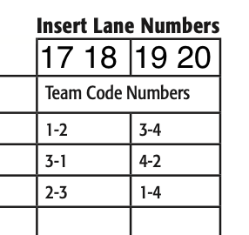
 |  |  |  |  |  |  | Round Robin Match Play
Qualifying Seed | Name | Wins | Qual Total | Game 1 | BP | Game 2 | BP | Game 3 | BP | Game 4 | BP | Scratch | Total
2 | Jordyn Norvell | 4 | 1064 | 188 | 30 | 213 | 30 | 196 | 30 | 224 | 30 | 1885 | 2005
1 | Autumn Strode | 0 | 1091 | 163 | 0 | 175 | 0 | 161 | 0 | 183 | 0 | 1773 | 1773
3 | Jackie Knowles | 1 | 1026 | 136 | 0 | 181 | 30 | 150 | 0 | 154 | 0 | 1647 | 1677

Handicap Round Robin
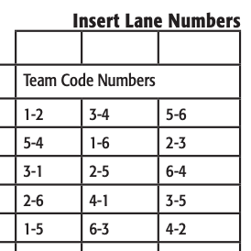
Qualifying Seed | Name | Qual Total | Game 1 | H | BP | Game 2 | H | BP | Game 3 | H | BP | Game 4 | H | BP | Game 5 | H | BP | Pos Round | H | BP | Total | 2025-01-02 | 2025-03-04 | 2025-05-06
1 | Oliver Harms | 1251 | 133 | 45 | 0 | 179 | 45 | 30 | 156 | 45 | 30 | 138 | 45 | 0 | 158 | 45 | 30 | 159 | 45 | 30 | 2564
2 | Kyden Willms | 1244 | 156 | 34 | 30 | 113 | 34 | 0 | 154 | 34 | 30 | 153 | 34 | 30 | 159 | 34 | 30 | 155 | 34 | 15 | 2473
4 | Lauren Schaefer | 1213 | 110 | 75 | 30 | 103 | 75 | 30 | 112 | 75 | 30 | 142 | 75 | 30 | 115 | 75 | 0 | 103 | 75 | 0 | 2468
3 | Donovan Shira | 1225 | 111 | 40 | 0 | 158 | 40 | 30 | 111 | 40 | 0 | 141 | 40 | 30 | 147 | 40 | 30 | 149 | 40 | 15 | 2387
5 | Paityn Hauge | 1184 | 157 | 44 | 30 | 128 | 44 | 0 | 129 | 44 | 0 | 134 | 44 | 0 | 158 | 44 | 0 | 157 | 44 | 30 | 2371
6 | Hayes Sperbeck | 1166 | 174 | 18 | 0 | 188 | 18 | 0 | 137 | 18 | 0 | 168 | 18 | 0 | 110 | 18 | 0 | 128 | 18 | 0 | 2179

