Handicap Round Robin
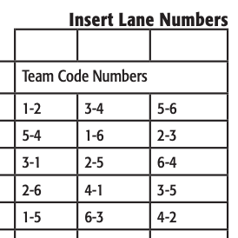
Qualifying Seed | Name | Qual Total | Game 1 | H | BP | Game 2 | H | BP | Game 3 | H | BP | Game 4 | H | BP | Game 5 | H | BP | Pos Round | H | BP | Total w/ HDCP | Total |  | 2025-01-02 | 2025-03-04 | 2025-05-06
1 | Patrick McNally (68) | 1267 | 139 | 68 | 30 | 133 | 68 | 30 | 144 | 68 | 30 | 146 | 68 | 0 | 133 | 68 | 0 | 155 | 68 | 30 | 2645 | 2645
4 | Benjamin McNally (57) | 1197 | 114 | 57 | 0 | 146 | 57 | 30 | 155 | 57 | 30 | 201 | 57 | 30 | 148 | 57 | 30 | 154 | 57 | 0 | 2577 | 2577
3 | Symphony Hill (44) | 1221 | 135 | 44 | 30 | 154 | 44 | 30 | 158 | 44 | 0 | 151 | 44 | 30 | 158 | 44 | 30 | 168 | 44 | 30 | 2559 | 2559
5 | Robert Dietzman (18) | 1174 | 185 | 18 | 30 | 174 | 18 | 0 | 149 | 18 | 30 | 144 | 18 | 0 | 199 | 18 | 30 | 155 | 18 | 0 | 2378 | 2378
2 | Xavier Martinez (40) | 1226 | 151 | 40 | 0 | 117 | 40 | 0 | 125 | 40 | 0 | 144 | 40 | 0 | 128 | 40 | 0 | 195 | 40 | 30 | 2356 | 2356
6 | Wyatt Glenn (54) | 1174 | 129 | 54 | 0 | 108 | 54 | 0 | 144 | 54 | 0 | 146 | 54 | 30 | 139 | 54 | 0 | 136 | 54 | 0 | 2330 | 2330

 |  |  |  |  |  |  |  |  |  |  |  |  |  |  |  |  |  |  |  |  |  |  |  | 2026-03-04 | 2026-01-02

 |  |  |  |  |  |  |  |  |  |  |  |  |  |  |  |  |  |  |  |  |  |  | Pos: 6, 5, 4, 3, 2, 1

