Multi-site Mgt
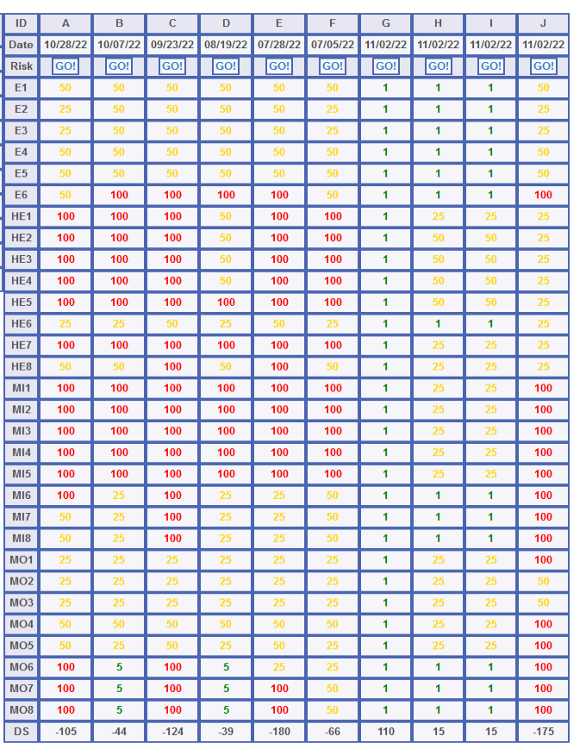

The ACRMS™ Enterprise console (summary tab,row 45) can auto-update monthly and can monitor multi-site cybersecurity progress and help avoid compliance problems. One ACR 2 client was able to manage cybersecurity of 103 sites from a single office near Detroit.

