Statement
STATEMENT OF FARM GROSS INCOME
OFFICE OF STATE TAX COMMISSIONER
sfn 24703 (10-2023)
2023
CALENDAR YEAR

Farm residence property tax exemption under N.D.C.C. § 57-02-08(15)--This form must be completed and provided to the county in addition to the application form. Use this 2023 form only if basing compliance on income information for the 2023 calendar year.
See separate instructions |  |  |  |  | Note to Assessor - This is a CONFIDENTIAL RECORD

Occupant and property information

Identify the applicant and property. Property information must match that provided on application form.
1. Name of property owner |  |  |  |  |  |  | 4. Property (parcel) number

2. Occupant's name, if different from property owner |  |  |  |  |  |  | 5. Legal description of property

3. Property address

Occupant's total gross income from all sources (farm and nonfarm)

On lines 6 through 24, enter the gross income from both farm and nonfarm sources from the occupant's 2023 Form 1040, U.S. Individual Income Tax Return. If Form 1040-SR was used, the schedule and line number references are the same. If occupant is married, the spouse's income must be included whether they file joint or separate federal returns.
 |  |  |  |  |  |  |  |  | Gross Income
 | Form |  | Line No. | Description |  |  |  |  | (Farm and nonfarm)
6. | Form 1040 |  | 1a thru 1h | Wages, salaries, tips, etc. |  |  |  |  | 6
7. | Form 1040 |  | 2b | Taxable interest |  |  |  |  | 7
8. | Form 1040 |  | 3b | Ordinary dividends |  |  |  |  | 8
9. | Form 1040 |  | 4b | Taxable IRA distributions |  |  |  |  | 9
10. | Form 1040 |  | 5b | Taxable pensions and annuities |  |  |  |  | 10
11. | Form 1040 |  | 6b | Taxable social security benefits |  |  |  |  | 11
12. | Form 1040 |  | 7 | Capital gains (Do not include losses) |  |  |  |  | 12
13. | Form 1040, Sch. 1 |  | 1 | Taxable refunds, credits, or offsets of state and |  |  |  |  | 13
 |  |  |  | local income taxes
14. | Form 1040, Sch. 1 |  | 2a | Alimony |  |  |  |  | 14
15. | Form 1040, Sch. 1 |  | 4 | Other gains from Form 4797 (Do not include losses) |  |  |  |  | 15
16. | Form 1040, Sch. 1 |  | 7 | Unemployment compensation |  |  |  |  | 16
17. | Form 1040, Sch. 1 |  | 9 | Other income (See instructions) |  |  |  |  | 17
18. | Schedule C |  | 7 | Gross income |  |  |  |  | 18
19. | Schedule E, Part l |  | 23a | Gross rents from rental properties |  |  |  |  | 19
20. | Schedule E, Part l |  | 23b | Gross royalties from royalty properties |  |  |  |  | 20
21. | See instructions for this line |  |  | Gross income from partnerships and |  |  |  |  | 21
 |  |  |  | S corporations
22. | See instructions for this line |  |  | Gross income from estates and trusts |  |  |  |  | 22
23. | Schedule F |  | 9 | Gross income |  |  |  |  | 23
24. | Form 4835 |  | 7 | Gross farm rental income (crop / livestock shares) |  |  |  |  | 24

25. | Total gross income (farm and non-farm). Add lines 6 through 24 |  |  |  |  |  |  |  | 25 | 0
26. | Adjustment for gains from the sale or exchange of farm machinery (See instructions) |  |  |  |  |  |  |  | 26
27. | Adjusted total gross income (farm and non-farm). Subtract line 26 from line 25 |  |  |  |  |  |  |  | 27 | 0

2023 Statement of Farm Gross Income
SFN 24703 (10-2023), Page 2
 |  |  |  |  | Note to Assessor - This is a CONFIDENTIAL RECORD

28. | Adjusted total gross income (farm and non-farm). Enter amount from page 1, line 27 |  |  |  |  |  |  |  | 28 | 0

Occupant's gross income from farming activities

On lines 29 through 31, enter the gross income from farming activity from the occupant's 2023 Form 1040, U.S. Individual Income Tax Return. If Form 1040-SR was used, the schedule and line number references are the same. If occupant is married, the spouse's gross income from farming activity must be included whether they file joint or separate federal returns.
The amounts on lines 29 through 31 must match the amounts used to determine if the occupant is a farmer for 2023 under the special estimated income tax rules for farmers under Internal Revenue Code § 6654.

 | Form |  | Line No. | Description |  |  |  |  | Farm Gross Income
29. | Schedule F |  | 9 | Gross income |  |  |  |  | 29 | 0
30. | Schedule E, Part V |  | 42 | Gross farm income from a partnership, |  |  |  |  | 30
 |  |  |  | S corporation, estate, trust, and Form 4835
31. | Form 4797 |  |  | Gains from sale or exchange of livestock used for |  |  |  |  | 31
 | See instructions for this line |  |  | draft, dairy, breeding, or sporting purposes

32. | Gross income from farming activities. Add lines 29 through 31 |  |  |  |  |  |  |  | 32 | 0

33. | Farm gross income ratio. |  |  | If line 32 is equal to line 28 (even if amount is zero), |  |  |  |  | 33 | 100%
 | the ratio is 100%. Otherwise, divide line 32 by line 28

 |  | If line 33 is 66% or more, the applicant meets the farm gross income requirement for the calendar year.
 |  | The farm gross income requirement needs to be met in only one of the two calendar years preceding the year for which the farm residence property tax exemption is claimed.

Occupant statement of eligibility

As evidenced by this statement, sixty-six percent or more of my annual gross income (including that of my spouse, if applicable) is from qualifying farming activities for the calendar year for which this statement is filed.
I also declare that, under the penalties of N.D.C.C. § 12.1-11-02, which provides for a Class A misdemeanor for making a false statement in a governmental matter, this statement, including any accompanying documentation, has been examined by me, and to the best of my knowledge and belief is a true, correct, and complete statement.
Occupant's signature |  |  |  |  |  |  |  | Date

Signature of occupant's spouse, if applicable |  |  |  |  |  |  |  | Date

Signature of preparer, if prepared by someone other than occupant |  |  |  |  |  |  |  | Date

Due date |  |  |  |  |  | Where to file
This statement must be filed on or before March 31 of the year for which the exemption has been requested. |  |  |  |  |  | File the completed statement with the assessor's office where the application for the farm residence property tax exemption was filed.

Instructions
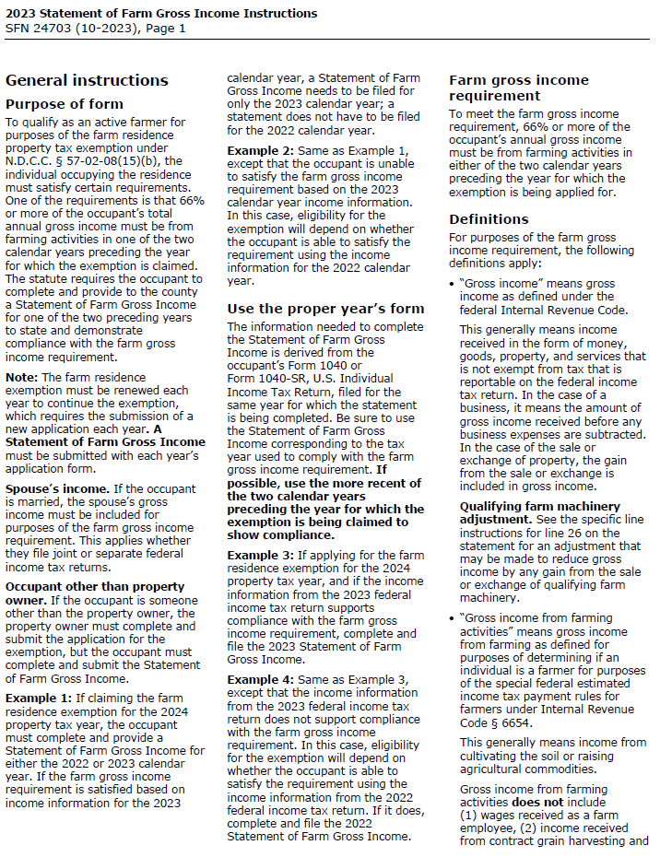
Double-click on the image of the instructions below. A PDF of the two-page instruction document will open in your PDF reader.

Note: The PDF may open in your PDF reader behind this Excel document.

