Sheet1
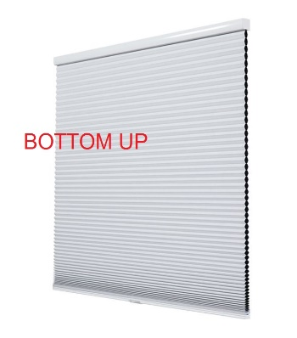 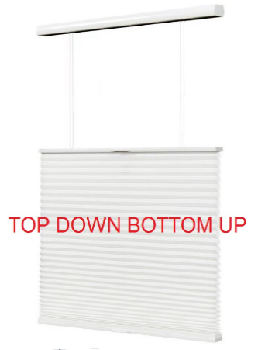 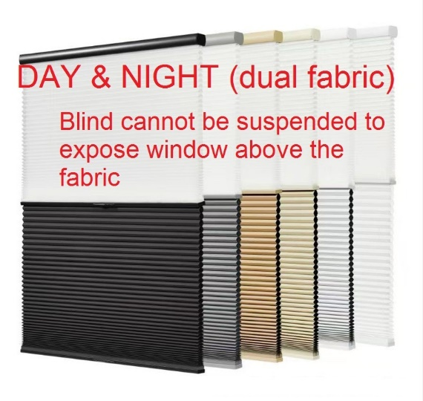
PERSILUX BLINDS
Ruangang Village, Lanting Town, Keqiao Dist,Shaoxing,Zhejiang,China

Quote Request Form
Opening Format | Operation | Cord side / Motor Charging Cable side | Fabric Code | Cell Structure | Transparency | Top rail color | Room | Width（mm） | Height（mm） | QTY | Mount type | Width Deduction
Bottom up Top down bottom up Day & Night (dual fabric) | Corded (rope) Corded (white bead chain) Corded (metallic bead chain Cordless (manual) Motorised (battery) Motorised (240v hardwired) | Right Left N/A (for cordless) | See sample booklet | Single cell 38mm Cell-in-cell 38mm Cell-in-cell 45mm | Blockout Light Filtering Sheer | 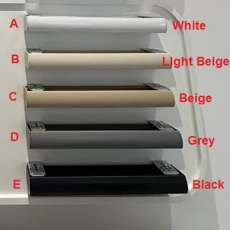 White Light Beige Beige Grey Black |  |  |  |  | Inside Outside | 3mm (for Inside only)

