Instructions
Welcome to the 5-Star Career Story Data Mining Tool!
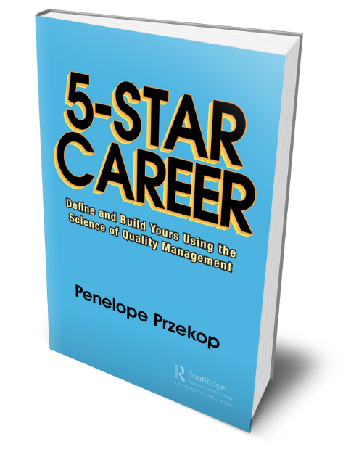 | This Story Data Mining Tool (V1.0, 10 Nov 2021) accompanies the book "5-Star Career: Define and Build Yours Using the Science of Quality Management" (Productivity Press ©2021) by Penelope Przekop. Penelope suggests that readers work through this tool after reading Chapter 9, which includes background information that will support your understanding of the tool. Note: This tool is provided to support understanding of the concepts discussed in 5-Star Career (Productivity Press) and to prompt self-reflection. It is the intellectual property of author Penelope Przekop and Przekop Design Company, LLC. The content and concepts in the tool are included in the 5-Star Career book copyright.
Purpose of this Exercise | Looking at your data from a quality management perspective can dramatically improve your decision-making process as well as your level of satisfaction with those decisions. Data-supported decisions will keep you on the right path. This tool was created to help you explore your own story to identify data that can tell you more about your customer (you), provide insight on your past and present decision making habits, and help you consciously shift your mindset in productive directions.
What's Included in This Tool | This Excel file contains four sheets (see Excel Tabs below) with questions related to four categories- Childhood, Ages 13-18, Ages 19-23, and Career. It also includes an example sheet/tab and an overall analysis sheet/tab.
Instructions for Completing the Question Sheets
Column B | Simply answer each question listed in Column A. There is no word limit. Questions that use present tense (e.g., Do you, Are you ...) are intended to be answered from your perspective at that time, which may or may not be your current perspective. Try to recall what you were thinking and feeling at the time. This will enable you to reflect on the philosophy, mindset, priorities, decision making, etc., that were in play at that time. Questions asked in the past tense (e.g., Did you, Were you ...) are intended to be answered based on your current perspective. This will enable you to reflect on how your philosophy, mindset, priorities, decision making, etc. have or have not changed. It may be interesting to note any trends in your answer types when answering for your younger self versus who you are today. If you feel that any questions or categories do not apply to you, feel free to skip them. You may answer as many questions as you would like but answering more questions will provide you with more data to analyze. It's always better to have as much data as possible. However, as this is a tool to assist with self-reflection. Taking your time with this and being honest with yourself are key, regardless of the number of questions completed. Remember, garbage in, garbage out. Data must have integrity to be reliable.
Column C | After answering, use the dropdown to indicate if you have provided an objective or subjective answer. At this point, it’s best to avoid changing your answer. There’s more to learn with your initial response. As a reminder, here are the definitions from Chapter 9 of 5-Star Career: Objective Data/Information: Objective data is factual and provides accurate indisputable conclusions. An objective statement is based on facts. It can be easily proven and is impossible to deny. Subjective Data/Information: Subjective research focuses on experiences from the perspective of an individual and emphasizes the importance of personal perspectives and interpretations.
Column D | As soon as you make your dropdown selection in Column C, this column will auto populate, indicating if the question called for an objective or subjective answer.
Column E | In case you notice that there is no Column E, don't be concerned. This is intentional. Column E should not be visible to you.
Column F | This column will also auto populate when you make your dropdown selection in Column C. The tool compares your selected answer type to the question type, and indicates in Column F if there was a match or a mismatch.
Columns G and H | These columns ask you to explore the thinking behind each answer. The intent is to challenge you to consider why you perceived an answer as either subjective or objective, particularly in cases in which you provide an answer type that conflicted with the question type. If your column C answer is incorrect, it will help reveal this. Refer to Chapter 9 of the book, if needed.
Special Instructions for Categories Ages 13-18 & 19-23 | If you currently fall in this category, please answer all questions as if in the present tense. Some questions in this category use the present tense while others use the past tense. As long as you do not fall under this category currently, please answer the present tense questions as you may have answered at the time you belonged to this age group. For the past tense questions, please answer them as you would currently answer them when looking back at this time in your life.
Overall Analysis Sheet | This sheet will automatically populate the Column F results from all of the four Question Sheets to provide data on how your answer types (objective or subjective) aligned with the question types. It will also provide insight into how consistent or inconsistent your results are across the four categories. This sheet also includes a few questions that, if needed, can help prompt additional or deeper thoughts about the exercise and what the information may have to offer.
How to see and interpret your results | The sheets for each category include a percentage of how many times your answer type aligned with the corresponding question type. The "Overall Analysis" page consolidates your answers across categories and shows you a summary of your results. The Overall Analysis sheet also contains some suggested questions that you may find helpful as you contemplate the data provided as well as your answers, thoughts, perceptions, mindset, etc. as you worked your way through the question sets.

