Sheet1
 |  | 2026-03-27 | All Metal Stamping, Inc., Abbotsford, WI. 54405
 |  | Ver. 1.3 | 715-223-6324 |  |  | Fax: 715-223-3352
206/216 Lock Edge Protectors - for Single Swing Doors
 |  | Customer:
 |  | P.O. #: |  |  |  | Date:
 |  | M.O.: |  |  |  |  |  | Date Required:
 | Acc. Item # : |  |  |  | Door Item # : |  |  | Drawn by:
 |  |  | TO ENTER DOOR NUMBERS CLICK SHEET2
 |  |  |  |  | Check Box if you have Door Numbers:
 |  | 206 | Std. Beige |  |  |  |  | Special Material |  | Gage
 |  | 216 | Spec.Color |  |  |  |  | CRS
 |  |  | No Paint |  |  |  |  | Stainless Steel
 |  |  | Veneer |  |  |  |  | Galvanized

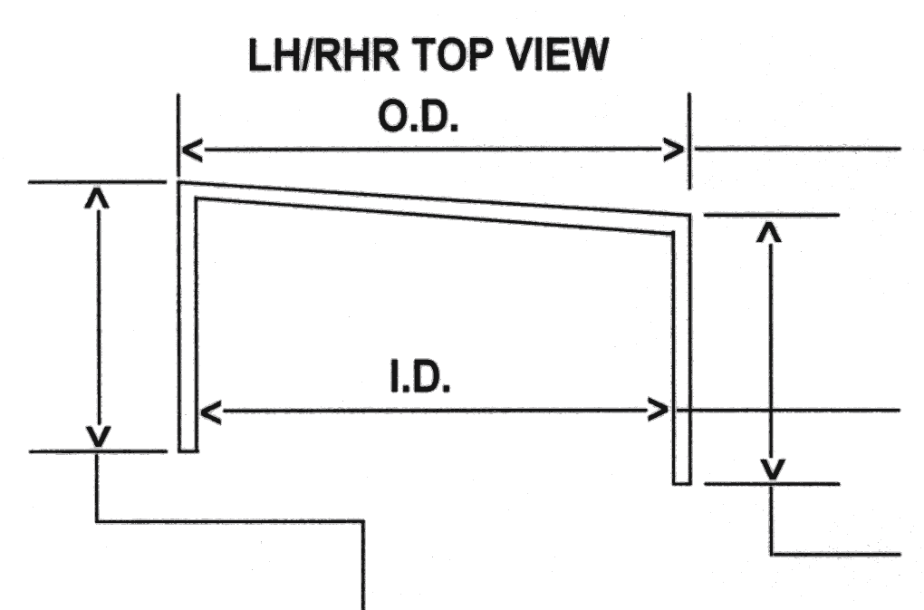
 |  |  |  |  |  |  | Mortised

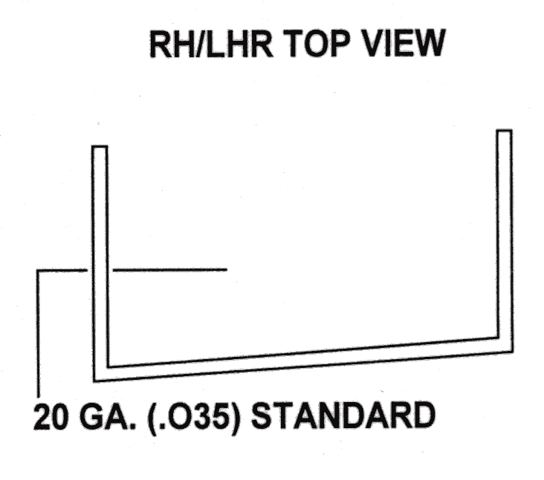
 |  |  |  |  |  |  | Enter O.D.

 |  |  |  |  |  |  | Enter I.D.

 |  |  |  |  |  |  | Leg Length:
 |  |  |  |  |  |  | 1.0000

 |  |  |  | ALL DIMENSIONS ARE FROM TOP OF DOOR |  |  |  |  | AMS USE ONLY
 |  | AMS USE ONLY |  |  | Mark for SQUARE Channel = #216
 |  |  |  |  | 1-3/4 Door | Other:
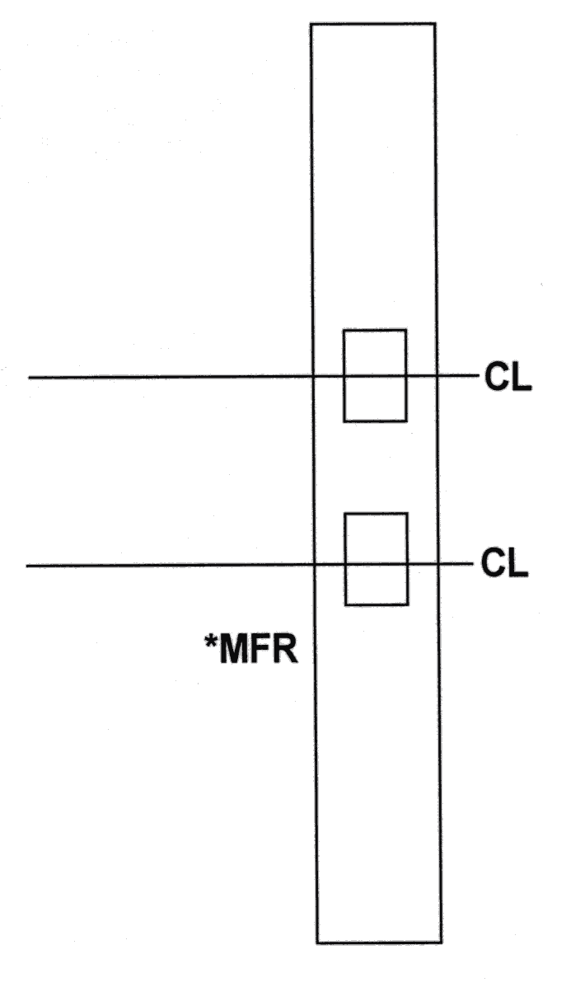
 |  |  |  |  | 1-13/16" Door
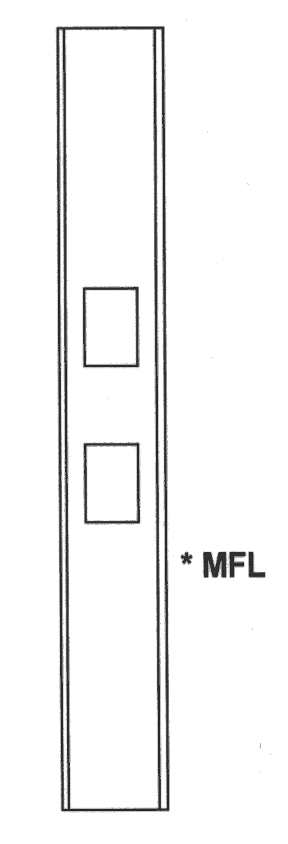
 |  |  |  |  | Overall Length
 |  |  |  |  | LH/RHR |  | RH/LHR
 |  |  |  |  |  | Quantity Required
 |  |  |  |  |  | Deadbolt | 2nd Lock

 |  |  |  |  |  |  | 1-1/8 x 2-1/4
 |  |  |  |  |  |  | 1-1/4 x 8
 |  |  |  |  |  | Template

 |  |  |  |  |  | Main | 1st Lock

 |  |  |  |  |  |  | 1-1/8 x 2-1/4
 |  |  |  |  |  |  | 1-1/4 x 8
 |  |  |  |  |  | Template

 |  |  |  |  | *Machining Reference ONLY

 | SPECIAL INFORMATION / NOTES

