Trans Parts
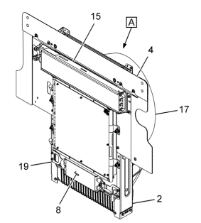
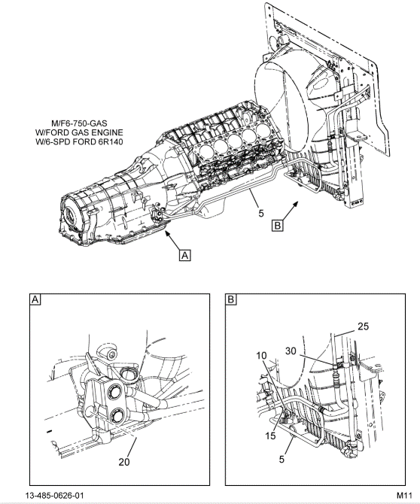
F650 MY 2015
QTY | SPN | Description
1 | GC3Z-7000-ARM (reman) | Trans Assy (w/ converter)
1 | CC4Z-7R081-A | COOLER, TRANS OIL COOLER LINES
1 | CC4Z-7R081-B | COOLER, TRANS OIL RETURN LINE
1 | CC4Z-7A095-A | COOLER, TRANS OIL
1 | CC4Z-7D203-A | ADAPTER
1 | 4C4Z-3B749-E | CLAMP

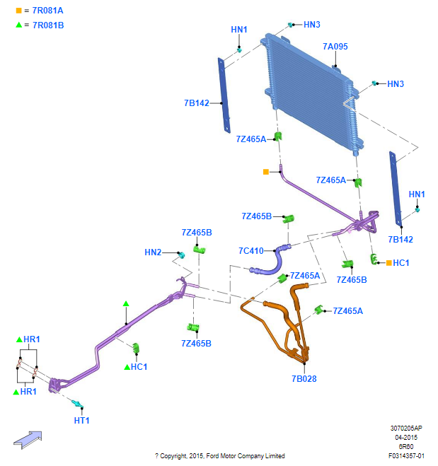
F650 MY 2016-2019
QTY | SPN | Description
1 | GC4Z-7000-XFRM (reman) | Trans Assy (w/ converter)
BU9Z-7A095-A
4 | W715618-S437 | Converter Nuts
1 | BU9Z-7A095-A | Oil Cooler Assy
1 | FC4Z-7B028-B | Tube-Oil Cooler
1 | FC4Z-7C410-A | Tube-Oil Cooler
1 | FC4Z-7R081-D | Tube-Oil Cooler
1 | GC2Z-7R081-E | Tube-Oil Cooler
4 | 8C3Z-7Z465-A | Collet - 33mm
8C3Z-7Z465-A
4 | 9L8Z-7Z465-A | Collet - 46mm

FC4Z-7R081-D
8C3Z-7Z465-A

9L8Z-7Z465-A
9L8Z-7Z465-A
FC4Z-7C410-A
8C3Z-7Z465-A

9L8Z-7Z465-A
GC2Z-7R081-E
8C3Z-7Z465-A

9L8Z-7Z465-A

FC4Z-7B028-B

