Order Forms
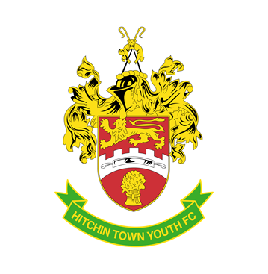

Fill out areas in green

Hitchin Town Youth FC - Kit Order 2020/21

 |  |  |  | Internal use only
Date |  |  |  | Summary
Manager Name
Contact Nr |  |  |  | Order Value |  | £0.00
Team Name
Year Under |  |  |  | Paid | No
Sponsor Logo enclosed | N/A |  |  | Date

Name & Address of whom is Paying
Name
Address

Notes
For size guide, go to Errea web site
Full kit = 1 Top, 1 Shorts & 1 pair Socks
Long or short sleeve when stated otherwise

Product Name: | Qty | Size | Colour |  | £ | Total
Team Kit | 0 | Long Sleeve |  |  | £37.50 | £0.00
 | 0 | Short Sleeve |  |  | £37.00 | £0.00

Goalie Kit | 0 |  | Blue |  | £37.50 | £0.00

Only use when ordering replacement items
Top | 0 | Long Sleeve |  |  | £22.50 | £0.00
 | 0 | Short Sleeve |  |  | £22.00 | £0.00
Shorts | 0 |  |  |  | £9.00 | £0.00
Socks | 0 |  |  |  | £6.00 | £0.00
Goalie TOP | 0 |  | Blue |  | £22.50 | £0.00

 |  |  |  | Total |  | £0.00

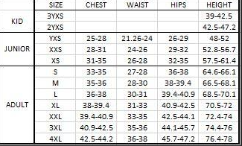
Players Name | Number |  | Shirt Size | Short Size
 | 1 | Goalie
 | 2
 | 3
 | 4
 | 5
 | 6
 | 7
 | 8
 | 9
 | 10
 | 11
 | 12
 | 13
 | 14
 | 15
 | 16
 | 17
 | 18
 | 19
 | 20

