Team Registration Form 2021-22
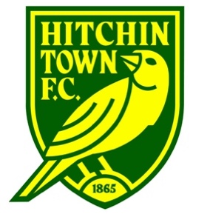

 | Hitchin Town Youth FC - Team Registration Form 2021-22

FILL OUT THE SHADED AREAS

Team Details

Team Name: |  |  | Manager Name:
Age Group: |  |  | Mobile:
League: |  |  | Email:

Player Details

Player's Full Name | Player's Address: | DOB: | Parents/Guardian Name: | Parents/Guardian DOB: * | Parents/Guardian Mobile: | Parents/Guardian Email: | Payment 1 Received | Payment 2 Received

* Required for players under 16 for sigining on

When completed, email this form to: adam.nethersole@hitchintownyouthfc.com Note, Royston Crow and Mid Herts leagues have requested that all players
for the 2021-22 season will need new head shot photographs.

