Cover Sheet
Examination of the Pattern of Strenghts and Weaknesses of PASS scores from the CAS2 (Extended and Core), CAS2: Brief, and CAS2: Rating Scale by Jack A. Naglieri, Ph.D. (2018)

HOW TO USE THIS WORKBOOK:
 | 1. Choose the tab for the version of the CAS2 you wish to analyze.
 | 2. Enter the PASS scores in the yellow boxes that correspond to the AGE of the student.
 | 3. Strengths and Weaknesses in PASS scores will automatically be computed at the p = .05 and p = .10 levels.

The information contained in this spreadsheet it taken in part from Essentials of CAS2 Assessment by Jack A. Naglieri & Tulio M. Otero (2017). See that book for more information on the interpretation of the three CAS2 measures of PASS neurocognitive processes.

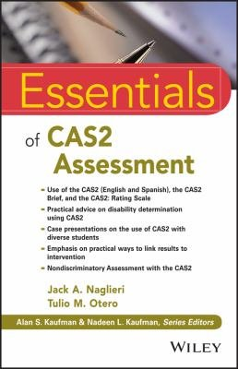

 |  | The Values used in this spreadsheet are from Table 3.3 of the Essentials of CAS2 Assessment

CAS2 8-subtest Core
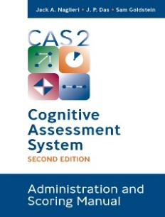
 | Differences Between PASS Scale Standard Scores and the Student’s Average PASS Score Required for Significance at p = .10 and p = .05 for the CAS2 8-Subtest CORE battery AGES 5-7 Years.
 | Cognitive Assessment System - 2 |  | Difference from PASS Mean of: | Significantly Different (at p = .05) from PASS Mean? | Strength or | Weakness | Significantly Different (at p = .10) from PASS Mean? | Strength or | Weakness | Table 3.3 from Essentials of CAS2
Ages 5-7 YEARS | PASS Scales | Standard Score |  |  |  |  |  |  |  | Ages 5-7 years | p=.05 | p=.10
 | Planning |  |  |  |  |  |  |  |  | Planning | 11.2 | 10.1
 | Simultaneous |  |  |  |  |  |  |  |  | Simultaneous | 10.1 | 9.0
 | Attention |  |  |  |  |  |  |  |  | Attention | 9.0 | 8.1
 | Successive |  |  |  |  |  |  |  |  | Successive | 10.7 | 9.6
 | Note: Strengths and weaknesses are based on having a low PASS score (ipsative comparison at the .05 level of significance) and PASS scores that are below 90 (25th percenitle).

 | Differences Between PASS Scale Standard Scores and the Student’s Average PASS Score Required for Significance at p = .10 and p = .05 for the CAS2 8-Subtest CORE battery AGES 8-18 Years.

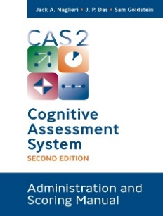
 | Cognitive Assessment System - 2 |  | Difference from PASS Mean of: | Significantly Different (at p = .05) from PASS Mean? | Strength or | Weakness | Significantly Different (at p = .10) from PASS Mean? | Strength or | Weakness | Table 3.3 from Essentials of CAS2
Ages 8-18 YEARS | PASS Scales | Standard Score |  |  |  |  |  |  |  | Ages 8-18 years | p=.05 | p=.10
 | Planning |  |  |  |  |  |  |  |  | Planning | 10.2 | 9.2
 | Simultaneous |  |  |  |  |  |  |  |  | Simultaneous | 9.1 | 8.1
 | Attention |  |  |  |  |  |  |  |  | Attention | 10.9 | 9.8
 | Successive |  |  |  |  |  |  |  |  | Successive | 10.4 | 9.3
 | Notes
 | 1. A Weakness is defined as PASS standard score that is significantly below the child's average PASS score (ipsative comparison at the .05 level) and the PASS score is below 90 (i.e. below the Average range).
 | 2. A Strength is defined as PASS standard score that is significantly above the child's average PASS score (ipsative comparison at the .05 level) and the PASS score is above 109 (i.e. above the Average range).
 | 3. See Essentials of CAS2 Assessment Interpretation Chapter for more details and examples.

CAS2 Brief
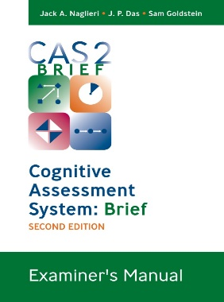
 | Differences Between PASS Scale Standard Scores and the Student’s Average PASS Score Required for Significance at p = .10 and p = .05 for the CAS2 BRIEF AGES 5-7 Years.
 | Cognitive Assessment System - 2 |  | Difference from PASS Mean of: | Significantly Different (at p = .05) from PASS Mean? | Strength or | Weakness | Significantly Different (at p = .10) from PASS Mean? | Strength or | Weakness | Table 3.3 from Essentials of CAS2
Ages 5-7 YEARS | PASS Scales | Standard Score |  |  |  |  |  |  |  | Ages 5-7 years | p=.05 | p=.10
 | Planning |  |  |  |  |  |  |  |  | Planning | 9.9 | 8.9
 | Simultaneous |  |  |  |  |  |  |  |  | Simultaneous | 11.5 | 10.3
 | Attention |  |  |  |  |  |  |  |  | Attention | 9.4 | 8.5
 | Successive |  |  |  |  |  |  |  |  | Successive | 12.0 | 10.8
 | Note: Strengths and weaknesses are based on having a low PASS score (ipsative comparison at the .05 level of significance) and PASS scores that are below 90 (25th percenitle).

 | Differences Between PASS Scale Standard Scores and the Student’s Average PASS Score Required for Significance at p = .10 and p = .05 for the CAS2 BRIEF AGES 8-18 Years.


 | Cognitive Assessment System - 2 |  | Difference from PASS Mean of: | Significantly Different (at p = .05) from PASS Mean? | Strength or | Weakness | Significantly Different (at p = .10) from PASS Mean? | Strength or | Weakness | Table 3.3 from Essentials of CAS2
Ages 8-18 YEARS | PASS Scales | Standard Score |  |  |  |  |  |  |  | Ages 8-18 years | p=.05 | p=.10
 | Planning |  |  |  |  |  |  |  |  | Planning | 9.1 | 8.2
 | Simultaneous |  |  |  |  |  |  |  |  | Simultaneous | 10.8 | 9.7
 | Attention |  |  |  |  |  |  |  |  | Attention | 11.3 | 10.1
 | Successive |  |  |  |  |  |  |  |  | Successive | 11.8 | 10.6
 | Notes
 | 1. A Weakness is defined as PASS standard score that is significantly below the child's average PASS score (ipsative comparison at the .05 level) and the PASS score is below 90 (i.e. below the Average range).
 | 2. A Strength is defined as PASS standard score that is significantly above the child's average PASS score (ipsative comparison at the .05 level) and the PASS score is above 109 (i.e. above the Average range).
 | 3. See Essentials of CAS2 Assessment Interpretation Chapter for more details and examples.

CAS2 Rating Scale
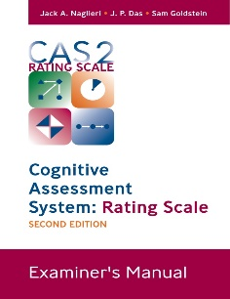
 | Differences Between PASS Scale Standard Scores and the Student’s Average PASS Score Required for Significance at p = .10 and p = .05 for the CAS2 RATING SCALE AGES 5-7 Years.
 | Cognitive Assessment System - 2 |  | Difference from PASS Mean of: | Significantly Different (at p = .05) from PASS Mean? | Strength or | Weakness | Significantly Different (at p = .10) from PASS Mean? | Strength or | Weakness | Table 3.3 from Essentials of CAS2
Ages 5-7 YEARS | PASS Scales | Standard Score |  |  |  |  |  |  |  | Ages 5-7 years | p=.05 | p=.10
 | Planning |  |  |  |  |  |  |  |  | Planning | 9.9 | 8.9
 | Simultaneous |  |  |  |  |  |  |  |  | Simultaneous | 11.5 | 10.3
 | Attention |  |  |  |  |  |  |  |  | Attention | 9.4 | 8.5
 | Successive |  |  |  |  |  |  |  |  | Successive | 12.0 | 10.8
 | Note: Strengths and weaknesses are based on having a low PASS score (ipsative comparison at the .05 level of significance) and PASS scores that are below 90 (25th percenitle).

 | Differences Between PASS Scale Standard Scores and the Student’s Average PASS Score Required for Significance at p = .10 and p = .05 for the CAS2 RATING SCALE AGES 8-18 Years.

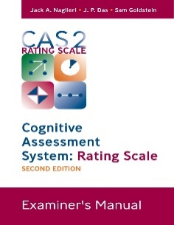
 | Cognitive Assessment System - 2 |  | Difference from PASS Mean of: | Significantly Different (at p = .05) from PASS Mean? | Strength or | Weakness | Significantly Different (at p = .10) from PASS Mean? | Strength or | Weakness | Table 3.3 from Essentials of CAS2
Ages 8-18 YEARS | PASS Scales | Standard Score |  |  |  |  |  |  |  | Ages 8-18 years | p=.05 | p=.10
 | Planning |  |  |  |  |  |  |  |  | Planning | 9.1 | 8.2
 | Simultaneous |  |  |  |  |  |  |  |  | Simultaneous | 10.8 | 9.7
 | Attention |  |  |  |  |  |  |  |  | Attention | 11.3 | 10.1
 | Successive |  |  |  |  |  |  |  |  | Successive | 11.8 | 10.6
 | Notes
 | 1. A Weakness is defined as PASS standard score that is significantly below the child's average PASS score (ipsative comparison at the .05 level) and the PASS score is below 90 (i.e. below the Average range).
 | 2. A Strength is defined as PASS standard score that is significantly above the child's average PASS score (ipsative comparison at the .05 level) and the PASS score is above 109 (i.e. above the Average range).
 | 3. See Essentials of CAS2 Assessment Interpretation Chapter for more details and examples.

