CAPEX backup
CAPEX BACKUP
 | TENTS

 | Feature | 40 m² Tent | 150 m² Tent
 | Frame Material | 40-50mm Steel/Alu tubes | 100mm+ Extruded Aluminum or Wood Beams
 | Foundation | Standard Ground Stakes | Often requires a Timber Deck or concrete footings
 | Roofing | Single layer canvas | Double-roof (Fly-sheet + Inner tent) for heat & tension
 | Wind Rating | Basic (30-50 km/h) | Engineered for 80-120 km/h

 | Manufacturer | Known Large Models | Approx. Size (m2) | Price Estimate (USD)
 | Bushtec Safari | Luxury Shaka / Custom Villas | 120 – 180+ $m^2$ | $25,000 – $45,000+
 | Exclusive Tents | Mambrrr / Phelwane | 110 – 160 $m^2$ | $30,000 – $60,000+
 | Falkson Tents | Custom Safari Range | Custom up to 150 $m^2$ | $18,000 – $30,000
 | YALA Canvas | Aurora / Stella | 100 – 150 $m^2$ | €35,000 – €70,000

 | PLATFORM & DECK
 | For a retreat center, a "sand and advanced ground-level" foundation is an excellent middle ground. It provides better drainage and aesthetics than bare earth while remaining significantly cheaper than a raised wooden deck.
 | In Kenya, this is often called a "Cabro" (Paving Block) or "Ballast-Murram" base.
 | 1. The "Advanced Ground-Level" Tech
 | Instead of just pitching the tent on dirt, you create a layered, "floating" floor:
 | Layer 1: Excavation of topsoil (15 cm deep).
 | Layer 2: Compacted Murram (quarry soil) or Hardcore (crushed stones) for stability.
 | Layer 3: Damp Proof Membrane (Polythene) to stop underground moisture from reaching the tent.
 | Layer 4: Sand Blinding (fine sand) to level the surface.
 | Layer 5 (The Finish): Cabro blocks (paving stones) or Sisal mats over the sand.

 | 2. Estimated Cost Breakdown (50 sqm in Kenya)
 | Note: 1 USD≈130 KES (approximate 2026 rate).
 | Item | Estimated Cost (KES) | Estimated Cost (USD)
 | Site Clearing & Levelling | KES 5,000 – 10,000 | $40 – $75
 | Murram/Hardcore (1 Lorry) | KES 15,000 – 25,000 | $115 – $190
 | Sand (1 Lorry) | KES 30,000 – 36,000 | $230 – $275
 | Damp Proof Polythene | KES 5,000 – 8,000 | $40 – $60
 | Cabro Blocks (Standard) | KES 45,000 – 60,000 | $350 – $460
 | Labor (Fundis & Casuals) | KES 25,000 – 40,000 | $190 – $310
 | TOTAL ESTIMATE | KES 125,000 – 179,000 | $965 – $1,370

 | Termite Proof: Unlike the wooden construction, there is nothing for termites to eat.
 | Thermal Mass: The stone/sand base stays cool during the day and releases a bit of heat at night, making the tent interior more comfortable.
 | Dryness: The Damp Proof Membrane is the "secret sauce"—it prevents that "old basement" smell that often ruins ground-level tents.
 | Drainage: If you slope the area slightly away from the tent, rain will run off into the sand rather than pooling under your guests' feet.
 | 4. Summary Comparison
 | Basic Ground (Stakes only): ~$150 – $300
 | Advanced Sand/Cabro Base: ~$1,000 – $1,400
 | Raised Wooden Platform: ~$4,000 – $7,000
 | Final Tip: If you want it to look "luxurious" but stay on the $1,000 budget, use the sand and murram base but finish it with heavy-duty Mazeras stones (local Kenyan natural slate). It looks incredibly high-end for a retreat and is very common in coastal and safari lodges.

 | There is a "missing middle" between a simple ground-level sand base and a high-end elevated timber deck. For a 150 $m^2$ structure, you can find solutions in the $6,000 – $12,000 range by using hybrid materials.

 | Here are three intermediate technologies that balance cost, durability, and the "safari" aesthetic:

 | 1. The "Beam and Block" Concrete System

 | Used frequently in the Masai Mara (e.g., by EcoConcrete Kenya), this system uses pre-cast concrete beams and hollow blocks rather than wood. It is "semi-elevated," usually sitting 30cm to 50cm off the ground.

 | Technology: Pre-cast concrete T-beams are laid across pillars; blocks are slotted in between, and a thin screed is poured on top.

 | Pros: Fireproof, rot-proof, and termite-proof. It feels as solid as a house floor.

 | Est. Cost for 150 $m^2$: $6,500 – $9,000 (KES 850,000 – 1.2M).

 | Finish: You can paint the concrete or lay Sisal Mats or Vinyl Wood Planks over it to give it a luxury feel.

 | 2. Light-Gauge Steel (LGS) Framing + Fiber Cement Board

 | Instead of heavy timber poles and beams, you use a galvanized steel "chassis" (similar to what is used in prefab homes).

 | Technology: A grid of steel C-sections is bolted together. The "floor" is made of 18mm–22mm thick Fiber Cement Boards (like Nutec in SA or Kalsi in East Africa).

 | Pros: Steel doesn't warp or rot in humid climates. It’s much lighter than concrete, making it easier to install on uneven terrain.

 | Est. Cost for 150 $m^2$: $10,000 – $14,000.

 | Finish: The cement boards are waterproof; you can leave them raw for an industrial look or tile them.

 | 3. "Eco-Pole" Hybrid Decking

 | This uses recycled plastic/composite poles (Eco-Poles) for the underground support but uses cheaper, locally treated pine for the top planks.

 | Technology: The "feet" of your deck are plastic (won't rot in the mud), but the parts you touch and see are wood.

 | Pros: Significant cost savings over a full "Hardwood" or "Composite" deck while solving the main issue of rot at the ground-contact points.

 | Est. Cost for 150 $m^2$: $8,000 – $11,000.

 | Solution | Est. Price (USD) | Lifespan | Best For
 | Cabro/Ground-Level | $2,500 - $4,000 | 5-7 Years | Tight budgets, very flat land.
 | Beam & Block | $6,500 - $9,000 | 25+ Years | Permanent retreat centers, fire safety.
 | Steel + Cement Board | $10,000 - $14,000 | 20+ Years | Modern look, termite-heavy areas.
 | Full Timber Deck | $18,000 - $35,000 | 10-15 Years | High-end luxury, uneven/sloped terrain.

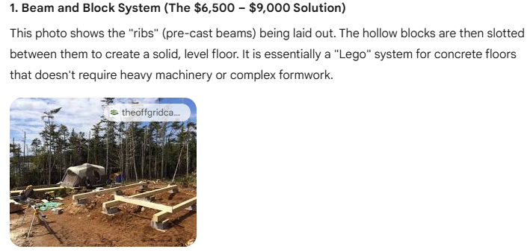
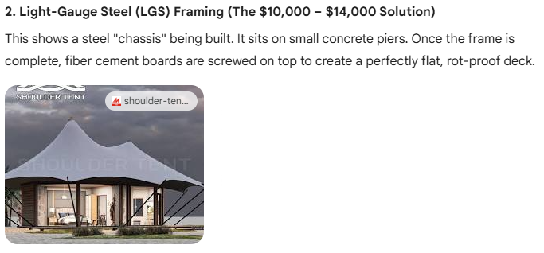
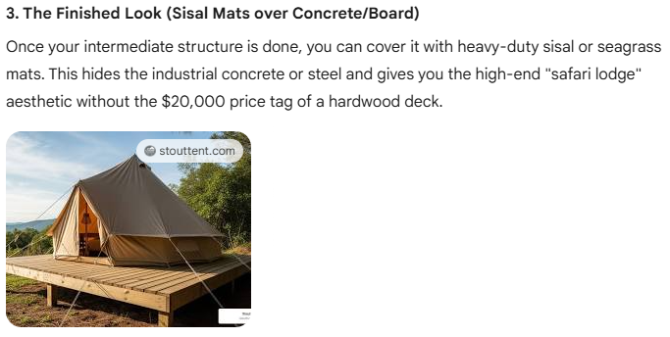

 | BATHROOM FIXTURES & PLUMBING
 | Bathroom fixtures & plumbing for a 40 sqm retreat camp. price in USD in Kenya?

 | For a 40 sqm (approx. 430 sq. ft.) retreat camp in Kenya, you are likely looking at a "tiny house" or studio-style layout. Typically, this includes one full bathroom (toilet, shower, basin) and one kitchenette sink.
 | Based on current 2026 market rates in Kenya, here is the cost breakdown in USD.
 | 1. Fixtures & Sanitary Ware (Material Costs)
 | Prices in Kenya vary between standard "contractor grade" (widely available in hardware stores like Classic Mouldings or Cedar Clink) and premium imported brands.
 | Item | Standard Quality (USD) | Premium/Modern (USD)
 | Toilet (Close-coupled/Water closet) | $120 – $180 | $250 – $450
 | Wash Basin (Pedestal or Wall-mount) | $40 – $70 | $120 – $200
 | Shower Head & Mixer Set | $50 – $100 | $150 – $300
 | Kitchen Sink (Stainless Steel) | $30 – $60 | $100 – $180
 | Taps / Faucets (Basin & Kitchen) | $40 – $80 | $100 – $200
 | Instant Shower Heater (e.g., Lorenzetti) | $30 – $50 | $120 (Multipoint)
 | Accessories (Towel rails, mirrors, etc.) | $50 – $80 | $150 – $250
 | SUBTOTAL (Fixtures) | $360 – $620 | $990 – $1,700

 | 2. Rough-In Plumbing (Piping & Fittings)
 | For a 40 sqm space, the distance between the bathroom and kitchen is usually small, keeping piping costs low.
 | PPR Pipes & Fittings: Used for hot/cold water supply.
 | PVC Pipes: Used for drainage and waste (sewerage).
 | Estimated Cost: $300 – $500 (depending on the distance to the septic tank or main sewer line).

 | 3. Labor & Installation
 | In Kenya, "fundis" (technicians) often charge per "point" (e.g., one toilet is one point, one shower is another).
...

