Intro
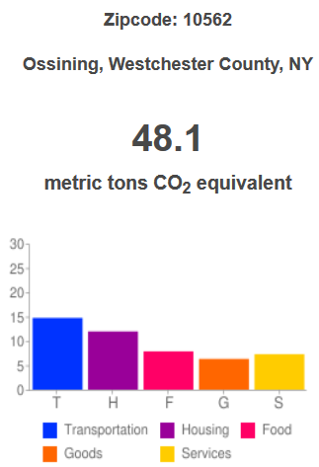
3
 |  | Carbon Calculator for <<names>> <e-mail address>
 |  | <<Street>>
 |  | Ossining, NY 10562

Ask for WiFi password (needed to look up gas mileage of vehicles on the web)
Introduce C100
 | Mission of C100
 | Depends on your personal choices
 | I will provide options that can hopefully save you money and reduce emissions

Introduce today's session
 | Will take about 1 hour, I encourage you to ask questions
 | 5 themes
 | Carbon footprint in metric tons of CO2, 1 metric ton = 2,200 pounds
 | In zip code 10562, the average annual household emission is 48.126 metric tons -- let's see how you compare!
 | Options for you to consider in each theme to reduce emissions

Caveats
 | Any information you give me will be secure with C100
 | Understanding carbon impact is a personal matter, like stepping on a weighing scale; goal is awareness, and not to be judgmental in any way
 | Our goal is to make recommendations and make you aware of options and rebates -- you should seek professional help and advice to implement

Transportation
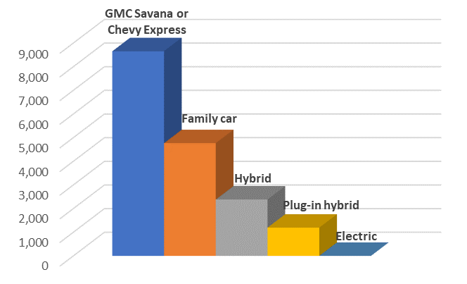
 | Carbon Calculator for <<names>> <e-mail address>
 | <<Street>>
 | Ossining, NY 10562

Remarks
 | Transportation is the single biggest emitter of CO2
 | This theme will explore vehicles, airplane travel and train commuting
Question | Answer | Carbon | Comments | Comment value
How many vehicles? | 3
Vehicle #1 year
Vehicle #1 make
Vehicle #1 model
Vehicle #1 miles driven per year | 11,398 |  | National average | 11,398
Vehicle #1 miles per gallon | 21.60 | 4.691 | National average | 21.6
Vehicle #2 year
Vehicle #2 make
Vehicle #2 model
Vehicle #2 miles driven per year | 11,398
Vehicle #2 miles per gallon | 21.60 | 4.691 | https://www.fueleconomy.gov/feg/findacar.shtml
Vehicle #3 year
Vehicle #3 make
Vehicle #3 model
Vehicle #3 miles driven per year | 11,398 |  | Zero out if only 2 vehicles
Vehicle #3 miles per gallon | 21.60 | 4.691 | Do not zero out this line
Vehicle #4 year
Vehicle #4 make
Vehicle #4 model
Vehicle #4 miles driven per year | 11,398 |  | Zero out if 3 or less vehicles
Vehicle #4 miles per gallon | 21.60 | 4.691 | Do not zero out this line
Remarks
 | Next, we go to airplane flights
 | Airplane travel is particularly harmful because CO2 from burning jet fuel is released high in the atmosphere
 | In an average year please tell us the number of short-haul, long-haul and super-long-haul flight segments
 | Short haul is 2 to 3 hours of flying, e.g., within the East Coast
 | Long haul is West Coast or Europe
 | Super long haul is Asia or Africa
Number of short-haul flights economy | 1 | 0.399 | Flight segments not round trips
Number of long-haul flights economy | 1 | 0.931 | Flight segments not round trips
Number of super-long flights economy | 1 | 1.995 | Flight segments not round trips
Number of short-haul flights biz/first | 1 | 1.200 | Flight segments not round trips
Number of long-haul flights biz/first | 1 | 2.800 | Flight segments not round trips
Number of super-long flights biz/first | 1 | 6.000 | Flight segments not round trips
Remarks
 | Train commuting is very efficient and low-carbon; Metro North is particularly efficient among all commuter railroads in the country
Number of round-trip GCT commutes per year | 220
Average miles of each round-trip commute | 60.2 | 0.433 | Croton to GCT | 65 miles
Savings over driving |  | 4.674 | This line NOT included in carbon total
Total carbon |  | 32.523 | 10562 average | 14.732 tons

Drive fewer miles
 | These are somewhat obvious, don't come across as condescending
 | Use carpooling
 | Club multiple trips
 | Walk or use a bicycle when practical; consider an electric bike
 | Encourage students to walk/bike/carpool to and from school
Drive more efficiently
 | Keep your tires inflated properly
 | Keep your engine maintained properly
 | Avoid idling
 | Always unload your car before making subsequent trips
 | Take public transportation whenever possible
 | Avoid sudden acceleration and braking, drive at the speed limit
 | Consider electric lawn mowers/leaf blowers (lawn mowers/leaf blowers not included in our calculator)
Airplane flights
 | Consider carbon offsetting your flights -- many businesses are starting to do this for business travel
 | Example: carbonfund.org
 | How it works: you make a small donation (e.g., $20 for round trip to California), it is used to reduce GHG gases of an equal amount as your flight contribution
 | Some airlines (Jet Blue) and some travel agencies (Expedia, Travelocity) make it easy for you to purchase offsets
New vehicle
 | Only 2 to 3 "car years" between now and 2040, give carbon a seat at the table
 | SUV -> family sedan -> hybrid -> plug-in hybrid -> electric vehicle

Heating
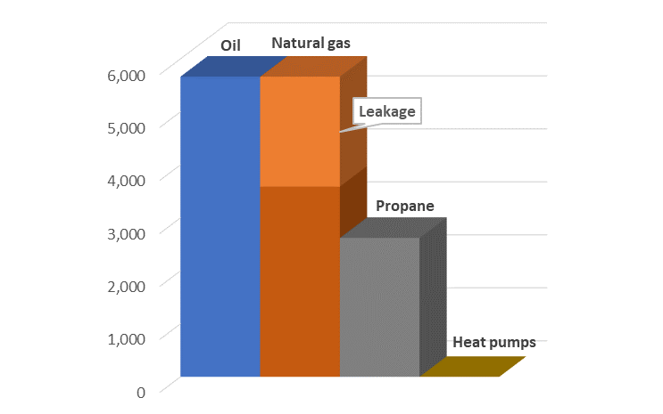
 | Carbon Calculator for <<names>> <e-mail address>
 | <<Street>>
 | Ossining, NY 10562

Remarks
 | Heating is the second biggest emitter of carbon |  |  |  |  | Oil | Oil | Gas
Question | Answer | Carbon | Comments | Comment value |  | Gas | Gas | Propane
What is your fuel source for heating? |  |  |  |  |  | Propane | Propane | Electric
What is your fuel source for cooking? |  |  |  |  |  | Electric | Electric | None
What is your fuel source for grilling, if any? |  |  |  |  |  | Pellet stove | None
How is heat distributed in your house? |  |  |  |  |  | Wood stove
Do you have duct work for forcing air? |  |  |  |  |  | None
How is hot water produced in your house?
What is the square footage of your house? | 2,392 |  | National average | 2,392 |  | Radiator | 5% | Yes
Annual gallons of oil | 551.0 |  | National average | 551 |  | Baseboard | 20% | No
Remarks |  |  |  |  |  | Forced air
 | Bio-diesel is made from soy plants |  |  |  |  | Radiant |  | Oil
 | B5 (5% bio-diesel) is mandatory in Westchester |  |  |  |  |  |  | Gas
 | B20 (20% bio-diesel) is available from some oil suppliers |  |  |  |  |  |  | GSHP (Ground source heat pump)
 | We recommend B20 unless the oil tank is in a very cold place (due to possibility of sludge) |  |  |  |  |  |  | Electric
Fraction of bio-diesel in heating oil | 5% | 5.442 | Westchester regs. | Min 5%, max 20%
Emissions savings from bio-diesel |  | 0.209 | This number not included in carbon total
Annual cubic feet of gas | 66,000 | 3.580 | National average | 66,000 | Note: enter either cubic feet or therms, not both, multiply ConEd daily value by 365
Annual therms of gas | 675 | 3.580 | National average | 675 | Note: enter either cubic feet or therms, not both, multiply ConEd daily value by 365
Annual gallons of propane | 464 | 2.615 | National average | 464
Heat pump |  | 0.000 | Great!
Remarks
 | Wood stoves, wood chips, wood pellets, fireplaces are zero carbon in our calculator
 | They emit CO2, but in the lifetime of the wood, a tree "fixed" CO2 from the atmosphere
 | Thus, if we practice sustainable forestry, this is a sutainable fuel in the lifetime of the tree/wood
Wood stove |  | 0.000 | Great!
Pellet stove |  | 0.000 | Great!
Fireplace |  | 0.000 | Great!
Total carbon |  | 15.217 | 10562 ave heat + elec | 11.956 tons

Efficiency
 | Smart thermostats
 | Insulate hot water pipes
 | Energy audit and energy efficiency audit
 | Improve insulation/attic
 | Maintain equipment
 | Make sure your fireplace chimney flue is closed except when you have a fire
 | Don't block radiators and baseboard with furniture or carpets
New HVAC system
 | Only 1 "HVAC year" between now and 2040, give carbon a seat at the table
 | Oil -> gas -> propane -> heat pump (heat pump reduces carbon monoxide and particle pollution INSIDE the house)

Electricity
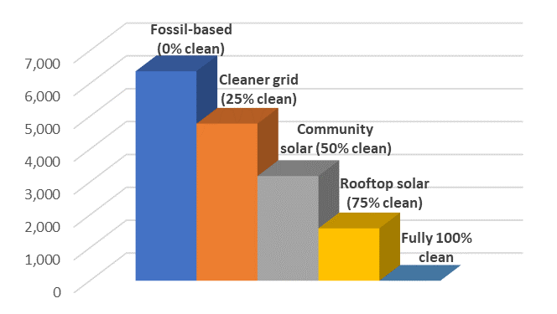
 | Carbon Calculator for <<names>> <e-mail address>
 | <<Street>>
 | Ossining, NY 10562

Remarks
 | Grid electricity is relatively clean in this part of the country
 | If you get your electricity either from a clean ESCO or community choice or solar, then it is 100% clean
 | In Croton, if your ESCO is "Constellation New Energy," then it is 100% clean
Question | Answer | Carbon | Comments | Comment value
Who is your utility? | Con Edison
Who is your Electricity Service Company (ESCO)
What is the square footage of your house? | 2,392 |  | National average | 2,392
How many kWhrs do you use per year? | 11,320 |  | National average | 11,320 | May need to average from Con Ed bill, remember to multiply daily value by 365
What fraction is clean? | 0% | 3.203 |  |  | Example: =average(H6:H17)*365
Total carbon |  | 3.203 | 10562 ave heat + elec | 11.956 tons

Efficiency
 | Buy clean electricity from your own solar, community choice solar, or a clean-energy ESCO
 | LED bulbs
 | Energy Star appliances
 | Turn lights off when room is not in use
 | Consider washing some loads in cold water (cold/cold setting is appropriate for most loads)
 | Consider a clothesline or drying rack for some clothes
 | Put monitors, computers, TVs on a sleep timer
 | Prevent phantom charging
 | Conserve water

Food and Waste
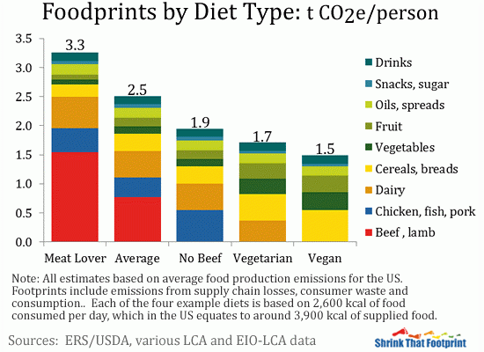
 | Carbon Calculator for <<names>> <e-mail address>
 | <<Street>>
 | Ossining, NY 10562

Remarks
 | AFOLU (Agriculture, Forestry and Land Use) is 23% of the global warming problem
 | We exacerbate things by wasting food
 | Reducing waste and reducing garbage are the two best things we can do quite easily
 | Our garbage is taken (by a diesel-belching truck) to an incinerator, which emits CO2
 | The zip code average is 806 kg of CO2, however, we give you "discounts" if you recycle
 |  |  |  |  | Yes | No
Question | Answer | Carbon | Comments | Newspaper only | -0.132 | 0.000
No recycling |  | 0.806 | 10562 ave. garbage = 0.806 tons | Metal only | -0.104 | 0.000
Newspaper only | No | 0.000 |  | Plastic only | -0.041 | 0.000
Metal only | No | 0.000 |  | Magazines only | -0.032 | 0.000
Plastic only | No | 0.000 |  | Glass only | -0.030 | 0.000
Magazines only | No | 0.000 |  | Compost only | 0.000 | 0.000
Glass only | No | 0.000
Compost only | No | 0.000 | Yet to be modeled
Remarks
 | For each person in the household, we will ask you to choose what best matches that person's diet:
 | Choice 1: Meat lover: quite a lot of red meat (beef, lamb, etc.)
 | Choice 2: Average meat: meat diet but not too much red meat
 | Choice 3: No beef: meat diet but no red meat
 | Choice 4: Vegetarian: no meat, but dairy included
 | Choice 5: Vegan: no meat, no dairy
Person #1 diet | None | 0.000 | 10562 average (food) = 7.860 tons | Meat lover | 3.300
Person #2 diet | None | 0.000 |  | Average meat | 2.500
Person #3 diet | None | 0.000 |  | No beef | 1.900
Person #4 diet | None | 0.000 |  | Vegetarian | 1.700
Person #5 diet | None | 0.000 |  | Vegan | 1.500
Person #6 diet | None | 0.000 |  | None | 0.000
Total food and waste carbon |  | 0.806

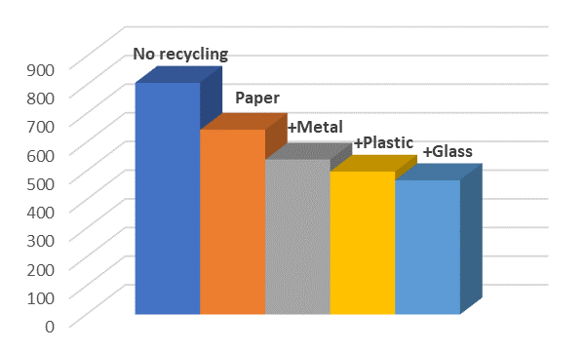
Food (in tons of CO2e annually)

Summary
 | Carbon Calculator for <<names>> <e-mail address>
 | <<Street>>
 | Ossining, NY 10562

Category | Emissions | Cars | Flights | Rail | Total
Transportation |  | 18.765 | 13.325 | 0.433 | 32.523
Heating | 15.217
Electricity | 3.203
Food and Waste | 0.806
Goods/services | 8.578
Zip code overhead | 5.000
Emissions Total | 65.327 | Emissions Total: 65.327 Metric Tons per Year

Emissions Total: 65.327 Metric Tons per Year
 | Emissions | Cars | Flights | Rail
Transportation |  | 18.765 | 13.325 | 0.43253116944
Heating | 15.217
Electricity | 3.203
Food and Waste | 0.806
Goods/services | 8.578
Zip code overhead | 5.000

Please take the pledge
Please donate
Please volunteer
Please give us feedback on the playbook and the playbook process
Please consider how you will reduce your carbon footprint by 50% by 2030, as called for by the United Nations
Please give carbon a seat at the table when you make choices

