Wiring & Accessories
Step 8: Choose Your Wiring, Accessories, Mounts & Brackets, and Monitoring Devices

Finally, you'll need wiring and accessories to connect components and protect each component with fuses, as well as mounts/brackets for your panels and a way to monitor your system.
This category is very specific to your unique installation and there are many factors to consider. Just like all components need to be appropriately sized and rated, so do the cables,
wires, fuses, and connections between all the components. See an example located BELOW the worksheet, which includes a diagram and parts list for our 300W solar powered system.
Check out the video of that installation in the Learning Center.

Important Considerations
*Electrical Cables: length, gauge, and type of cable, plus all the connectors needed to link the panels togther and to all the other components in the system.
*Component & Cable Protection: fuses, bus bars, fuse boxes, and switches will help protect each piece within the system from electrical surges or overloading.
*Mounts & Brackets: corner brackets, Z brackets, and tilt mounts to attach panels to the roof.
*Monitoring Devices: Bluetooth modules connect components to the DC Home App, other battery monitors and screens have a wired LCD display.

1. Use the links below to explore wiring, accessories, mounts & brackets, and monitoring options to familiarize yourself with products.
2. Estimate all wiring and accessories, select mounts & brackets (if applicable), and monitoring devices. See Learning Center for more information.
3. Enter the Style/Description, AWG, Length/Size, etc. and the current price of each product you select and the calculator will total your order.
Note: We've included extra lines for you to enter additional items. Feel free to add more lines as necessary.

Wiring, Accessories, Mounts & Brackets & Monitoring

Wiring | Style/Description | AWG | Length/Size | # per Pack | # of Packs Needed | Enter Current Price/Unit | Total Price | Total w/ CANLIFE Promo Code
Extension Cables |  |  |  |  |  |  | $0.00 | $0.00
 |  |  |  |  |  |  | $0.00 | $0.00
 |  |  |  |  |  |  | $0.00 | $0.00
 |  |  |  |  |  |  | $0.00 | $0.00
Tray Cables |  |  |  |  |  |  | $0.00 | $0.00
 |  |  |  |  |  |  | $0.00 | $0.00
 |  |  |  |  |  |  | $0.00 | $0.00
Adaptor Kits |  |  |  |  |  |  | $0.00 | $0.00
 |  |  |  |  |  |  | $0.00 | $0.00
 |  |  |  |  |  |  | $0.00 | $0.00
Additional Wiring |  |  |  |  |  |  | $0.00 | $0.00
 |  |  |  |  |  |  | $0.00 | $0.00
 |  |  |  |  |  |  | $0.00 | $0.00
 |  |  |  |  |  |  | $0.00 | $0.00
Total Wiring |  |  |  |  |  |  | $0.00 | $0.00

Accessories | Style/Description | Amp Rating |  | # per Pack | # of Packs Needed | Enter Current Price/Unit | Total Price | Total w/ CANLIFE Promo Code
MC4 Connectors |  |  |  |  |  |  | $0.00 | $0.00
Branch Connectors |  |  |  |  |  |  | $0.00 | $0.00
 |  |  |  |  |  |  | $0.00 | $0.00
 |  |  |  |  |  |  | $0.00 | $0.00
 |  |  |  |  |  |  | $0.00 | $0.00
Fuses (Inline & ANL) |  |  |  |  |  |  | $0.00 | $0.00
 |  |  |  |  |  |  | $0.00 | $0.00
 |  |  |  |  |  |  | $0.00 | $0.00
Fuse Box |  |  |  |  |  |  | $0.00 | $0.00
 |  |  |  |  |  |  | $0.00 | $0.00
Bus Bar |  |  |  |  |  |  | $0.00 | $0.00
 |  |  |  |  |  |  | $0.00 | $0.00
Switches |  |  |  |  |  |  | $0.00 | $0.00
 |  |  |  |  |  |  | $0.00 | $0.00
Total Accessories |  |  |  |  |  |  | $0.00 | $0.00

Mounts & Brackets | Style/Description |  |  | # per Pack | # of Packs Needed | Enter Current Price/Unit | Total Price | Total w/ CANLIFE Promo Code
Corner Brackets |  |  |  |  |  |  | $0.00 | $0.00
Z Brackets |  |  |  |  |  |  | $0.00 | $0.00
Tilt Mounts |  |  |  |  |  |  | $0.00 | $0.00
Cable Entry Housing |  |  |  |  |  |  | $0.00 | $0.00
 |  |  |  |  |  |  | $0.00 | $0.00
 |  |  |  |  |  |  | $0.00 | $0.00
Total Mounts & Brackets |  |  |  |  |  |  | $0.00 | $0.00

Monitoring Devices & Smart Accessories | Style/Description |  |  |  |  | Enter Current Price/Unit | Total Price | Total w/ CANLIFE Promo Code
Renogy ONE M1 |  |  |  |  |  |  | $0.00 | $0.00
Renogy ONE Core |  |  |  |  |  |  | $0.00 | $0.00
Monitoring Screen |  |  |  |  |  |  | $0.00 | $0.00
Battery Monitor w/ Shunt |  |  |  |  |  |  | $0.00 | $0.00
BT Module (BT-1 or BT-2) |  |  |  |  |  |  | $0.00 | $0.00
Communication Hub |  |  |  |  |  |  | $0.00 | $0.00
Data Module for Solar Charge Controller |  |  |  |  |  |  | $0.00 | $0.00
Smart Accessories (Relay / Plug / Sensor) |  |  |  |  |  |  | $0.00 | $0.00

Total Monitoring Devices |  |  |  |  |  |  | $0.00 | $0.00

Total Cost for Wiring, Accessories, Mounts & Brackets, and Monitoring |  |  |  |  |  |  | $0.00 | $0.00

Example: Our Solar Installation
By way of example, here is the diagram for our recent (April 2021) solar upgrade to our vintage camper. Below is a wiring diagram, and parts list meeting our specifications for the distance between the panels, the distance to the charge controller, and all the other components within the system (list below does NOT include components). To see this installation, watch this video.
Since 2021 we added another battery, a Renogy ONE Core Monitor, and a DC to DC charging option. Check out our system upgrade here.
2021 Wiring Diagram
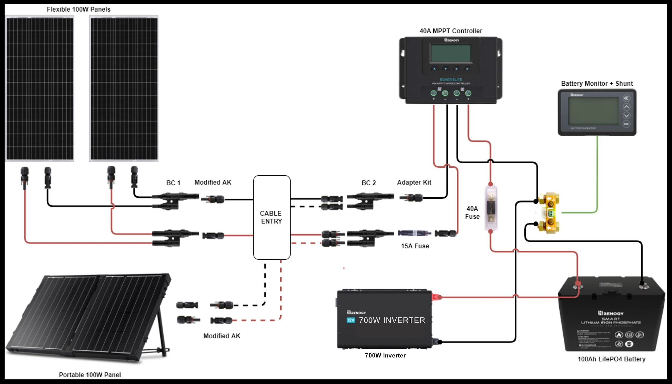
 |  |  |  | Learning Center

 |  |  |  |  | Blogs:
 |  |  |  |  | Wire Sizing Chart
 |  |  |  |  | BT Module vs Battery Monitor: Watts Best for Your Solar Powered System?
 |  |  |  |  | Different Ways to Mount Solar Panels
 |  |  |  |  | How to Mount Solar Panels on the Roof of a Camper

 |  |  |  |  | Videos:
 |  |  |  |  | Complete System Installation
 |  |  |  |  | Interactive Solar Wiring Diagrams for Camper Vans, RV, and Truck Campers
 |  |  |  |  | How to Size Wires for a DIY Camper Van Electrical Setup
 |  |  |  |  | Install Renogy ONE Core Monitor
 |  |  |  |  | Program Smart Accessories

(2021) Wiring, Accessories, Mounts & Brackets & Monitoring (EXAMPLE) | Style/Description | AWG | Length/Size | # per Pack | # of Packs Needed | Enter Current Price/Unit | Total Price | Total w/ CANLIFE Promo Code

Wiring
Extension Cables for Panel Connection | Extention Cable w/ MC-4 | 10 | 5ft | 1 | 2 | $18.99 | $37.98 | $35.70
Tray Cables from Charge Controller to Battery | Battery to CC Tray Cables w/ 3/8" Lugs | 12 | 8ft | 2 | 1 | $22.99 | $22.99 | $21.61
Adaptor Kit (Panels to CC via Branch Connector) | Solar Panel to Charge Controller Adaptor Kit | 10 | 20ft | 2 | 1 | $49.99 | $49.99 | $46.99
Adaptor Kit (Portable Panel to CC via Branch Connector) | Solar Panel to Charge Controller Adaptor Kit | 10 | 20ft | 2 | 1 | $49.99 | $49.99 | $46.99
Adaptor Kit (Branch Connector to CC) | Solar Panel to Charge Controller Adaptor Kit | 10 | 9in | 2 | 1 | $5.99 | $5.99 | $5.63
Battery Cable for Fuse | 2ft ANL Fuse Cable w/ Double Ring Terminals for 3/8" Lugs | 10 | 2 | 1 | 2 | $17.99 | $35.98 | $33.82
Total Wiring |  |  |  |  |  |  | $202.92 | $190.74

Accessories
Branch Connectors | 2 to 1 Solar Y Branch Connectors MMF + FFM Pair | NA | NA | 2 | 2 | $12.99 | $25.98 | $24.42
Fuses (Panels to CC - for Parallel Connection) | Solar Connector Waterproof Inline Fuse w/ Holder | NA | 15A | 1 | 1 | $15.99 | $15.99 | $15.03
Fuse (CC to Battery) | 40A ANL Fuse Set w/ Fuse | NA | 40A | 1 | 1 | $15.99 | $15.99 | $15.03
Total Accessories |  |  |  |  |  |  | $57.96 | $54.48

Mounts & Brackets
Cable Entry Housing | Solar Double Cable Entry Gland | NA | NA | 1 | 1 | $12.99 | $12.99 | $12.21
Total Mounts & Brackets |  |  |  |  |  |  | $12.99 | $12.21

Monitoring Devices & Smart Accessories
Battery Monitor w/ Shunt | 500A Battery Monitor | NA | 500A | 1 | 1 | $99.99 | $99.99 | $93.99
Total Monitoring |  |  |  |  |  |  | $99.99 | $93.99

Total Cost for Wiring, Accessories & Monitoring |  |  |  |  |  |  | $373.86 | $351.43

