Welcome & Instructions
Welcome to Our Solar Powered System Worksheet!*

We've created this resource to help you plan, learn about the components you'll need, and compile an order to build out a solar powered system which meets your energy needs.
This comprehensive resources combines a Learning Center, Solar Calculator, and Planning Worksheet all-in-one. It is designed with DIY beginners in mind.

Watch our Video: | How To Use this Worksheet

Directions
1. Along the bottom of this worksheet, you will see 10 colored-coded tabs. Each tab is a step in building out your system.
2. Start with Total Watt Hours Calculations and work through each tab in order. Information that you enter will be compiled automatically in the last tab, Total Order.
3. There is an example worksheet for each section to help guide you. Use the worksheet BELOW the example to build your own system. Use the Learning Center in each section to learn more!
4. This worksheet is designed for use with Renogy products. We are Renogy Ambassadors, and the spreadsheets contain affiliate links. However, many companies offer similarly
rated products, so use this worksheet to build the order that meets your needs. With our links and promo code, "CANLIFE," you will receive an additional 6% on your Renogy order.
5. Open the Renogy website in a separate tab as you will be moving back and forth between this worksheet and the website to build your system at: |  |  |  |  |  |  |  |  | renogy.com

A Guide to the Tables within the Worksheet
1. Within each worksheet tab, there are cells in which you will need to input some information; these are indicated by cells with no color shading (clear background).
2. Some cells are set up as a drop down menu from which you need to make a selection. When you click on these cells, use the small arrow to make your selection.
3. Most gray cells will auto-populate based on your selection and data that you enter. Many of these will show a "0" if you don't enter anything on that line. Don’t sweat it.
4. Some cells have a small red triangle in the upper right corner, this indicates a "note" with some additional information about the calculation or data.

EXAMPLE
Entertainment | AC / DC? | Volts | Amps | Watts | Hours / Day | AC Watt Hours | DC Watt Hours | Total Watt Hours
TV | AC |  |  | 160 | 2 | 320 | 0 | 320
DVD Player |  |  |  | 0 |  | 0 | 0 | 0
Sound System |  |  |  | 0 |  | 0 | 0 | 0
Other | DC | 12 | 3 | 36 | 3 | 0 | 108 | 108
Total Entertainment WH |  |  |  |  |  |  |  | 428

What This Worksheet WON'T Do For You
1. It will not make decisions for you. You'll need to do the homework, and we have provided a Learning Center in each tab with resources for each step to explore your options.
2. Based on your unique situation/vehicle, you will need to determine the length and size of wiring, fuses needed, tools required, etc.
3. It will not place your order. This is designed to help you compile a comprehensive order, but you will still need to place it online.


 |  | Contact Info
 |  | Shari & Hutch
 |  | freedominacan.com
 |  | freedominacan1957@gmail.com

 |  | Sign up for our "Almost Monthly" Newsletter for RV travel stories & solar insights!

*Disclaimer: This worksheet is intended to help users plan, organize, and calculate a personal DIY solar powered electrical system. We, Shari & Hutch (Freedom in a Can, LLC), are neither professional electricians nor solar installers; we are educators who have learned enough to install our own system and to empower others to do the same. That is our purpose in putting this resource together. Please help us make this a better resource and give us your feedback. Feel free to share it with others! Let's help rid the campgrounds of the world of noisy gas-powered generators! If you have questions, reach out to us. If you need additional assistance, consult a solar professional or certified electrician. Do your homework, take it one step at a time, and good luck!

Copyright 2026, Freedom in a Can, LLC. All rights reserved.

Wiring & Accessories
Step 8: Choose Your Wiring, Accessories, Mounts & Brackets, and Monitoring Devices

Finally, you'll need wiring and accessories to connect components and protect each component with fuses, as well as mounts/brackets for your panels and a way to monitor your system.
This category is very specific to your unique installation and there are many factors to consider. Just like all components need to be appropriately sized and rated, so do the cables,
wires, fuses, and connections between all the components. See an example located BELOW the worksheet, which includes a diagram and parts list for our 300W solar powered system.
Check out the video of that installation in the Learning Center.

Important Considerations
*Electrical Cables: length, gauge, and type of cable, plus all the connectors needed to link the panels togther and to all the other components in the system.
*Component & Cable Protection: fuses, bus bars, fuse boxes, and switches will help protect each piece within the system from electrical surges or overloading.
*Mounts & Brackets: corner brackets, Z brackets, and tilt mounts to attach panels to the roof.
*Monitoring Devices: Bluetooth modules connect components to the DC Home App, other battery monitors and screens have a wired LCD display.

1. Use the links below to explore wiring, accessories, mounts & brackets, and monitoring options to familiarize yourself with products.
2. Estimate all wiring and accessories, select mounts & brackets (if applicable), and monitoring devices. See Learning Center for more information.
3. Enter the Style/Description, AWG, Length/Size, etc. and the current price of each product you select and the calculator will total your order.
Note: We've included extra lines for you to enter additional items. Feel free to add more lines as necessary.

Wiring, Accessories, Mounts & Brackets & Monitoring

Wiring | Style/Description | AWG | Length/Size | # per Pack | # of Packs Needed | Enter Current Price/Unit | Total Price | Total w/ CANLIFE Promo Code
Extension Cables |  |  |  |  |  |  | $0.00 | $0.00
 |  |  |  |  |  |  | $0.00 | $0.00
 |  |  |  |  |  |  | $0.00 | $0.00
 |  |  |  |  |  |  | $0.00 | $0.00
Tray Cables |  |  |  |  |  |  | $0.00 | $0.00
 |  |  |  |  |  |  | $0.00 | $0.00
 |  |  |  |  |  |  | $0.00 | $0.00
Adaptor Kits |  |  |  |  |  |  | $0.00 | $0.00
 |  |  |  |  |  |  | $0.00 | $0.00
 |  |  |  |  |  |  | $0.00 | $0.00
Additional Wiring |  |  |  |  |  |  | $0.00 | $0.00
 |  |  |  |  |  |  | $0.00 | $0.00
 |  |  |  |  |  |  | $0.00 | $0.00
 |  |  |  |  |  |  | $0.00 | $0.00
Total Wiring |  |  |  |  |  |  | $0.00 | $0.00

Accessories | Style/Description | Amp Rating |  | # per Pack | # of Packs Needed | Enter Current Price/Unit | Total Price | Total w/ CANLIFE Promo Code
MC4 Connectors |  |  |  |  |  |  | $0.00 | $0.00
Branch Connectors |  |  |  |  |  |  | $0.00 | $0.00
 |  |  |  |  |  |  | $0.00 | $0.00
 |  |  |  |  |  |  | $0.00 | $0.00
 |  |  |  |  |  |  | $0.00 | $0.00
Fuses (Inline & ANL) |  |  |  |  |  |  | $0.00 | $0.00
 |  |  |  |  |  |  | $0.00 | $0.00
 |  |  |  |  |  |  | $0.00 | $0.00
Fuse Box |  |  |  |  |  |  | $0.00 | $0.00
 |  |  |  |  |  |  | $0.00 | $0.00
Bus Bar |  |  |  |  |  |  | $0.00 | $0.00
 |  |  |  |  |  |  | $0.00 | $0.00
Switches |  |  |  |  |  |  | $0.00 | $0.00
 |  |  |  |  |  |  | $0.00 | $0.00
Total Accessories |  |  |  |  |  |  | $0.00 | $0.00

Mounts & Brackets | Style/Description |  |  | # per Pack | # of Packs Needed | Enter Current Price/Unit | Total Price | Total w/ CANLIFE Promo Code
Corner Brackets |  |  |  |  |  |  | $0.00 | $0.00
Z Brackets |  |  |  |  |  |  | $0.00 | $0.00
Tilt Mounts |  |  |  |  |  |  | $0.00 | $0.00
Cable Entry Housing |  |  |  |  |  |  | $0.00 | $0.00
 |  |  |  |  |  |  | $0.00 | $0.00
 |  |  |  |  |  |  | $0.00 | $0.00
Total Mounts & Brackets |  |  |  |  |  |  | $0.00 | $0.00

Monitoring Devices & Smart Accessories | Style/Description |  |  |  |  | Enter Current Price/Unit | Total Price | Total w/ CANLIFE Promo Code
Renogy ONE M1 |  |  |  |  |  |  | $0.00 | $0.00
Renogy ONE Core |  |  |  |  |  |  | $0.00 | $0.00
Monitoring Screen |  |  |  |  |  |  | $0.00 | $0.00
Battery Monitor w/ Shunt |  |  |  |  |  |  | $0.00 | $0.00
BT Module (BT-1 or BT-2) |  |  |  |  |  |  | $0.00 | $0.00
Communication Hub |  |  |  |  |  |  | $0.00 | $0.00
Data Module for Solar Charge Controller |  |  |  |  |  |  | $0.00 | $0.00
Smart Accessories (Relay / Plug / Sensor) |  |  |  |  |  |  | $0.00 | $0.00

Total Monitoring Devices |  |  |  |  |  |  | $0.00 | $0.00

Total Cost for Wiring, Accessories, Mounts & Brackets, and Monitoring |  |  |  |  |  |  | $0.00 | $0.00

Example: Our Solar Installation
By way of example, here is the diagram for our recent (April 2021) solar upgrade to our vintage camper. Below is a wiring diagram, and parts list meeting our specifications for the distance between the panels, the distance to the charge controller, and all the other components within the system (list below does NOT include components). To see this installation, watch this video.
Since 2021 we added another battery, a Renogy ONE Core Monitor, and a DC to DC charging option. Check out our system upgrade here.
2021 Wiring Diagram
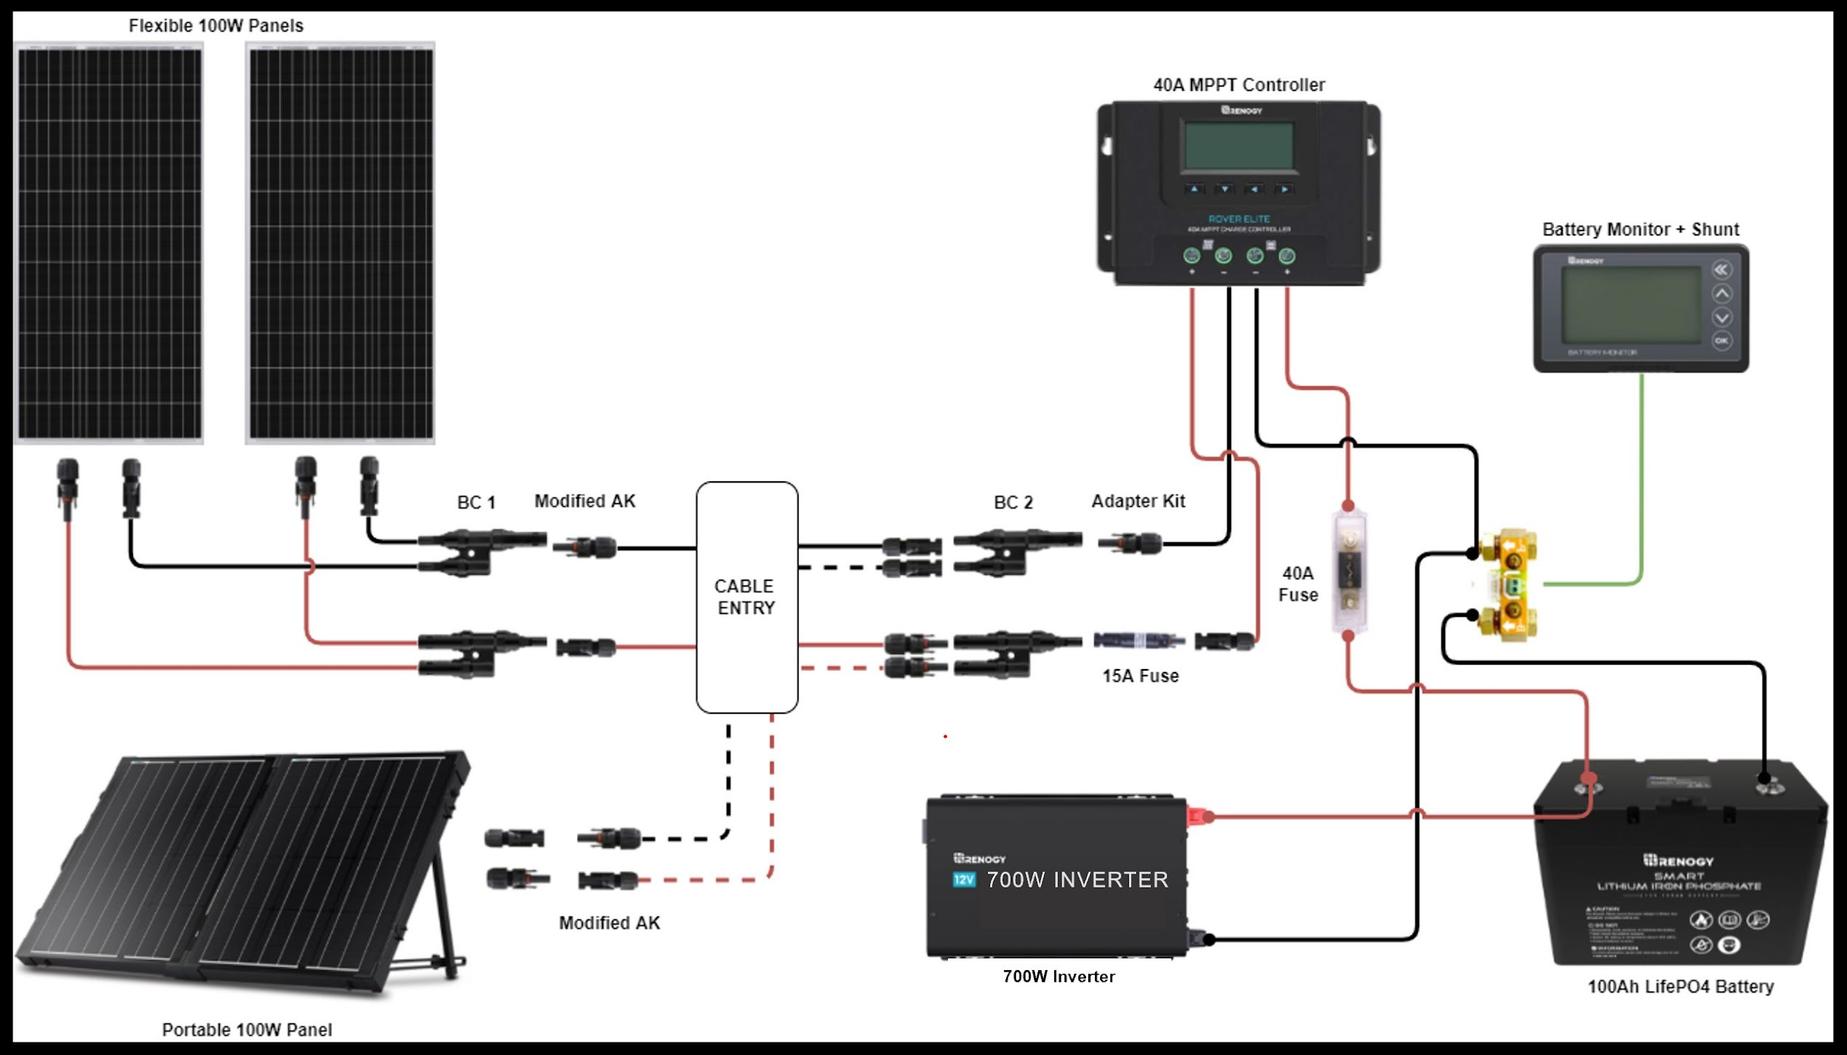
 |  |  |  | Learning Center

 |  |  |  |  | Blogs:
 |  |  |  |  | Wire Sizing Chart
 |  |  |  |  | BT Module vs Battery Monitor: Watts Best for Your Solar Powered System?
 |  |  |  |  | Different Ways to Mount Solar Panels
 |  |  |  |  | How to Mount Solar Panels on the Roof of a Camper

 |  |  |  |  | Videos:
 |  |  |  |  | Complete System Installation
 |  |  |  |  | Interactive Solar Wiring Diagrams for Camper Vans, RV, and Truck Campers
 |  |  |  |  | How to Size Wires for a DIY Camper Van Electrical Setup
 |  |  |  |  | Install Renogy ONE Core Monitor
 |  |  |  |  | Program Smart Accessories

(2021) Wiring, Accessories, Mounts & Brackets & Monitoring (EXAMPLE) | Style/Description | AWG | Length/Size | # per Pack | # of Packs Needed | Enter Current Price/Unit | Total Price | Total w/ CANLIFE Promo Code

Wiring
Extension Cables for Panel Connection | Extention Cable w/ MC-4 | 10 | 5ft | 1 | 2 | $18.99 | $37.98 | $35.70
Tray Cables from Charge Controller to Battery | Battery to CC Tray Cables w/ 3/8" Lugs | 12 | 8ft | 2 | 1 | $22.99 | $22.99 | $21.61
Adaptor Kit (Panels to CC via Branch Connector) | Solar Panel to Charge Controller Adaptor Kit | 10 | 20ft | 2 | 1 | $49.99 | $49.99 | $46.99
Adaptor Kit (Portable Panel to CC via Branch Connector) | Solar Panel to Charge Controller Adaptor Kit | 10 | 20ft | 2 | 1 | $49.99 | $49.99 | $46.99
Adaptor Kit (Branch Connector to CC) | Solar Panel to Charge Controller Adaptor Kit | 10 | 9in | 2 | 1 | $5.99 | $5.99 | $5.63
Battery Cable for Fuse | 2ft ANL Fuse Cable w/ Double Ring Terminals for 3/8" Lugs | 10 | 2 | 1 | 2 | $17.99 | $35.98 | $33.82
Total Wiring |  |  |  |  |  |  | $202.92 | $190.74

Accessories
Branch Connectors | 2 to 1 Solar Y Branch Connectors MMF + FFM Pair | NA | NA | 2 | 2 | $12.99 | $25.98 | $24.42
Fuses (Panels to CC - for Parallel Connection) | Solar Connector Waterproof Inline Fuse w/ Holder | NA | 15A | 1 | 1 | $15.99 | $15.99 | $15.03
Fuse (CC to Battery) | 40A ANL Fuse Set w/ Fuse | NA | 40A | 1 | 1 | $15.99 | $15.99 | $15.03
Total Accessories |  |  |  |  |  |  | $57.96 | $54.48

Mounts & Brackets
Cable Entry Housing | Solar Double Cable Entry Gland | NA | NA | 1 | 1 | $12.99 | $12.99 | $12.21
Total Mounts & Brackets |  |  |  |  |  |  | $12.99 | $12.21

Monitoring Devices & Smart Accessories
Battery Monitor w/ Shunt | 500A Battery Monitor | NA | 500A | 1 | 1 | $99.99 | $99.99 | $93.99
Total Monitoring |  |  |  |  |  |  | $99.99 | $93.99

Total Cost for Wiring, Accessories & Monitoring |  |  |  |  |  |  | $373.86 | $351.43

