Sheet1
FINISHED CHART

 | ACTUAL | TARGET
PROGRAM A | 4 | 3
PROGRAM B | 5 | 3
PROGRAM C | 6 | 3

STEP 1
INSERT 2D CLUSTERED COLUMN (INCLUDE ACTUAL AND TARGET COLUMNS)

 | ACTUAL | TARGET
PROGRAM A | 4 | 3
PROGRAM B | 5 | 3
PROGRAM C | 6 | 3

STEP 2
Put Actual columns on secondary axis (adjust axes as needed)

 | ACTUAL | TARGET
PROGRAM A | 4 | 3
PROGRAM B | 5 | 3
PROGRAM C | 6 | 3

STEP 3
Select Target column on chart (go to Format Chart Area menu, click Chart Options dropdown and select target series to highlight it in chart) > Set gap width of Target series to 0%

 | ACTUAL | TARGET
PROGRAM A | 4 | 3
PROGRAM B | 5 | 3
PROGRAM C | 6 | 3

STEP 4
Add drop shadow effect to Target series (select target bars > Format Data Series menu > Effects tab > Shadow - set shadow transparency to 0%, size 100%, Blur 0 pt, Angle 270%, Distance 2 pt)

Set Target series fill color to "No Fill" - if you want legend to remain, select "No Fill" on each bar one by one.

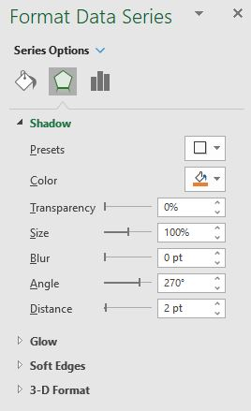
 | ACTUAL | TARGET
PROGRAM A | 4 | 3
PROGRAM B | 5 | 3
PROGRAM C | 6 | 3

