Guidance
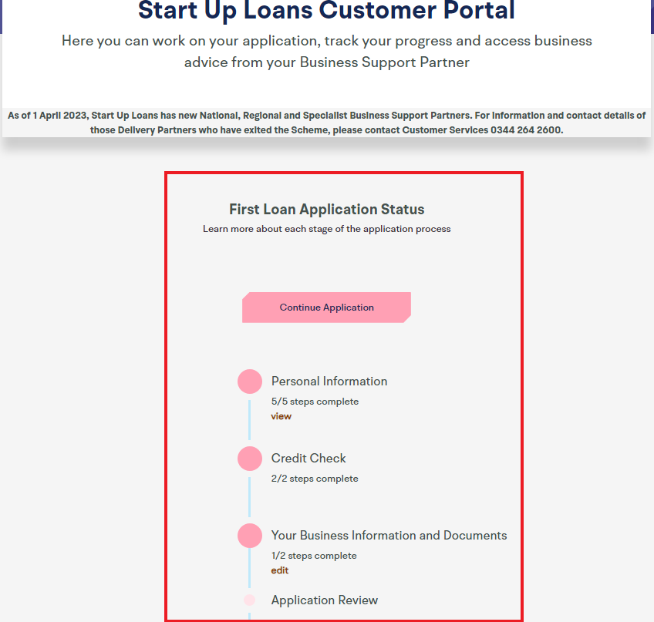
 |  | Name:
 |  | Company Name:

Guidance on using these templates for your Start Up Loan application
- First, please save your name and company name to this document, using the space above - In this document, you will find four tabs, that need to be completed as part of your loan application - Don't worry if you need some help. At the top of each tab you will find both a description of each of the templates, as well as some tips on how to complete them - We suggest you complete each template in number order so that you can carry forward any of your workings - If you need some help completing these documents, you can submit them as a first draft, within the customer portal and one of our Business Support Partners will be in touch to provide further assistance - If you have already completed a Business Plan, Personal Survival Budget or Cash Flow Forecast, you do not have to transfer the information into our templates - Our templates have been designed to support our application process, so we would encourage you to provide the information we have requested across these templates, to help us assess your application quicker, so please review the information you provide before submitting - Finally, don't forget to save your document as you go through

TIPS ON COMPLETING THE TEMPLATES

* | The templates are designed to be as easy to use as possible - for the BP tab, please follow the guidelines closely and relate these guidelines to your business. For the CFF, SA and PSB, simply enter your figures into the white coloured cells on the templates and all of the light blue coloured cells will auto-calculate based on your responses.
* | For an explanation of any terms included on these templates, hover over the cells that have a red triangle in the top right corner and you will see some further instructions and guidance related to that item. If you're still unsure don't worry: your first draft won't necessarily be your final submission. Your Business Adviser will be able to work with you once you have submitted an initial draft;
* | For the PSB and CFF, If you want to see what formula is being used to calculate any of the blue cells, or find out which cells are being used in the calculation, simply click on the cell and the formula will display in the Formula Bar at the top of the page;
* | If any of the numbers you enter result in a negative balance, then this negative balance will be displayed in red to draw this to your attention. Ideally, you want to avoid negative totals or balances, so think about what you can feasibly change in order to achieve this. Alternatively please provide details of how this negative balance will be covered (i.e. Business overdraft etc.) within the commentary box provided;
* | The templates list a range of common options but they might not all be applicable for you. Add or remove items as relevant to you and your business;
* | All values that you enter should be in GBP (£) and should include VAT;
* | Use the commentary box at the bottom of the templates to explain any assumptions you've made or notes you'd like to discuss with your Business Adviser;

* | For free and impartial advice on your personal budgeting, contact the government-backed Money Advice Service via their website or telephone.
 | Go to http://www.moneyadviceservice.org.uk or call: 0800 138 7777 (calls are free).

Excel Tips

* | If you need to go to the next line in a cell or create another bullet point in the same cell, press and hold the Alt key and click the Enter key once. This will tab down to the next line but you will remain in the same cell. To save the changes you have made to the cell, press Enter once you are finished. Do not press Esc as this will delete your changes.
* | If you need to edit a cell without deleting any of the text you have already typed in, first select the cell and click in the formula bar (shown in screenshot below)
* | If you need more help with using excel please see our Excel Tips tab

Uploading this document to the portal

* | Once you reach Stage 3:1 in the online application process you will first be asked to provide some basic information about your business as shown below (left)
* | Following this, you will reach stage 3:2 where you will be asked to upload your business documents as shown below (right). You will also have the option to request help with your documents, if you need it.

 | Stage 3:1 |  | Stage 3:2
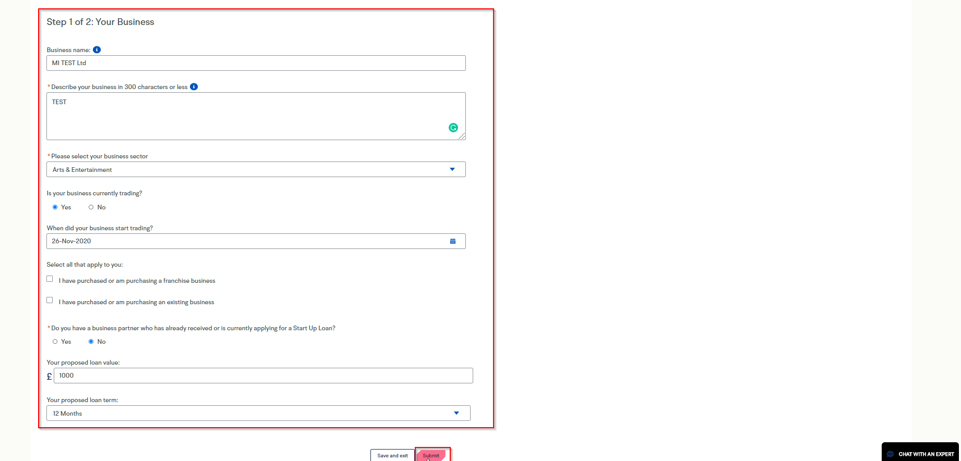
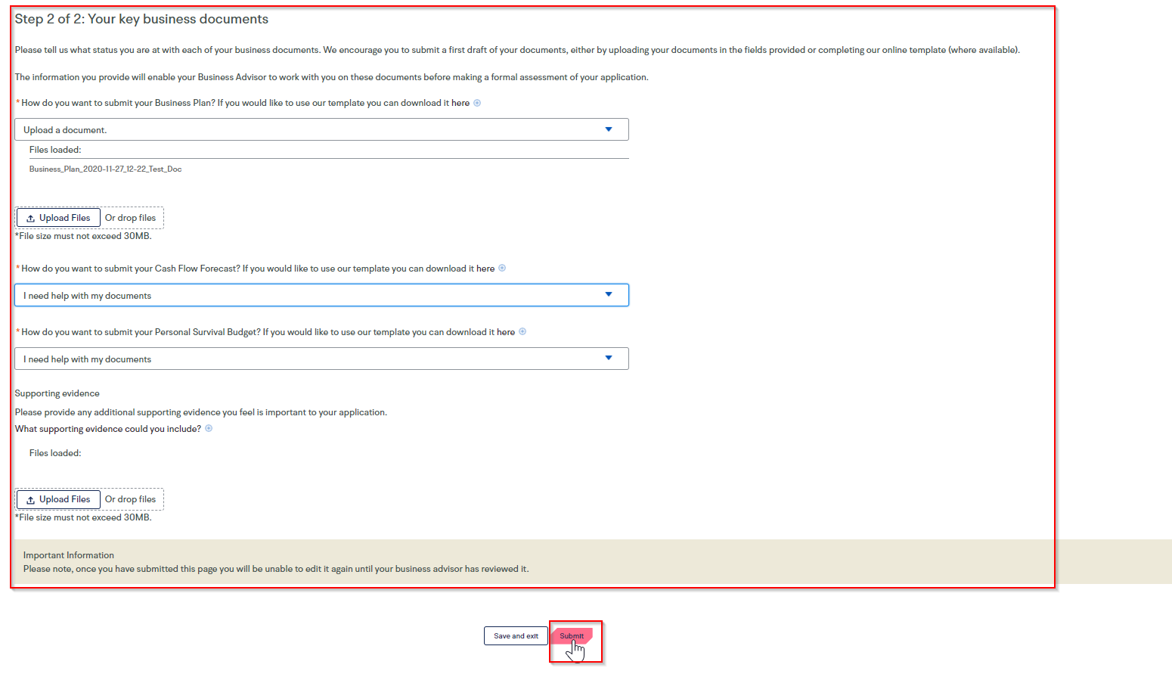

* | If you need to re-visit the portal and re-upload your documents after making amendments, you can do so at any time by logging into your account and viewing the "Your Business information and documents" section on the portal and re-uploading.

1 Business Plan(BP)

Business Plan
 | Name:
 | Company Name:

Your Business Plan (BP) should detail your blueprint for how your business will operate. Your Business Plan is designed to help us determine whether or not your Business is viable and can sustainably produce sufficient profits to maintain your monthly Start Up Loan repayments.

- The content in the Business Plan below is the minimum requirement for completing the business viability part of your application;
- Please complete each field using the questions, prompts and examples as a guideline for the detail that we require;
- The closer you can follow the guidelines to complete the BP, the more likely you are to provide your assigned Business Support Partner with the information they need to make a decision;
- In some instances, more information may be required. If this is the case, your Business Adviser will inform you of what further information is needed;
- Please note, your BP can be a first draft, it doesn't have to be perfect. If you need more help, submit what you can and your Business Support Partner will be in touch;

1. Your business and objectives |  |  |  |  |  |  | Guidance

Describe your business, outlining the different product(s) and/or service(s) you offer:
 |  |  |  |  |  |  | Things to consider: - What products do you sell or what services do you provide? - What percentage of the company do you own? - Is the business already trading? - Trading Entity (Limited company, sole trader or partnership etc.) - Operational structure of business including any planned changes - for example do you have staff? if so, how many? - Will/do you have Commercial Premises or is this a home based business? - If commercial premises, please provide a head of terms, lease or storage agreement - Business performance (financially) to date if you have started trading - Key Milestones achieved (for example you have created a website) - If you have purchase orders, please provide evidence and the value of these purchase orders.

Objectives:

Short term (current year):
 |  |  |  |  |  |  | Objectives should be SMART: Specific, Measurable, Attainable, Realistic and Time bound Examples: Develop a website that is transaction based so customers can place orders by 01/011/2021 Create a customer relationship management framework by 01/12/2021 Reduce direct costs by 20% negotiating a better deal with suppliers based on higher purchase volumes by 01/12/2021

Medium term (next 1 – 2 years):
 |  |  |  |  |  |  | Objectives should be SMART: Specific, Measurable, Attainable, Realistic and Time bound Examples: Increase revenue by 5% each of the next 4 quarters Use suggestive selling to increase the total value of each sale by 10 percent by the end of the current fiscal year. Send a service quality survey to every customer within 30 days of their first contact.

Your Start Up Loan:

Describe how you will use your Start Up Loan and how it will help you achieve these objectives:
Cost Description |  | Cost (£) | Rationale |  |  |  | Things to consider: - Is all your expenditure needed at the outset? Please consider your total funding requirement over the first 12 month trading period - Please could you provide a full and detailed loan breakdown? This needs to be very specific. Like a shopping list, please provide details of each item with a £ value alongside each item. The more specific and detailed you are, the more likely you will be successful. Please provide a brief description of why each item would be useful for the business. Please see some examples below. - Equipment purchase £3000 total. £2000 for a large pressure washer and £1000 for a small pressure washer. - Working capital - surplus of stock. For example, paying creditors - The loan will be used as a Lease deposit - Staff changes - Change of premises - The loan will be used to fulfil purchase orders

2. Your skills and experience

Outline any previous experience, employment or other work that you have done that is relevant to your business:
 |  |  |  |  |  |  | You may have: Previously set up another business / a similar business. Previously worked in the same sector for another business. Had formal training / qualifications Is there any training required that you do not have? Personal traits that make you well suited to run the company (natural salesman, well organised, language, creative, analytical etc.).

Outline any education or training you have had that is relevant to your business:
 |  |  |  |  |  |  | Depending on the business, you may be required to have certain qualifications/training and if so, please make the details of when/how these were achieved clear. For example "I have a Level 3 NVQ Diploma in Domestic Plumbing and heating which I achieved in August 2010." Or "I have a degree in Business Management with Open University"

3. Your target customers |  |  |  |  |  |  |  | Guidance

Demographic details:
Briefly describe your target customers:
 |  |  |  |  |  |  |  | Look at your current customer base. Analse your product/service. Choose specific demographics to target. Consider the psychographics of your target. Evaluate your decision.

What customer need or problem does your product(s) and/or service(s) address?

Explain your approach to pricing your product(s) and/or service(s):

4. Your market and competition |  |  |  |  |  |  |  | Guidance

What research have you conducted to understand your market, including your industry, regions, customers, competitors?
Delete any answers not applicable to you and provide some description as relevant.
· Surveys & questionnaires |  |  |  |  |  |  |  | Describe why there is a demand for the products/ services the business will be providing in the chosen locality. Things to consider may include, but not limited to: - Clearly identify where you intend to trade and the potential market size/opportunity. - Provide a list of your key competitors, highlight their strengths and weaknesses and identify the unique selling points of their own offering. - Clearly describe the target audience, their motivations for 'buying' and any other key features that may assist you in reaching and converting these customers. Show how you have undertaken market research to help you develop an understanding of the market, competitors and customers (e.g. surveys, opinion polls, focus groups, data gathering, mystery shopping etc). It is not about the activities themselves but rather the insights you have drawn from this market research and it should be clear how you are harnessing these within your plans. Identify at least three sales/marketing tactics you are using or intend to use in order to reach their customers. Clearly describe how these activities will be carried out and measured. Demonstrate that there is a market for your offering (e.g. expressions of interest, letters of intent, contracts in place, waiting list/requests for orders, creation of a community following, test trading or sampling etc.).
· Focus groups
· Interviews
· Desk or online research
· Market testing
· Trade fairs or exhibitions
· Met with suppliers
· Personal experience
· Social media research
· Mystery shopping competitors
· Family and friends
· Other

Competitor 1:

Name, location, website: |  |  |  |  |  | Average prices:

Strengths: |  |  |  |  |  | Weaknesses:

Competitor 2:

Name, location, website: |  |  |  |  |  | Average prices:

Strengths: |  |  |  |  |  | Weaknesses:

Your business:

What sets your business apart from your competitors?

Your strengths: |  |  |  |  |  | Your weaknesses:

Current or future opportunities: |  |  |  |  |  | Current or future threats:

5. Your sales and marketing plans |  |  |  |  |  |  |  | Guidance

How do you/ will you promote your business?
 |  |  |  |  |  |  |  | · Website (information only) · Website (for e-commerce) · Advertising (online) · Advertising (print, radio, TV) · Search engine marketing · Social media · Retail outlets · Telesales · Referrals · Leaflets · Events and exhibitions · PR · Other Determine the KPIs for this mission. Describes how you will track the performance of your marketing activities. To do so, you'll need to determine your key performance indicators, or "KPIs" for short. Describe your content initiatives and strategies. Which types of content you'll create. These can include blog posts, YouTube videos, infographics, ebooks, and more. Define the goals (and KPIs) you'll use to track each type. Consider the channels on which you'll distribute this content. Some popular channels at your disposal include Facebook, Twitter, LinkedIn, YouTube, and Instagram. Define your marketing budget. Your content strategy might leverage many free channels and platforms, but there are a number of hidden expenses to a marketing plan that need to be accounted for (for example, contractor fees).

6. Your operational plans |  |  |  |  |  |  |  | Guidance

Please provide details of two key suppliers or key relationships that are or will be important to running your business: Detail as relevant in the boxes provided below.

Supplier / Relationship 1:

Organisation: |  |  |  | Relationship status:
 |  |  |  | Delete any answers not applicable to you.
 |  |  |  | · No contract/commitment |  |  |  | Things to consider may include but not limited to: - If you need to operate out of a premises, this should be either identified, under negotiation or should already be in place. Ideally, the terms of the lease on the premises should match the terms of the loan (i.e. 5 year loan term = 5 year lease on premises). If not, please explain why this is not a concern and will not impact the viability of the business. - If you need staff to run your business and achieve your business objectives, recruitment plans should be in place or appropriate individuals already in place. Describe any details related to their employment (e.g. salary, terms, roles and responsibilities etc.) - If you need equipment or other stock/resources/suppliers to run your business, then it should be clear what is needed, where they are/will be sourced from and any associated terms. Evidence should be provided where necessary. i.e quotes, supplier terms/ agreements - Demonstrate that you are aware of what tax, legal and insurance regulations affect your business, and where relevant, should that you have made (or be making) the appropriate arrangements to comply with these areas. Again, evidence should be provided as and where required (for example, application for a personal license for opening a bar) Any operational resources that require financial investment should be clearly and consistently reflected in the Cash Flow Forecast. Supplementary evidence should be provided as and where applicable.
 |  |  |  | · Contact under negotiation
 |  |  |  | · Project-based arrangement
 |  |  |  | · Contract or retainer in place
 |  |  |  | · Other

Service provided: |  |  |  | Key terms of the relationship:

Supplier / Relationship 2:

Organisation: |  |  |  | Relationship status:
 |  |  |  | Delete any answers not applicable to you.
 |  |  |  | · No contract/commitment
 |  |  |  | · Contact under negotiation
 |  |  |  | · Project-based arrangement
 |  |  |  | · Contract or retainer in place
 |  |  |  | · Other

Service provided: |  |  |  | Key terms of the relationship:

Other operational considerations:

Do you currently employ staff?
Delete any answers not applicable to you and provide some description as relevant.
· Yes (proceed to question A below)
· Not yet but I have plans to take on staff in the next 12-months (proceed to question B)
· No and I have no plans to take on staff in the next 12-months (proceed to next section)

A. How many staff do you currently employ?
Full time: |  |  |  |  | Part time:

Outline the key staff roles within your business (e.g. job title, responsibilities, key skills):

B. How many staff do you intend to take on in the next 12-months?
Full time: |  |  |  |  | Part time:

Describe the key responsibilities and skills you anticipate giving to these new staff:

Where does or will your business operate from?
Delete any answers not applicable to you and provide some description as relevant.
· Home business
· Office
· Retail unit
· Manufacturing unit
· Mobile business (vehicle)
· Work-hub
· Other

What laws or regulations have you considered for your business and/or industry?

What insurance do you currently have in place or do you intend to put in place for your business?

7. Back-up plan

How will you manage your loan repayments if your business doesn’t go according to plan?
Your back-up plan should highlight:
· What your loan repayments are
· How you would manage these repayments in the case of an unexpected event
· Why you feel this is a realistic plan

 |  |  |  |  |  |  | Describe how you would be able to meet your loan repayments, personal expenditure (PSB) as well as any long term liabilities in relation to the business, in the event the business were to fail. Things to consider: - Long term liabilities such as lease agreements (break clause?), asset finance, other credit agreements, etc. - Your Personal Survival Budget demonstrates sufficient disposable income capable of absorbing the monthly loan repayments. - You have other skills or experience that would reasonably allow you to return to employment. It may be useful to note potential job type and salary expectations - If bank statements were provided, it may be clear that you previously earned sufficient income to cover your personal expenses. - There may be business assets sufficient in value to repay the loan. - If returning to employment consider how realistic this is, if long term unemployed. - If in receipt of any benefits related to ill health consider the potential impact on the backup plan. If yes, please verify nature of disability and related to client? It may be possible to rely on one of the above, or a combination. Reliance on a third party to repay the loan is not acceptable.

