4 - Interpretation & Guidance
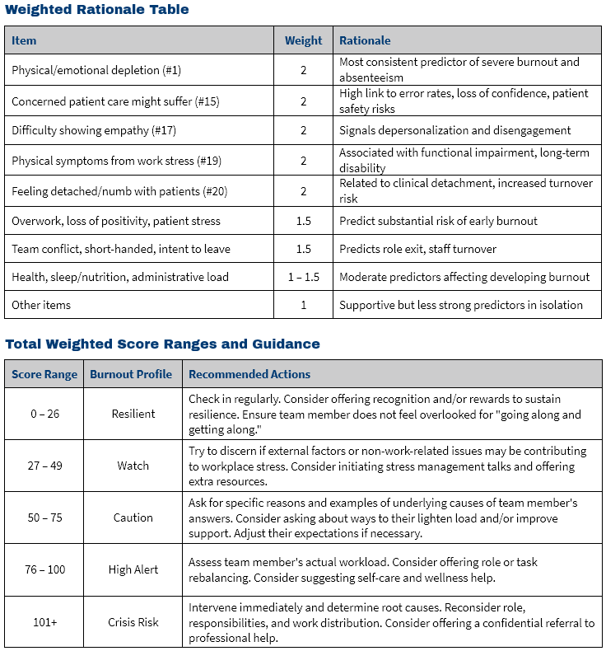

Dental Burnout Assessment v1.1
Copyright 2025 KEBCO, LLC • All Rights Reserved • Used with Permission

