Sheet1
Williams Brothers Meat Market
Pork Cutting Instructions and Inventory Sheet
636-239-2183
www.williamsbrothersmeats.com
wbmeats@gmail.com
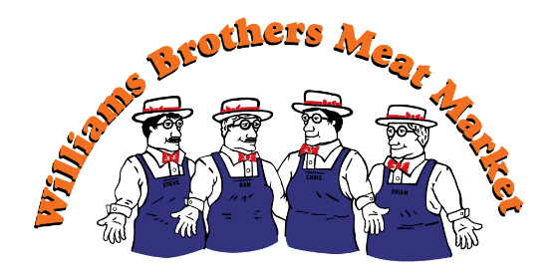

Customer Name: |  |  |  |  |  | Sales/Custom From:
 |  |  |  |  |  | Phone Number:
Address:
Item: |  |  |  |  |  |  | Price:
 |  |  |  |  |  |  | Date:
Description: |  | Cutting Instruction: |  |  |  | Wrapping Instruction |  | Total Packages | Billable LBS.
Bacon
Bacon
Jowl
Ham
Ham
Ham
Ham Hocks
Neck Bones
Pork Loin
Pork Loin
Pork Loin
Pork Shoulder
Pork Shoulder
Pork Shoulder
Spare Ribs
Baby Back Ribs
Pork Tenderloin
Pork Sausage
Pork Sausage
Specialty Sausage
Specialty Sausage
MISC
Cooked Meats
Pork Cutlets

Williams Brothers Meat Market
Pork Cutting Instructions and Inventory Sheet
636-239-2183
www.williamsbrothersmeats.com
wbmeats@gmail.com


Invoice # |  |  |  |  | Baskets:
 |  |  |  |  | Racks:
Fair Handling Fee: |  |  |  |  | Customer #:

Total Weight: |  |  |  | Processing Price Per Pound: |  |  |  | Sub Total:
 |  |  |  |  |  |  |  | $-
Butchering Fee: |  |  |  | Waste Disposal Fee: |  |  |  | 0

Sales Tax: |  |  |  | Extra Fees: See Billable Lbs above for Details

Total Amount Due: |  |  |  | $-

â To Be Filled out by Williams Brothers Employee: â
0 |  |  | 0

Date of Pick-Up |  |  | Employee Initals:

Payment Method
 | Cash o |  | Debit o |  | MasterCard o | Visa o

 | Check o |  | # |  | Discover o | AmEx o

Customer Signature:

