1| General Guidance
Click here to go back to the Table of Content
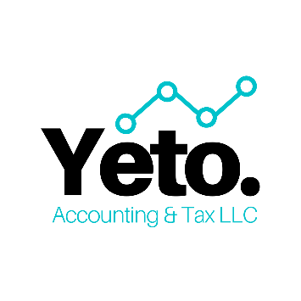
This template is designed to help you maintain your accounting system easily and inexpensively.

Within this template, you will have the following tabs: (1) General Accounts Tab provides you a list of accounts that you can use as a starting point to help you with initial bookkeeping. However, feel free to change accounts title based on your company's needs. (2) General Ledge Tab allows you to enter your transactions based on the accounts you have from General Accounts Tab. (3) GL Account Balance displays the total amounts in each accounts to help you have a better idea about your company's performance. Based on this data, you may create a balance sheet, income statement (or profit and loss statement), as well as the statement of cash flows (if you are an accrual basis company).

If you have any questions or would like help setting-up your accounting system, maintaining your books, or developing a tax strategy that helps you pay less taxes, please contact us at welcome@yetoadvisory.com or at (773) 937-1264. Don't forget to visit out website www.yetoadvisory.com and follow us on LinkedIn, Facebook, Instagram and YouTube for tips, insights and new learning opportunities.

Please do not reproduce, sell, use for commercial purpose, or share without the written authorization of Yeto Accounting and Tax LLC. © 2021 Yeto Accounting and Tax LLC. All rights reserved.

