Spex•Lite® Bag Fill_Bag
INSTRUCTIONS: Populate Bag Dimensions in the Yellow Fields Below (cells C3:C5). The Spex•Lite® Shooting Bag Fill Calculator Will Autopopulate the Estimated Amount of Material Required to Fill the Bag per the Dimensions Provided. Note: Assumes no material loss, bag is filled 100%, no bulging

 | Length, in inches |  | <--- Populate
 | Width, in inches |  | <--- Populate
 | Height, in inches |  | <--- Populate

Product | Avg Size (mm) | Avg Density (pcf) | Pounds of Fill (Est.) | Grams of Fill (Est.)
Spex•Lite® 5524B | 3.5 | 1.1 | 0.00 | 0.00
Spex•Lite® 6807 | 0.8 | 2.2 | 0.00 | 0.00
Spex•Lite® 5064 | 2.9 | 5.4 | 0.00 | 0.00
Spex•Lite® 5125 | 2.5 | 10.0 | 0.00 | 0.00
Spex•Lite® 3100 | 30/100 Mesh | 23.0 | 0.00 | 0.00
Spex•Lite® MWF1 | 3.5 | 35.0 | 0.00 | 0.00
Spex•Lite® 1018R | 1.4 | 46.0 | 0.00 | 0.00
*PCF = pounds per cubic foot (12"x12"x12")
Note: 6"x6"x6" is not half of a cubic foot, but rather 1/8 of a cubic foot
Note: Product size and density is a range, +/- 10%
Amount of Fill Material (Quantity; Estimated)
Bag's Cubic Inches |  | 0.00
CF Fill Needed / bag |  | 0.00
Gallons Fill Needed / bag |  | 0.00
Liters of Fill Needed / bag |  | 0.00
NOTE: Assumes bag is filled 100%, does not account for any possible bag expansion or bulging

THANK YOU!
For assistance, or to place an order, please contact Spex•Lite® Shooting Bag Fill at:
 |  | 440-462-1500
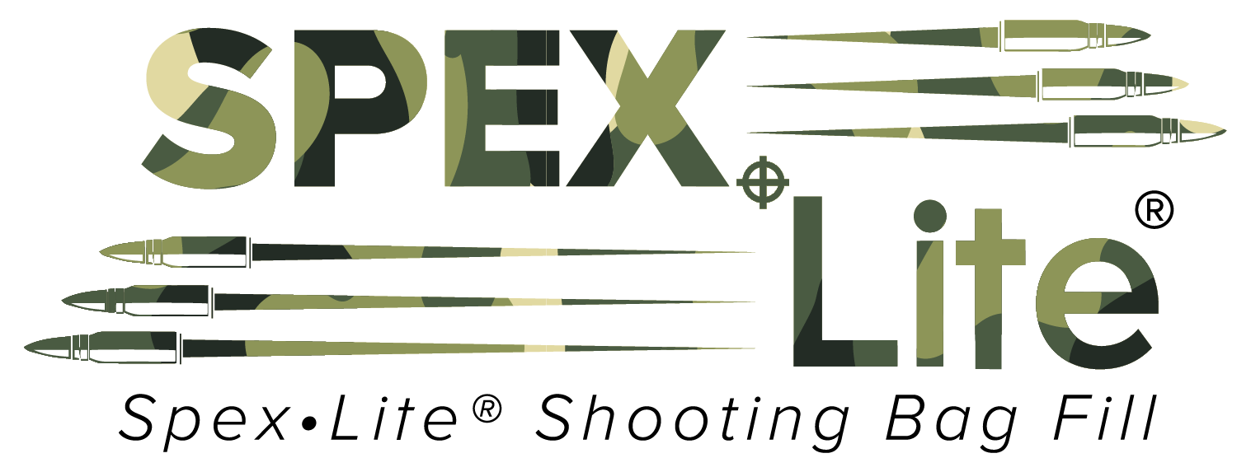
 |  | info@spexlite.com

