Sheet1
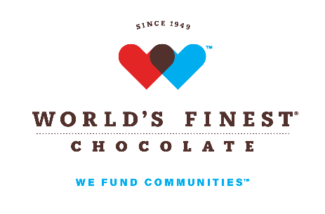 | Profit Calculator

# of Cases Ordered | 100
Customer Profit at 45% ($33.00 Per Box) | $2,700.00
# of Free Cases Added to Order | 3
Value of Free Cases (Free Cases X $60.00) | $180.00
Total Profit Including Value of Free Cases | $2,880.00
Profit Percentage Earned Including Value of Free Cases | 48.00%
Prize Chocolate
Additional Free Prize Chocolate Cases | 2
Value of Free Cases (Free Cases X $60.00) | $120.00

Total Profit Including Value of All Free Cases | $3,000.00
Total Profit Percentage Earned | 50.00%
In the event you return chocolate,
free cases and free prize chocolate cases will be prorated

