Sheet1
 | Postal Workers Tee Sales

 |  | Sizes:
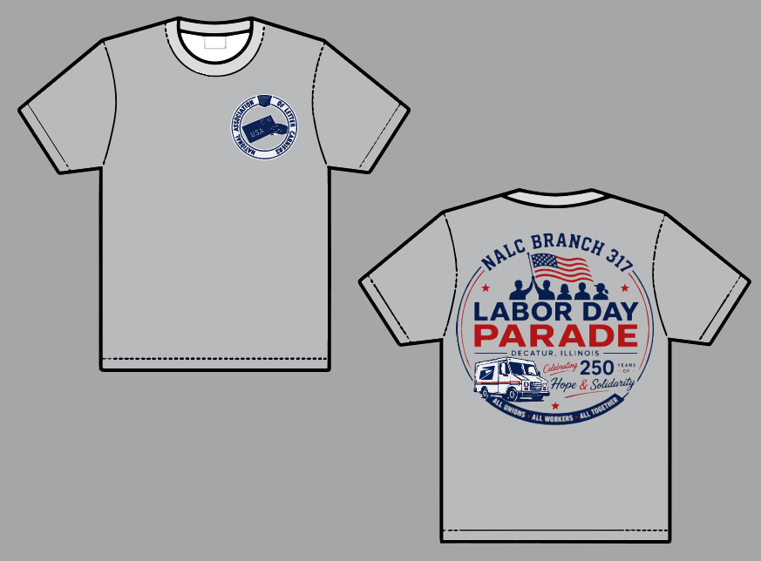 Front Back | INFANTS | YOUTH | ADULT |  | Items | Price
 | Newborn to | YS - SMALL | AXS - EXTRA SMALL |  | T-Shirt Adult SM-XL | 18.00
 | 24 MONTHS | YM - MEDIUM | AS - SMALL |  | T-Shirt Adult 2XL-5XL | 22.00
 | 2T | YL - LARGER | AM - MEDIUM
 | 3T | YXL - EXTRA LG | AL - LARGE |  | ** all Kids sizes | 12.00
 | 4T |  | AXL - EXTRA LG
 | 5T |  | 2XL - XXLARGE
 |  |  | 3XL - XXXLARGE
 |  |  | 4XL - XXXLARGE

Name | Phone: |  | SIZE | Quantity | TOTAL | PAID
EXAMPLE: JOHN DOE | xxx-xxx-xxxx |  | AM | 1 | 20.00 | Venmo

