2020-21AADC Schedule
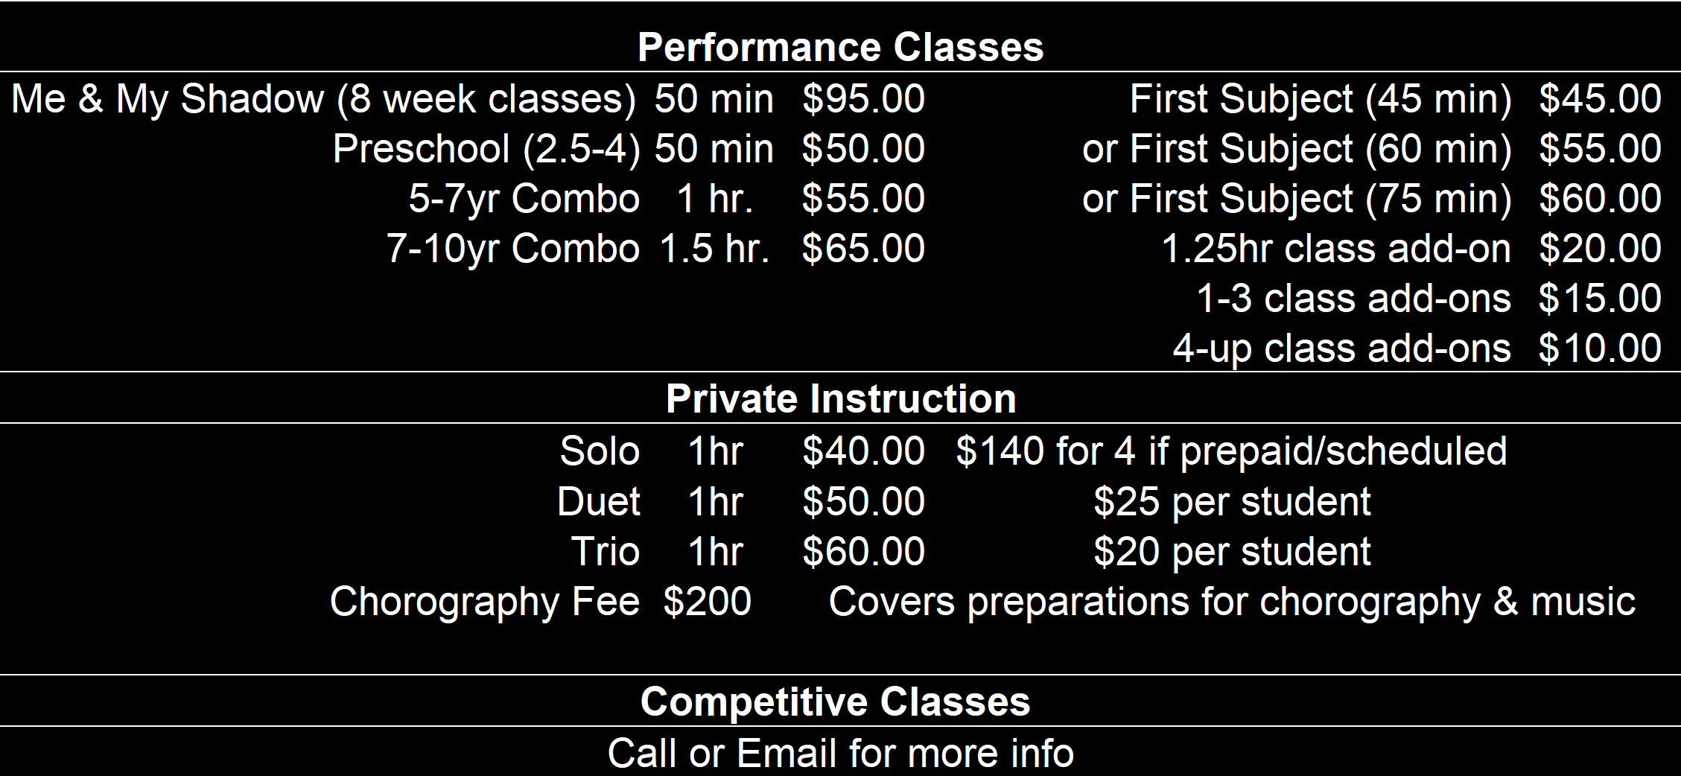
AADC 2021 Schedule
Monday
Studio A |  | Studio B
 |  | 4:15-5:15 | 5-7yr Old Combo
4:30-6:00 | Ballet III* | 5:30-6:15 | Pre-Pointe*
6:00-6:45 | Lyrical III | 6:15-7:00 | Ballet II *
6:45-8:00 | Conditioning & Technique III | 7:00-8:00 | Conditioning & Technique II

Tuesday
5:00-5:45 | Tumble I
6:00-6:45 | Teen Hip Hop | 5:15-6:15 | 5-7yr Combo
6:45-7:35 | Me & My Shadow/ Preschool | 6:30-715 | Adult Ballet
 |  | 7:15-8:00 | Adult Tap
Wednesday |  |  |  | I
4:30-5:15 | Tap III | 4:30-5:15 | Tap I & II
5:15-6:00 | Pointe* III | 5:15-6:00 | Jazz II
6:00-7:00 | Competition Jazz * | 6:00-6:45 | Lyrical/Contemporary II
7:00-8:00 | Competition Contemporary* | 6:50-7:50 | 5-7yr Combo

Thursday (Tentatively)
3:45-4:30 | Team Prep/Stretch | 3:45-4:30 | Musical Theater/Improv
4:30-5:20 | Preschool | 4:30-5:15 | Lyrical/Contemporary I
5:30-6:15 | Adv. Tumble* | 5:15-6:45 | 7-9yr Combo
6:20-7:05 | Tumble II | 6:45-7:40 | Me & My Shadow
7:15-8:00 | 4th-6th Hip Hop | 7:45-8:30 | Teen Hip Hop
Saturday
Friday/Saturday/Sunday
 | Open |  | Open

Sheet2
AADC 2021 Schedule (Tentative) |  |  |  |  | AADC Price List
Monday |  |  |  |  | Performance Combo Classes
Studio A |  |  | Studio B |  | Me & My Shadow (8-wk session) | 50 min | $100.00
 |  |  | 4:00-4:45 | Preschool | Preschool (2.5-4) | 45 min | $53.00
4:30-5:15 | Pointe* |  | 4:45-5:30 | Pre-Pointe* | 5-7yr Combo | 1 hr. | $58.00
5:15-6:30 | Ballet III |  | 5:30-6:30 | Ballet II | 7-10yr Combo | 1.5 hr. | $68.00
6:30-7:15 | Lyrical III |  | 6:30-7:15 | Lyrical II
7:15-8:15 | Conditioning & Technique III |  | 7:15-8:15 | Conditioning & Technique II | A La Carte Performance Classes
Tuesday |  |  |  |  | First Subject: | 75 min | $63.00
3:50-4:40 | Me & My Shadow |  | 4:30-6:00 | 7-9yr Combo | Your longest subject time is your starting total. | 60 mins | $58.00
5:00-5:45 | Preschool |  | 6:00-6:45 | Lyrical I |  | 45 mins | $50.00
5:45-6:45 | Competition - Lil A's* |  | 7:00-7:45 | Adult Tap
6:45-7:45 | 5-7yr Combo |  |  |  | ADD ONS: | 1hr.15mins | $25.00
7:45-8:30 | Tumble/Acro |  |  |  | 1st-3rd class | 45 mins | $18.00
Wednesday |  |  |  |  | 4th - More | 45 mins | $15.00
4:30-5:15 | Tap III |  | 4:30-5:15 | Competition - A-Team* | Competition Team | 60 mins | $25.00
5:15-6:30 | Competition Contemporary* |  | 5:15-6:00 | Tap II | Tuition due on the 10th of every month. A $10 late fee will be added after the 15th. (Tuition is split between a 36 week session)
6:30-7:00 | Turn Technique |  | 6:00-7:00 | Adv Tumble/Acro
7:00-8:15 | Competition Jazz * |  | 7:00-7:45 | Jazz/Contempary II
Thursday
4:15-5:45 | 7-9yr Combo |  | 4:45-5:30 | Team Prep & Stretch
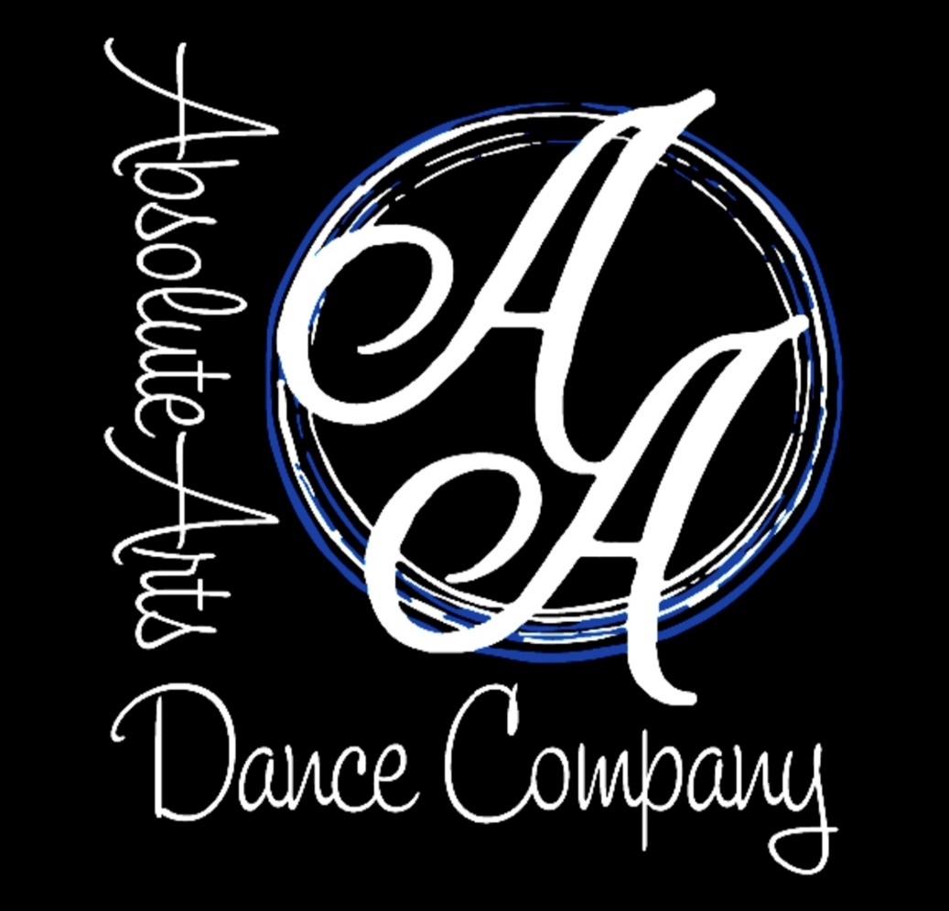
5:45-6:30 | Tumble/Acro |  | 5:30-6:30 | 5-7yr Combo
6:30-7:15 | Musical Theater/Improv |  | 6:30-7:15 | Me & My Shadow
7:15-8:00 | Hip Hop |  | 7:15-8:00 | Teen Hip Hop
Friday/Saturday/Sunday
 | Open |  |  | Open

Costuming and AADC Wear Fees
Fees | Description | Due Date
$50.00 | Recital Costume Deposit (per dance) | 2021-11-20
Optional Add-on
$85.00 | Warm-up Jackets (Estimate) | 2021-10-01
$60.00 | Leggings
$35.00 | Shorts
$30.00 | Sport Bra
$25.00 | Tank
$65.00 | Custom Team Backpack ($10 with name)

