TLHC Words
The TLHC Series Mini-Ratchet Lever Hoist are the most compact ratchet
lever hoists on the market. They perform just like the larger models, but
can be easily transported and stored in a toolbox.

All-Steel Construction |  |  | Heavy-Duty Cast Steel Latch
Impact resistant all-steel construction |  |  | This new Heavy-Duty case-steel safety
ensure added durability and protection |  |  | latch design bulks up the base of the latch
while providing a long and dependable |  |  | where the torque and side load stresses are
service life in toughest environments |  |  | greatest, this is where ordinary stamped
- STRENGTH |  |  | latches fail and will bend out of compliance.
 |  |  | The latch also has a bolt-and-lock nut
Double Pawl (for 550Ibs) |  |  | connection which simplifies changing
- SAFETY |  |  | latches in the field - STRENGTH

With Disc Gear (for 1100Ibs) |  |  |  | Relaxed Grip Handle Design
- EFFICIENT |  |  |  | Molded from a unique
 |  |  |  | engineered thermoplastic, this
. | Weston-type load brake |  |  | new grip provides a soft, tactile
. | Rubber hand grip for better |  |  | surface that "relaxes the grip"
 | comfort and security |  |  | to reduce fatigue, yet durable
. | Lightweight design for easy |  |  | enough to surviveyearsof use
 | portability. Use in confined |  |  | and exposure to the elements
 | spaces with one-hand operation |  |  | - SAFETY
. | Forged upper and lower hooks
 | with latches standard. |  | ▪ Every unit is inspected
. | Impact-resistant, all-steel |  | and tested to 150% of rated
 | frame, gear case and cover |  | capacity before leaving the
. | Free wheeling feature allows |  | factory in accordance with
. | for quick load attachment. |  | ASME B30:21 requirements.

 | MANUAL OPERATED COMPACT LEVER HOIST
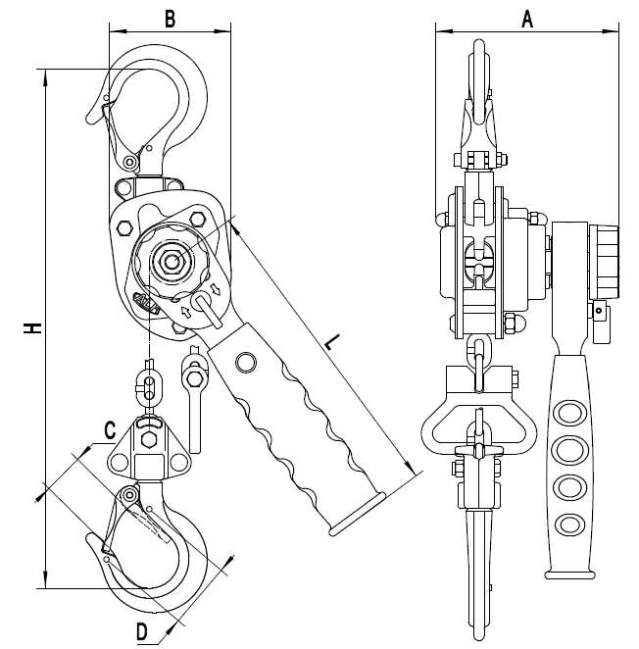
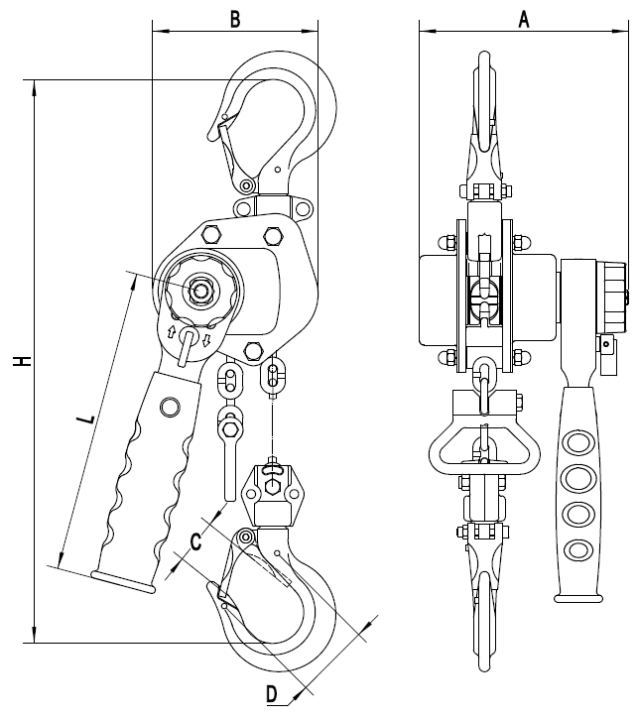

 | 550Ibs | 1100Ibs

 | Every ALR Hoist meets or exceeds ANSI/ASME HST-3 Standards

TPT Specs
 |  | TPT PLAIN TROLLEY
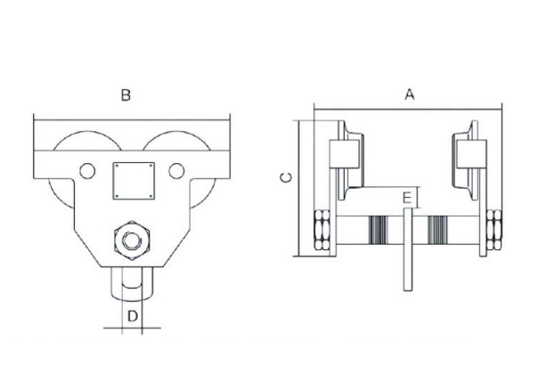

TPT PLAIN TROLLEY SPECIFICATIONS
Product Number |  | TPT-010 | TPT-020 | TPT-030
Capacity | (t) | 1 | 2 | 3
Capacity | (lbs) | 2,200 | 4,400 | 6,600
Proof Load | (t) | 1.5 | 3 | 4.5
Proof Load | (lbs) | 3,300 | 6,600 | 9,900
I-Beam Width | (in) | 2 - 6 | 2.5 - 8 | 3.5 - 8
Dimensions (in) | A | 9.1 | 11.7 | 12.3
 | B | 8.6 | 10.1 | 11.8
 | C | 6.1 | 7.1 | 8.4
 | D | 0.9 | 1.2 | 1.4
 | E | 0.9 | 0.9 | 0.9
Min. Radius Curve | (ft) | 3.3 | 3.3 | 3.6
Net Weight | (lbs) | 14.6 | 24.7 | 40.8
Gross Weight | (lbs) | 15.7 | 26.0 | 43.0

Every ALR Trolley meets or exceeds ANSI/ASME HST-3 Standards

Ultra-Low Headroom Trolley Word
LTB Ultra-Low Headroom Trolley Hoist

ALR LTB ultra-low trolley hoist offers premium quality and durability and in a low profile
package. This industrial grade hand chain hoist and geared trolley configuration minimizes
beam-to-hook distance making it ideal for applications where longer hook travel is required.

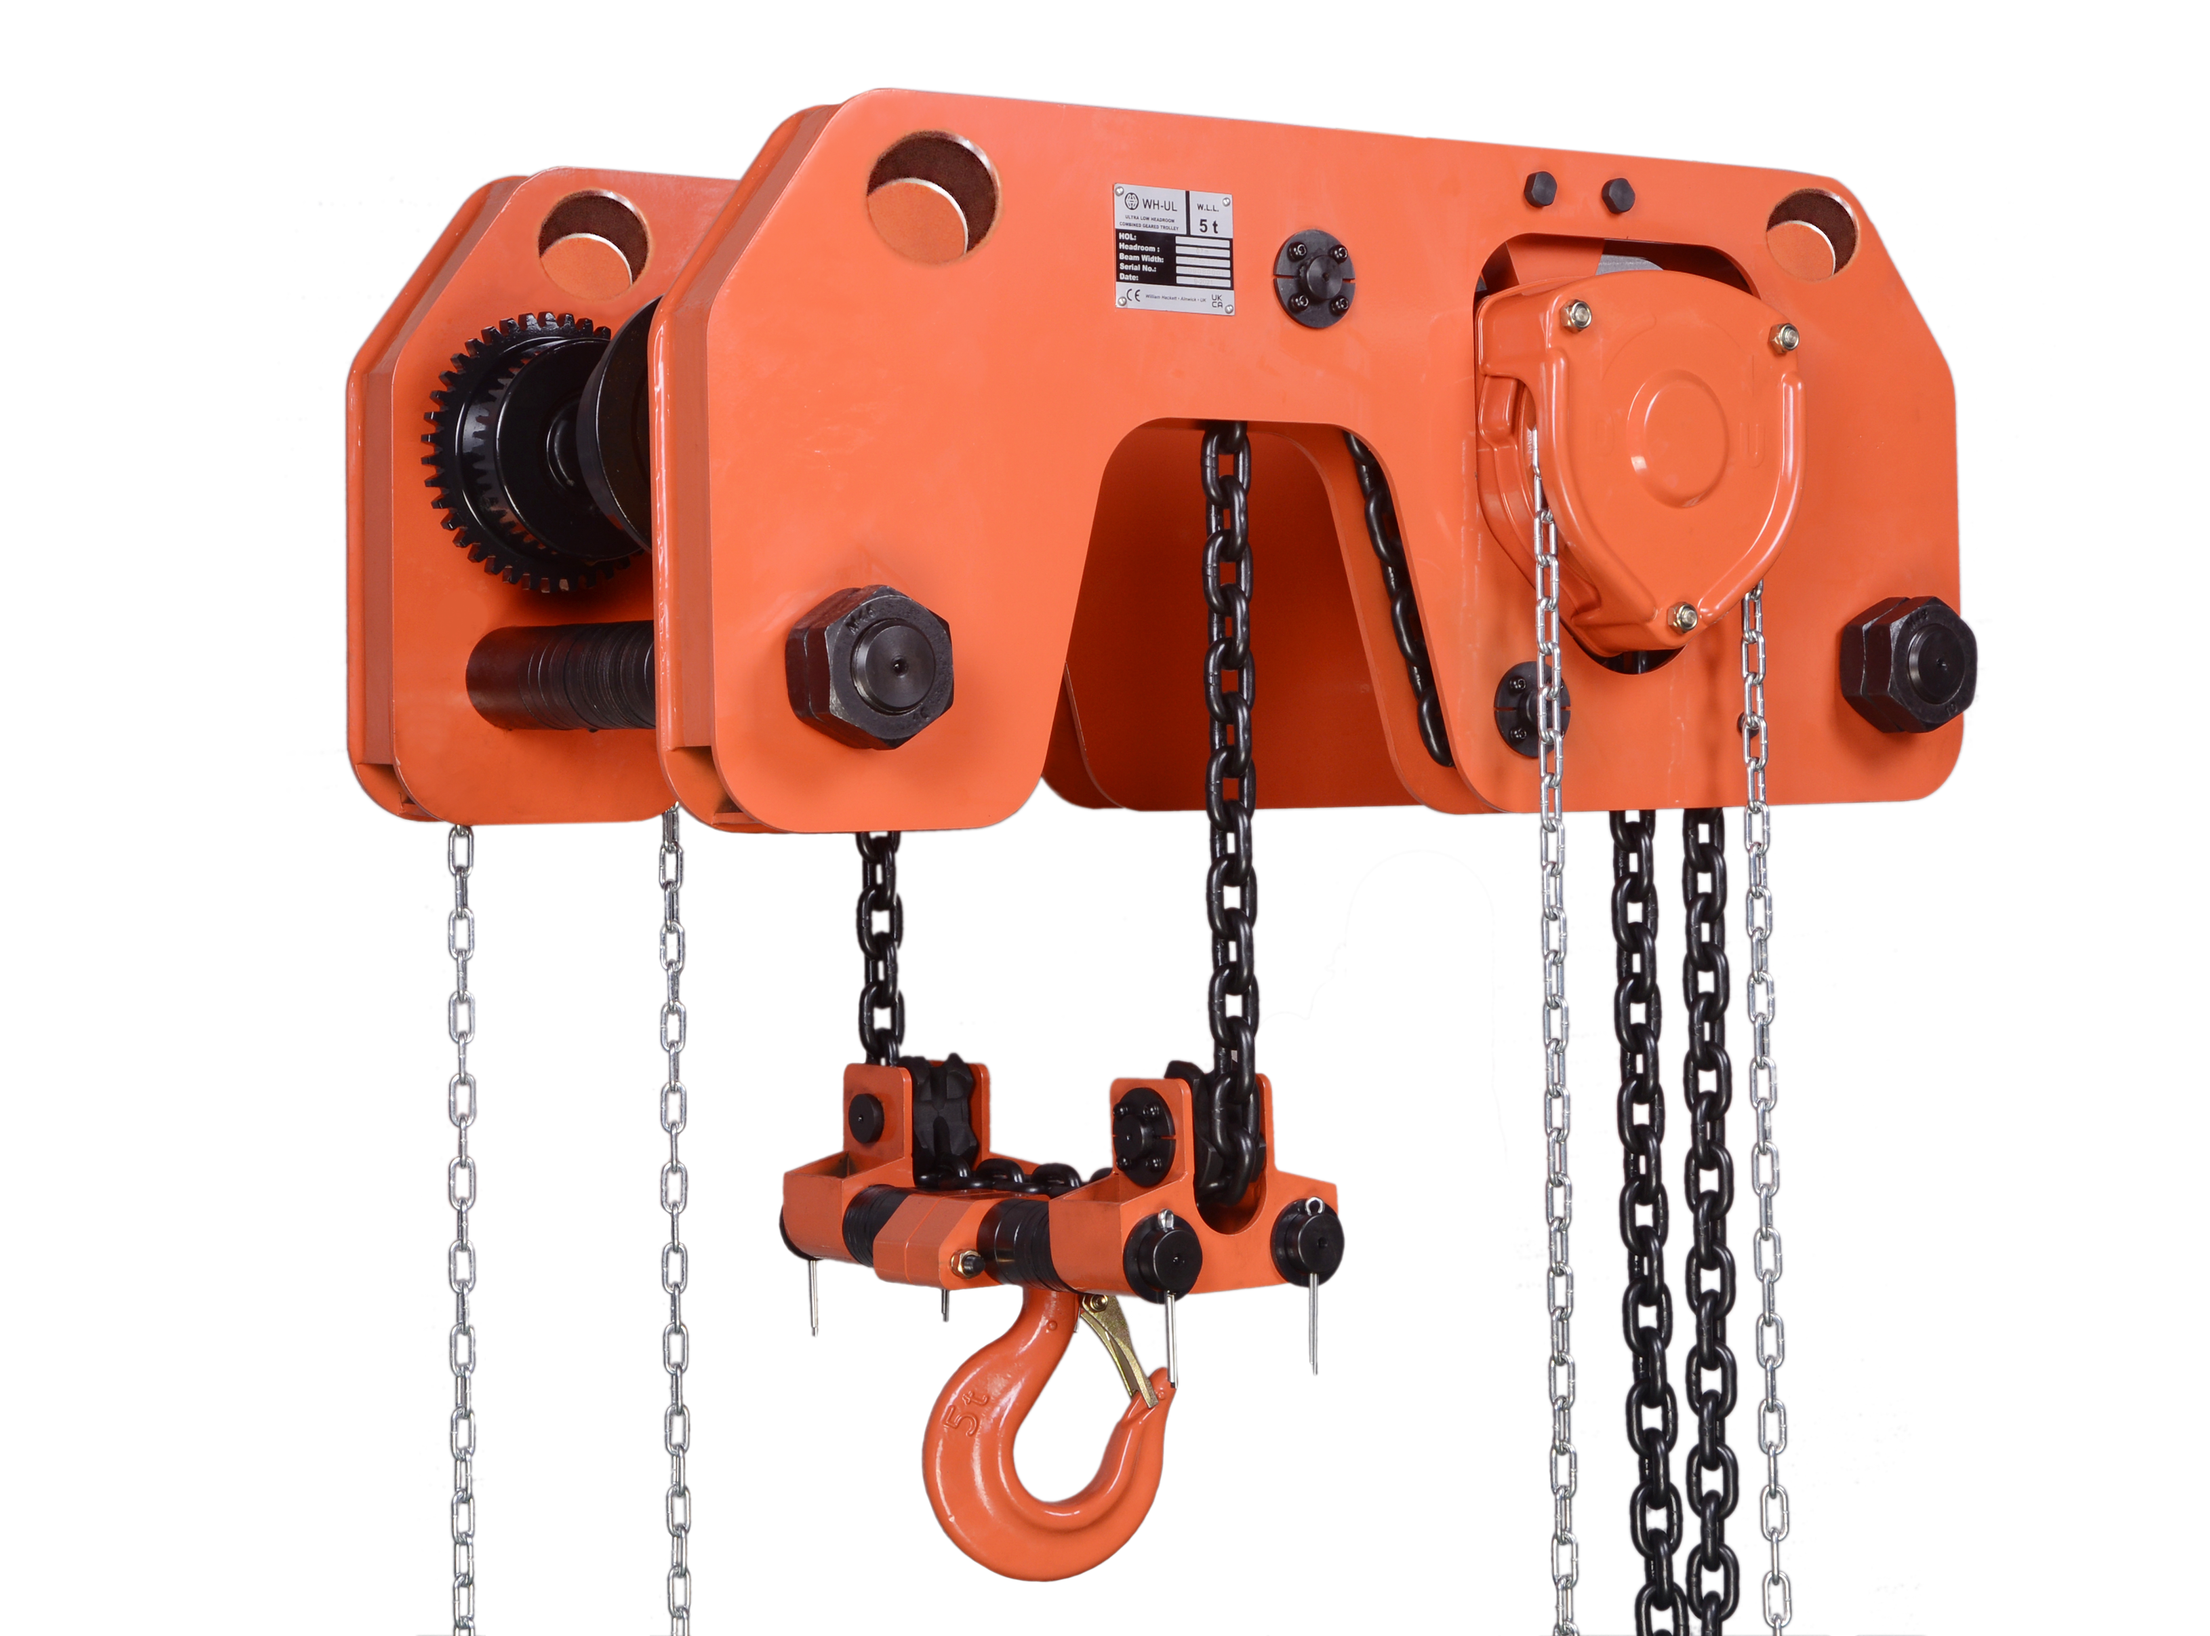
▪ Extremely low headroom for use where space is limited.
▪ Efficient hoist drive train minimizes effort required
to operate.
▪ Trolley wheels fit on both tapered or flat flanged beams.
▪ Maintenance-free sealed trolley ball bearings are lubed-
for-life and offer smooth movement with low friction and
long life.

Capabilities to Count On:
▪ Reliable hoist braking with double enclosed brake cover
that keeps out rain, dust and dirt.
▪ Steel trolley wheels and steel side plated for heavy-duty
applications.

▪ With anti-drop & anti-tilt device integrated.

Ultra-Low Headroom Trolley Spec
ALR LTB Ultra-Low Headroom Trolley Hoist
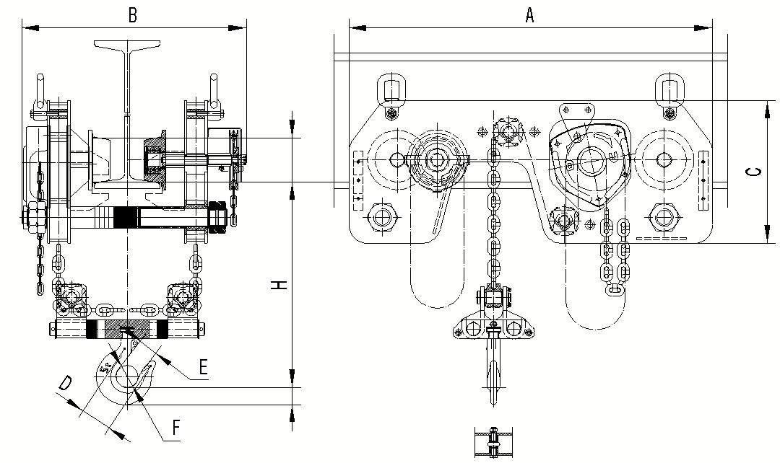

ALR LTB Ultra-Low Headroom Trolley Hoist SPECIFICATIONS & DIMENSIONS
Product Number |  |  | ALTB-010 | ALTB-020 | ALTB-030 | ALTB-050 | ALTB-075 | ALTB-100
Capacity |  | (ton) | 1 | 2 | 3 | 5 | 7.5 | 10
No. of Falls |  |  | 2 | 2 | 2 | 2 | 4 | 4
Capacity |  | (Ibs) | 2,200 | 4,400 | 6,600 | 11,000 | 16,500 | 22,000
Capacity Test Load |  | (Ibs) | 3,300 | 6,600 | 9,900 | 16,500 | 24,750 | 33,000
Capacity Test Load |  | (tonne) | 1.5 | 3 | 4.5 | 7.5 | 11.25 | 15
Beam Width |  | (in) | 3.7-4.9 | 3.9-5.9 | 4.9-6.9 | 4.9-6.9 | 4.9-7.5 | 4.9-7.5
Load Chain |  | (mm) | 6×18 | 6×18 | 8×24 | 10×30
Standard Lift |  | (ft) | 10
Hand Chain |  | (mm) | 5×25×17
Net Weight |  | (Ibs) | 167.6 | 271.2 | 385.8 | 366.0 | 859.8 | 859.8
Gross Weight |  | (Ibs) | 224.9 | 332.9 | 456.4 | 480.6 | 961.2 | 961.2
Extra Weight per 1m Extra Lift |  | (Ibs) | 7.3 | 7.3 | 9.9 | 13.4 | 22.9 | 22.9
Pull to Rated Load |  | (N) | 267 | 426 | 385 | 405 | 448 | 448
Headroom | H | (in) | 5.7 | 7.1 | 8.3 | 9.8 | 12.0 | 12.0
Dimensions | A | (in) | 26.8 | 30.7 | 32.7 | 38.6 | 46.5 | 46.5
 | B | (in) | 16.4 - 17.6 | 17.3 - 19.3 | 19.3 - 21.3 | 21.9 - 23.8 | 22.6 - 25.2 | 22.6 - 25.2
 | C | (in) | 10.6 | 12.2 | 13.0 | 15.2 | 17.3 | 17.3
 | D | (in) | 1.8 | 2.0 | 2.5 | 3.1 | 3.5 | 3.5
 | E | (in) | 1.3 | 1.5 | 1.7 | 2.0 | 2.5 | 2.5
 | F | (in) | 1.6 | 1.8 | 2.0 | 2.4 | 3.3 | 3.3

