Maui Choice Card Order Form
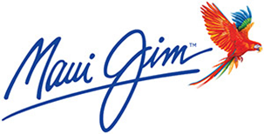

COMPLETE THE ORDER FORM PRIOR TO SUBMISSION TO SALES SUPPORT.
INCOMPLETE FORMS WILL NOT BE PROCESSED BY SALES SUPPORT.

Digital Experience Type | Physical Cards or E-codes
Brand Choice: | Maui Jim
Purchasing Company: | ABC Company
Account Number | 12345678
Sales Price-Break out each item | $195.00
Quantity: | 200
In Hands Date: | 2022-05-01
Bulk Ship Street Address: | 111 Somewhere
Attention-To Name | John Smith
Bulk Ship City, St, Zip | City, St 11223

NOTES

