Instructions
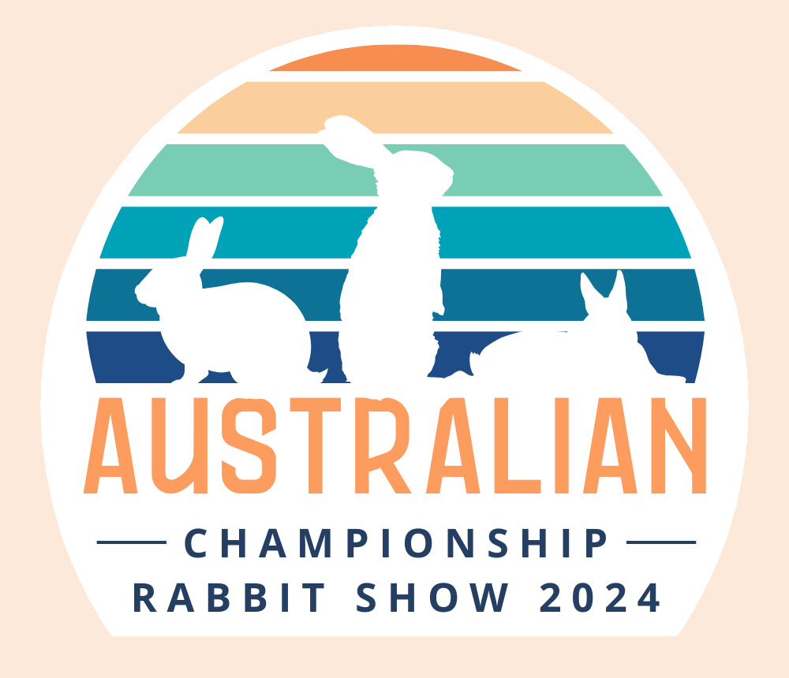
Welcome to the entry worksheet for the 2024 Australian Championships
 | Please read the following instructions to help you get your entries done quickly and correctly. All the forms you need to access are on the tabs below.

 | *Entry Form*
 | The "Entry Form" sheet is where you start. List all your rabbits details up to 24 entries per sheet. If you plan to enter more just use another copy of this file and name it number 2. Lop and Rex breeds will be judged on day one (Saturday), Fancy and Fur breeds on day two (Sunday). The best 12 rabbits from day 1 will be called back and included in the Best in Show judging on day 2. Please refrain from using the letters "BRC" in front of ring numbers. All ring numbers should look like this... 23B0123 with no spaces or gaps. Don't leave blank lines between entries and please fill in all details of each exhibit. If no date of birth is supplied and the rabbit is entered in a Kitten (U14) or Junior (U5) class it will be moved to the corresponding adult class. The same applies to breeds that are shown in an intermediate class, the date of birth must be supplied. Ages are calculated as of the day before the show start, Friday June 7th. (a) Kittens (U14) to be 10 weeks and under 14 weeks. For rabbits born on or between 2 March and 29 March 2024. (b) Juniors (U5) to be 14 weeks and under 5 months. For rabbits born on or between 8 January and 1 March 2024. (c) Adults to be 5 months and over. For rabbits born on or before 7 January 2024.

 | *Schedule of Breed Classes*
 | Please use this sheet to find your correct class numbers. If you leave the class numbers blank your entry will be returned.

 | *Shows Entered*
 | This is the sheet where you will indicate the owner bred rabbits you wish to nominate for each of the main shows plus the specialty shows your entering.

 | Shows 1 & 2 (4 Star all breed shows) are automatically entered and fees calculated so you don't need to make any decisions for the main shows except which rabbits you're nominating for the owner bred side class. You decide this by putting an "X" in the corresponding blue and green boxes.

 | Show 3 (Lop Breeds), same as above but this time the "X" goes in the yellow boxes. This show is for Lop exhibits of all ages.

 | Show 4 (Young Stock), same as above but the "X" goes in the purple boxes. This show is for Kitten (10 to 14wks) and Junior (14wks to 5mths) exhibits.

 | Lunches, Embroided Patches & Banquet We will be supplying lunch for those exhibitors that pre-pay. Saturday will have assorted sandwiches, dessert and a can of soft drink. Sunday roast chicken, dessert and soft drink. Just enter how many lunches you need for each day on the next sheet. Cost is $10.00 per person per day. Commemorative embroided patches are available to purchase (see image below). To avoid missing out please pre-order these on the last sheet with your lunch orders as there will be limited numbers available. Cost is $20.00 each.

 | There will be a Banquet after the show on Sunday night at 6.00pm. All major awards, prizes and exhibitor awards will be handed out during this event. See venue info and menu in the exhibitor information pdf. Cost is $45.00 per person for a 3 course meal.
 | The sheet automatically calculates your entry fees, lunches and patches. You will find the payment details for direct deposit and the link to email your completed form/s back to us. We cannot accept photos, scans, hand written entries, etc. Your submitted entry must be the original file (Microsoft Office Excel Worksheet.xlsx) and cannot be converted to a PDF or other file type. Please note the closing date for entries is Sunday 12th May. All entry payments must be received by this date also. We will be offering a late entry option of 1 week but please note entry fees for the shows will double.

 | Teams Event - Get together with your friends and create an entry with 4 rabbits (your team), one breed from each section (Fancy, Lop, Fur, Rex). There must be a minimum of 2 exhibitors on the entry. Entries will be accepted on the day for this section only. Please remember Lop and Rex are on day 1 with Fancy and Fur on day 2. Total team points will be calculated by adding both Saturdays and Sundays points.

 | If you have questions regarding entries please don't hesitate to contact us using the same email address sara.entries@gmail.com as the entries are sent to.

Shows Entered
AUSTRALIAN CHAMPIONSHIPS 2024 - SHOWS ENTERED & PAYMENT

Your entries should reach SARA Inc by Sunday 12th May
 |  |  | Please indicate (using an "x") the owner bred and specialty shows you intend to enter.
CLASS | RING/TAT | BREED | RABBIT'S NAME |  | Owner Bred | Owner Bred | Specialty | Specialty | PRE-ORDER LUNCHES, PATCHES & BANQUET
 |  |  |  |  | Show 1 | Show 2 | Lop Show | Young Stock
0 | 0 | 0 | 0
0 | 0 | 0 | 0 |  |  |  |  |  | SATURDAY
0 | 0 | 0 | 0
0 | 0 | 0 | 0 |  |  |  |  |  | total guests | 0
0 | 0 | 0 | 0
0 | 0 | 0 | 0
0 | 0 | 0 | 0 |  |  |  |  |  | SUNDAY
0 | 0 | 0 | 0
0 | 0 | 0 | 0 |  |  |  |  |  | total guests | 0
0 | 0 | 0 | 0
0 | 0 | 0 | 0
0 | 0 | 0 | 0
0 | 0 | 0 | 0 |  |  |  |  |  | PATCHES
0 | 0 | 0 | 0
0 | 0 | 0 | 0 |  |  |  |  |  | total req | 0
0 | 0 | 0 | 0
0 | 0 | 0 | 0
0 | 0 | 0 | 0
0 | 0 | 0 | 0 |  |  |  |  |  | BANQUET
0 | 0 | 0 | 0
0 | 0 | 0 | 0 |  |  |  |  |  | total guests | 0
0 | 0 | 0 | 0
0 | 0 | 0 | 0
0 | 0 | 0 | 0
CLOSE OF ENTRIES SUNDAY 12th MAY
ENTRY FEES
Show 1 (All breed Show) - $4.00
Show 2 (All breed Show) - $4.00
Owner Bred - $1.00 each
Show 3 (Lop Breeds) - $3.00
Show 4 (Young Stock) - $3.00
Teams Event - Enter on the day $10.00
 |  |  | Totals | $0.00 | $0.00 | $0.00 | $0.00 | $0.00 | $0.00
Send all payments to -
South Australian Rabbit Association Incorporated
Bank: Credit Union SA
BSB: 805007
Account Number: 00247468

 |  |  |  | TOTAL ENTRIES |  | $0.00 | TOTAL FEES PAYABLE |  | $0.00
 |  |  |  | LUNCHES, PATCHES, BANQUET |  | $0.00
 |  |  |  | TRANSFERS (SA) |  | $0.00

 |  |  |  | All entry fees must be paid by the close of entries
 |  |  |  | Please send this file (as an attachment) via email to sara.entries@gmail.com (DO NOT PDF)

