Axopar 29 Sun Top 2026
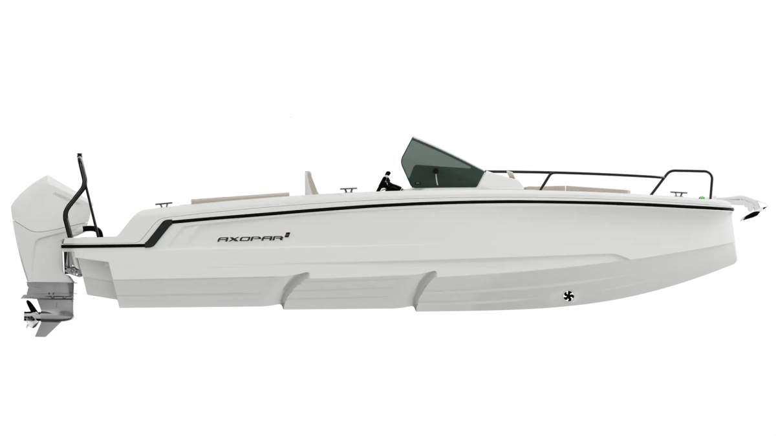
 |  |  |  | WWW.AXOPARUK.COM
 |  |  |  | Nimbus Boats UK Limited,
 |  |  |  | Lymington Yacht Haven,
 |  |  |  | King's Saltern Road,
 |  |  |  | Lymington, Hants, SO41 3QD
 |  |  |  | +44 (0) 1590 677955 / info@nimbusboatsuk.com | info@nimbusboatsuk.com

Axopar 25 Cross Top 2026
Selection | Code | Name | List Price € | Y-To select option | Price € (EX VAT)
Boat Model
0 | AXO9003543 | Axopar 25 Cross Bow 2026 | € 41,100 | Y-To select option | € 41,100
Aft Deck Setup
0 | AXO9000375 | Aft sofa
0 | AXO9000376 | U-sofa layout | € 560 |  | € -
0 | AXO9000377 | Multi-storage compartment | € 560 |  | € -
Brabus Line
0 | AXO9003146 | BRABUS Trim Line | € 1,480 |  | € -
0 | AXO9003377 | BRABUS Line Color Edition, Miami Blue | € 1,890 |  | € -
0 | AXO9003778 | BRABUS Line Color Edition, Platinum Grey | € 1,890 |  | € -
Engine setups
0 | TBC | Mercury FourStroke V6 F200 DTS, black, with pre-rig and propeller | € 25,340 |  | € -
0 | TBC | Mercury FourStroke V6 F200 DTS, white, with pre-rig and propeller | € 26,340 |  | € -
0 | TBC | Mercury Verado V8 250hp, black, with pre-rig and propeller | € 30,190 |  | € -
0 | TBC | Mercury Verado V8 250hp, white, with pre-rig and propeller | € 31,190 |  | € -
0 | TBC | BRABUS Performance Line, Mercury Verado V8 300hp, black, with pre-rig and propeller | € 32,890 |  | € -
0 | TBC | BRABUS Performance Line, Mercury Verado V8 300hp, white, with pre-rig and propeller | € 33,890 |  | € -
0 | AXO9001622 | Pre rig, Single, Mercury FourStroke V6 | € 5,490 |  | € -
0 | AXO9000361 | Pre rig, Single, Mercury Verado V8 | € 5,490 |  | € -
0 | AXO9000363 | Mercury First Mate | € 990 |  | € -
0 | AXO9000364 | Mercury VesselView 502 | € 1,175 |  | € -
0 | AXO9001086 | Hydraulic steering only, single non-Mercury engine | € 1,130 |  | € -
Upholstery Color
0 | AXO9000349 | U-sofa upholstery, Sterling Storm | € 1,050 |  | € -
0 | AXO9000351 | Aft sofa upholstery, Sterling Storm | € 610 |  | € -
0 | AXO9000357 | Multi-storage upholstery, Sterling Storm | € 1,050 |  | € -
0 | AXO9001590 | U-sofa upholstery, Sterling/Storm, Petrol, Cobre, Sandstone, Baltic | € 1,050 |  | € -
0 | AXO9001596 | U-sofa upholstery, Sandstone | € 1,050 |  | € -
0 | AXO9001602 | U-sofa upholstery, Baltic | € 1,050 |  | € -
0 | AXO9001608 | U-sofa upholstery, Cobre | € 1,050 |  | € -
0 | AXO9001625 | Multi-storage upholstery, Petrol | € 1,050 |  | € -
0 | AXO9001627 | Aft sofa upholstery, Petrol | € 610 |  | € -
0 | AXO9001630 | Multi-storage upholstery, Sandstone | € 1,050 |  | € -
0 | AXO9001632 | Aft sofa upholstery, Sandstone | € 610 |  | € -
0 | AXO9001635 | Multi-storage upholstery, Sterling/Storm, Petrol, Cobre, Sandstone, Baltic | € 1,050 |  | € -
0 | AXO9001637 | Aft sofa upholstery, Sterling/Storm, Petrol, Cobre, Sandstone, Baltic | € 610 |  | € -
0 | AXO9001640 | Multi-storage upholstery, Cobre | € 1,050 |  | € -
0 | AXO9001642 | Aft sofa upholstery, Cobre | € 610 |  | € -
Mediterrana / Lounge
0 | AXO9001886 | The Mediterrana Edition, U-sofa | € 3,890 |  | € -
0 | AXO9001888 | The Mediterrana Edition, multi-storage | € 4,290 |  | € -
0 | AXO9002254 | Marine decking w. Mediterrana U-sofa & fridge module | € 2,880 |  | € -
0 | AXO9002255 | Marine decking w. Mediterrana U-sofa | € 2,880 |  | € -
0 | AXO9002256 | Marine decking w. Mediterrana multi-storage & fridge module | € 2,880 |  | € -
0 | AXO9002257 | Marine decking w. Mediterrana multi-storage | € 2,880 |  | € -
0 | AXO9002260 | Mediterrana interior | € 350 |  | € -
EU/US version
0 | AXO9000193 | Fuel system - EU
0 | AXO9000194 | Fuel system - EPA | € 480 |  | € -
0 | Preselection7 | US Version
Electrical System
0 | AXO9000199 | Deck lights, 8 pcs | € 460 |  | € -
0 | AXO9000205 | Trim tabs | € 780 |  | € -
0 | AXO9000352 | Bow thruster, Quick | € 2,330 |  | € -
0 | AXO9000353 | Shore power EU 230V w. 20Ah Charger | € 1,570 |  | € -
0 | AXO9000354 | Shore power system 110V w. 20Ah charger | € 1,230 |  | € -
0 | AXO9000371 | Fixed windlass in bow | € 4,320 |  | € -
0 | AXO9000379 | Underwater lights | € 1,070 |  | € -
Navigation option
0 | AXO9000359 | Echo sounder, thru hull | € 850 |  | € -
0 | AXO9003582 | Chartplotter Simrad NSS4 12" | € 4,200 |  | € -
0 | AXO9001873 | Chartplotter Simrad NSX 9" | € 1,790 |  | € -
0 | AXO9001874 | Chartplotter Simrad NSX 12" | € 3,400 |  | € -
Audio
0 | AXO9000198 | Premium audio entertainment system, JL Audio | € 2,150 |  | € -
0 | AXO9001868 | Basic audio entertainment system, Clarion | € 560 |  | € -
Freshwater system
0 | AXO9000195 | Toilet electric fresh water flush, 25l septic tank | € 2,390 |  | € -
0 | AXO9000196 | Fresh water system 32l incl. shower on aft deck | € 670 |  | € -
0 | AXO9000388 | Seat base with top-loaded refrigerator and sink | € 1,400 |  | € -
0 | AXO9001858 | Closed Wastewater Syst. (Switzerland) | € 430 |  | € -
Cushion Set
0 | AXO9000348 | Sundeck cushions for front deck with harbor cover, all colors | € 1,070 |  | € -
0 | AXO9000350 | Sunbed cushions for U-sofa layout, Sterling Storm | € 370 |  | € -
0 | AXO9001624 | Sunbed cushions for U-sofa layout, Petrol | € 370 |  | € -
0 | AXO9001626 | Sundeck cushions for front deck w. harbour cover, Petrol | € 1,070 |  | € -
0 | AXO9001629 | Sunbed cushions for U-sofa layout, Sandstone | € 370 |  | € -
0 | AXO9001631 | Sundeck cushions for front deck w. harbour cover, Sandstone | € 1,070 |  | € -
0 | AXO9001634 | Sunbed cushions for U-sofa layout, Baltic | € 370 |  | € -
0 | AXO9001636 | Sundeck cushions for front deck w. harbour cover, Baltic | € 1,070 |  | € -
0 | AXO9001639 | Sunbed cushions for U-sofa layout, Cobre | € 370 |  | € -
0 | AXO9001641 | Sundeck cushions for front deck w. harbour cover, Cobre | € 1,070 |  | € -
Optional equipment
0 | AXO9000148 | Rub rail, black | € 810 |  | € -
0 | AXO9003533 | Rub rail, grey | € 810 |  | € -
0 | AXO9000208 | Additional bathing ladder w. high handles | € 430 |  | € -
0 | AXO9000342 | Waterski frame, black | € 610 |  | € -
0 | AXO9003532 | Waterski frame, white | € 610 |  | € -
0 | AXO9000346 | Antifouling, white | € 1,680 |  | € -
0 | AXO9000347 | Antifouling, grey | € 1,680 |  | € -
0 | AXO9000358 | Front cabin upgrade pack | € 560 |  | € -
0 | AXO9000372 | Table in aft deck | € 430 |  | € -
0 | AXO9000373 | Mooring package | € 360 |  | € -
0 | AXO9001174 | Soft decking, multi-storage layout w. fridge | € 2,880 |  | € -
0 | AXO9001175 | Soft decking, multi-storage layout | € 2,880 |  | € -
0 | AXO9001176 | Soft decking, U-Sofa layout w. fridge | € 2,880 |  | € -
0 | AXO9001177 | Soft decking, U-Sofa layout | € 2,880 |  | € -
0 | AXO9002267 | Axopar safety bag | € 700 |  | € -
Logistics
 | AXO9001954 | Do not drill engine holes | € 200 |  | € -
 | AXO9002681 | Commissioning UK | € 3,690 |  | € -
 | AXO9002681 | Delivery UK | € 7,050 |  | € -

 |  |  | Price € |  | € 41,100

 |  |  | Exchange rate |  | £36,372
...

