Axopar 29 Sun Top 2026
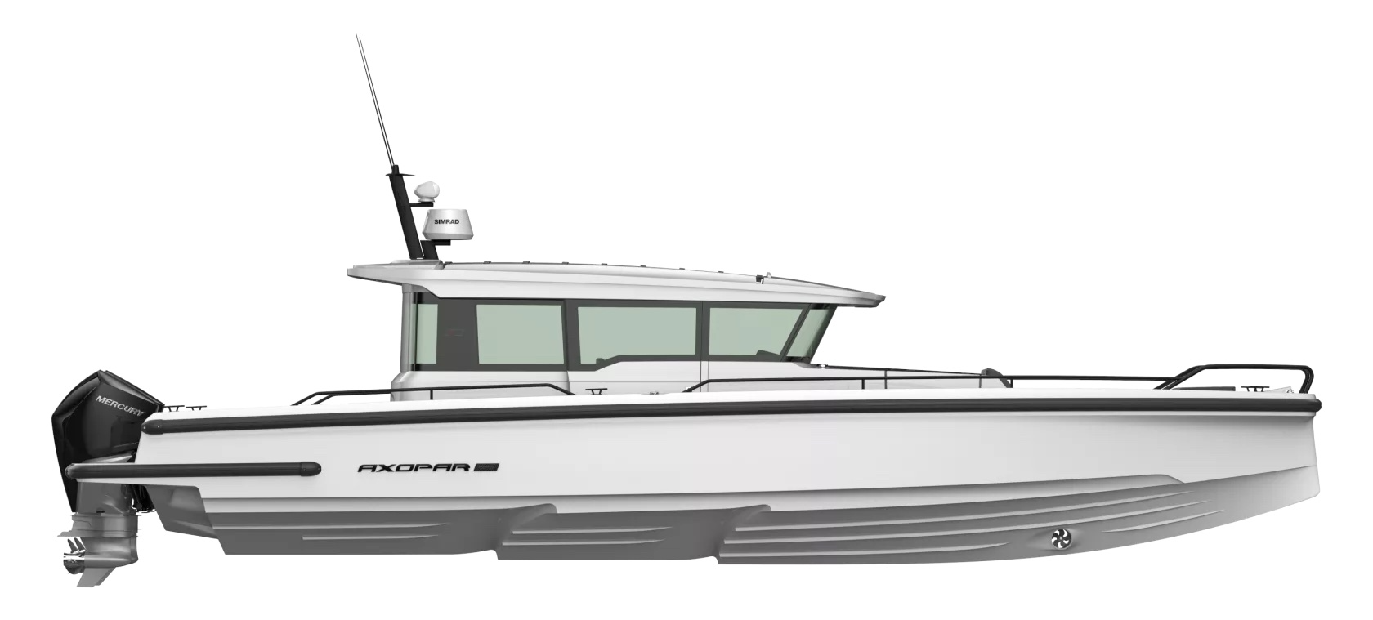
 |  |  |  | WWW.AXOPARUK.COM
 |  |  |  | Nimbus Boats UK Limited,
 |  |  |  | Lymington Yacht Haven,
 |  |  |  | King's Saltern Road,
 |  |  |  | Lymington, Hants, SO41 3QD
 |  |  |  | +44 (0) 1590 677955 / info@nimbusboatsuk.com | info@nimbusboatsuk.com

Axopar 37 XC Cross Cabin 2026
Selection | Code | Name | List Price € | Y-To select option | Price € (EX VAT)
Boat Model
0 | AXO9003774 | Axopar 37 XC Cross Cabin 2026 | € 121,200 | Y-To select option | € 121,200
0 | AXO9003732 | Iconic XC Edition | € -
Aft Deck Setup
0 | AXO9000635 | Wet bar package - XC | € 5,400 |  | € -
0 | AXO9000636 | Multi-storage - XC | € 4,240 |  | € -
0 | AXO9000637 | Aft deck bench with storage - XC | € 2,020 |  | € -
0 | AXO9002494 | U-sofa | € 5,200 |  | € -
0 | AXO9002783 | Aft cabin package - XC | € 5,520 |  | € -
Brabus Line
0 | AXO9002801 | BRABUS line trim package - XC | € 5,630 |  | € -
0 | AXO9000628 | BRABUS line color edition, Miami Blue | € 4,000 |  | € -
0 | AXO9000629 | BRABUS line color edition, Platinum Grey | € 4,000 |  | € -
0 | AXO9003671 | BRABUS line color edition, Icon Grey -XC | € 4,000 |  | € -
0 | AXO9003672 | BRABUS line color edition, Glacier Blue -XC | € 4,000 |  | € -
0 | AXO9002697 | BRABUS performance line - XC | € 9,990 |  | € -
Upholstery Color
0 | AXO9001890 | Seats and upholstery, BRABUS line, Baltic - XC | € 620 |  | € -
0 | AXO9001891 | Seat and upholstery, Baltic - XC | € 620 |  | € -
0 | AXO9002053 | Seats and upholstery, Cobre - XC | € 620 |  | € -
0 | AXO9002064 | Seats and upholstery, BRABUS line, Cobre - XC | € 620 |  | € -
0 | AXO9002081 | Seats and upholstery, Sandstone - XC | € 620 |  | € -
0 | AXO9002082 | Seats and upholstery, BRABUS line, Sandstone - XC | € 620 |  | € -
0 | Preselection6 | Petrol color
Mediterrana / Lounge
0 | AXO9001311 | Aft deck folding seats Mediterrana | € 2,750 |  | € -
0 | AXO9001312 | Aft deck folding seats Mediterrana, BRABUS Line, black | € 2,750 |  | € -
0 | AXO9002390 | The Mediterrana Edition w. aft deck bench - XC | € 8,410 |  | € -
0 | AXO9002433 | Soft decking, the Mediterrana Edition, aft cabin / multi-storage - XC | € 5,240 |  | € -
0 | AXO9002434 | Soft decking, the Mediterrana Edition, wet bar / aft bench - XC | € 5,240 |  | € -
0 | AXO9002435 | Soft decking, the Mediterrana Edition, open - XC | € 5,240 |  | € -
0 | AXO9002618 | The Mediterrana Edition w. U-sofa - XC | € 9,680 |  | € -
0 | AXO9002710 | Soft decking, the Mediterrana Edition, U-sofa - XC | € 5,240 |  | € -
0 | AXO9002821 | The Mediterrana Edition - XC | € 7,410 |  | € -
0 | AXO9002822 | The Mediterrana Edition w. wet bar - XC | € 7,410 |  | € -
0 | AXO9002823 | The Mediterrana Edition w. multi-storage - XC | € 9,570 |  | € -
0 | AXO9002824 | The Mediterrana Edition w. aft cabin - XC | € 9,570 |  | € -
Aft deck layout
0 | AXO9000565 | Aft deck folding seats, Petrol | € 2,750 |  | € -
0 | AXO9000568 | Aft deck folding seats, Sandstone | € 2,750 |  | € -
0 | AXO9000569 | Aft deck folding seats, Cobre | € 2,750 |  | € -
0 | AXO9000570 | Aft deck folding seats, Petrol BRABUS Line black | € 2,750 |  | € -
0 | AXO9000572 | Aft deck fold. seats, Sandstone, BRABUS Line, black | € 2,750 |  | € -
0 | AXO9000573 | Aft deck folding seats, Cobre, BRABUS Line, black | € 2,750 |  | € -
0 | AXO9001892 | Aft deck folding seats, Baltic | € 2,750 |  | € -
0 | AXO9001894 | Aft deck folding seats, Baltic, BRABUS Line, black | € 2,750 |  | € -
0 | AXO9002598 | Removable cushions for aft fender boxes, Petrol | € 330 |  | € -
0 | AXO9002599 | Removable cushions for aft fender boxes, Cobre | € 330 |  | € -
0 | AXO9002600 | Removable cushions for aft fender boxes, Sandstone | € 330 |  | € -
0 | AXO9002601 | Removable cushions for aft fender boxes, Baltic | € 330 |  | € -
Fore deck setup
0 | AXO9000527 | Table on fore deck | € 700 |  | € -
0 | AXO9001898 | Anchor hatch and gullwing mattresses, Baltic | € 820 |  | € -
0 | AXO9001899 | Fixed sunbed on front deck with storage, Baltic | € 2,950 |  | € -
0 | AXO9002049 | Anchor hatch and gullwing mattresses, Cobre | € 820 |  | € -
0 | AXO9002052 | Fixed sunbed on front deck with storage, Cobre | € 2,950 |  | € -
0 | AXO9002070 | Anchor hatch and gullwing mattresses, Petrol | € 820 |  | € -
0 | AXO9002071 | Fixed sunbed on front deck with storage, Petrol | € 2,950 |  | € -
0 | AXO9002077 | Anchor hatch and gullwing mattresses, Sandstone | € 820 |  | € -
0 | AXO9002080 | Fixed sunbed on front deck w. storage, Sandstone | € 2,950 |  | € -
0 | AXO9002808 | Gullwing doors | € 5,210 |  | € -
EU/US version
0 | AXO9000943 | Fuel system - EPA | € 520 |  | € -
0 | Preselection4 | Axopar 37 EU Version
0 | Preselection5 | Axopar 37 US version
Electrical System |  |  |  |  | € -
0 | AXO9000622 | Zero emission power bank, 230V 50Hz | € 14,610 |  | € -
0 | AXO9000623 | Zero emission power bank, 110V 50Hz | € 14,610 |  | € -
0 | AXO9000650 | Searchlight w. remote control | € 810 |  | € -
0 | AXO9000877 | Electrical sliding canvas roof system Webasto | € 3,210 |  | € -
0 | AXO9000947 | Underwater lights, 2in1, dual color | € 1,120 |  | € -
0 | AXO9000950 | Solar battery trickle charger system | € 2,090 |  | € -
0 | AXO9000953 | Windlass in bow, EU | € 5,650 |  | € -
0 | AXO9000955 | Windlass in bow, US | € 5,650 |  | € -
0 | AXO9000957 | Shore power 230V with 40Ah charger | € 2,120 |  | € -
0 | AXO9000958 | Shore power 110V with 40Ah charger, US standard | € 2,600 |  | € -
0 | AXO9000959 | Bow thruster Side-Power SE60 | € 4,320 |  | € -
0 | AXO9002713 | Inverter, 110V | € 1,750 |  | € -
0 | AXO9002742 | Lighting package - XC | € 1,780 |  | € -
0 | AXO9002746 | Inverter, 230V | € 1,750 |  | € -
0 | AXO9002798 | Lighting package w. aft cabin - XC | € 2,210 |  | € -
Navigation option
0 | AXO9000515 | Information display, twin 12" | € 8,250 |  | € -
0 | AXO9000516 | Echo sounder, thru hull | € 490 |  | € -
0 | AXO9000517 | Echo sounder, Active imaging 3-in-1 | € 850 |  | € -
0 | AXO9000518 | Radar Simrad HALO20+ | € 2,880 |  | € -
0 | AXO9000519 | VHF Simrad RS100 | € 2,100 |  | € -
0 | AXO9000624 | Chartplotter Simrad NSS 12" | € 3,770 |  | € -
0 | AXO9000625 | Twin chartplotter Simrad NSS 12" | € 7,450 |  | € -
0 | AXO9002972 | Night vision camera | € 2,550 |  | € -
0 | AXO9002973 | Night vision camera, BRABUS line, black | € 2,550 |  | € -
Audio
0 | AXO9001857 | Basic audio entertainment system, Clarion | € 1,230 |  | € -
0 | AXO9001937 | Extended audio entertainment system - Clarion | € 1,050 |  | € -
0 | AXO9001938 | Premium audio entertainment system, JL Audio | € 3,500 |  | € -
0 | AXO9001941 | Premium audio entertainment system, BRABUS Line, JL Audio | € 3,500 |  | € -
Front cabin layout
0 | AXO9000954 | Closed Wastewater Syst. (Switzerland) | € 630 |  | € -
0 | AXO9002709 | Wood floor in front cabin | € 960 |  | € -
...

