AX E 22 Spyder 2026
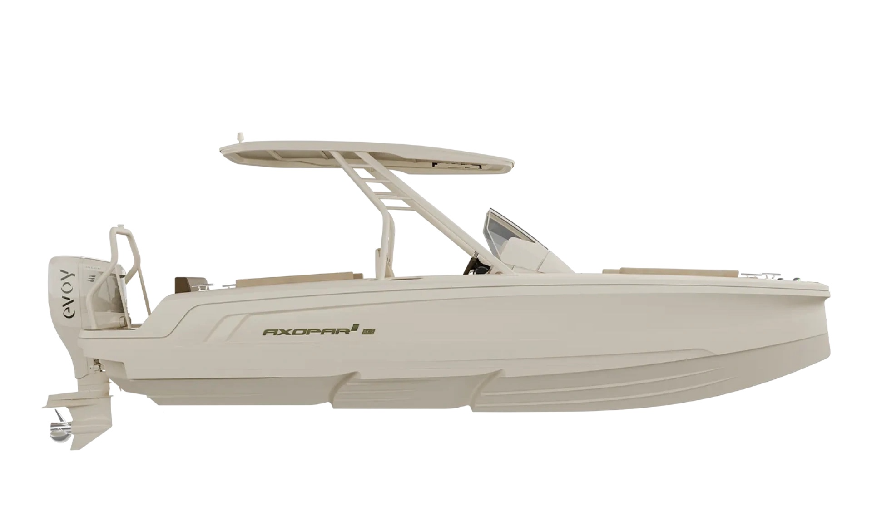
 |  |  |  | WWW.AXOPARUK.COM
 |  |  |  | Nimbus Boats UK Limited,
 |  |  |  | Lymington Yacht Haven,
 |  |  |  | King's Saltern Road,
 |  |  |  | Lymington, Hants, SO41 3QD
 |  |  |  | +44 (0) 1590 677955 / info@nimbusboatsuk.com | info@nimbusboatsuk.com

AX E 22 T-Top 2026
Selection | Code | Name | List Price € | Y-To select option | Price € (EX VAT)
Boat Model
0 | AXO9003763 | AX/E 22 T-Top 2026 | € 133,500 |  | € -
Aft Deck Setup
0 | AXO9002565 | Multi-storage compartment - AX/E
0 | AXO9002566 | U-sofa layout - AX/E
Upholstery Color
0 | AXO9002567 | Multi-storage cushions - AX/E
0 | AXO9002568 | U-sofa cushions - AX/E
Navigation option
0 | AXO9002544 | Chartplotter Nextfour Q2 Display 10"
0 | AXO9002545 | Chartplotter Nextfour Q2 Display 10" Double | € 2,200 |  | € -
Audio
0 | AXO9002569 | Basic audio entertainment system - AX/E | € - |  | € -
0 | AXO9002570 | Premium audio entertainment system - AX/E | € 2,150 |  | € -
Freshwater system
0 | AXO9000035 | Toilet, manual sea water flush, 25l septic tank | € 1,840 |  | € -
0 | AXO9002571 | Seat base with top-loaded refrigerator and sink - AX/E | € 1,400 |  | € -
0 | AXO9002572 | Toilet package, electric toilet w. fresh water flush - AX/E | € 2,390 |  | € -
0 | AXO9002573 | Fresh water system incl. shower on aft deck - AX/E | € 670 |  | € -
Onboard fittings
0 | AXO9000147 | Rub rail | € 710 |  | € -
0 | AXO9002574 | Waterski frame - AX/E | € 610 |  | € -
0 | AXO9002582 | Soft decking, U-sofa w. fridge - AX/E | € 2,690 |  | € -
0 | AXO9002583 | Soft decking, U-sofa w/o fridge - AX/E | € 2,690 |  | € -
0 | AXO9002584 | Soft decking, multi-storage w. fridge - AX/E | € 2,690 |  | € -
0 | AXO9002585 | Soft decking, multi-storage w/o fridge - AX/E | € 2,690 |  | € -
Optional equipment
0 | AXO9000051 | Antifouling, grey or white | € 1,420 |  | € -
0 | AXO9000052 | Antifouling, white | € 1,420 |  | € -
0 | AXO9002267 | Axopar safety bag | € 700 |  | € -
0 | AXO9002577 | Bow thruster - AX/E | € 2,330 |  | € -
0 | AXO9002578 | Mooring package - AX/E
0 | AXO9002622 | Trim tabs - AX/E | € 780 |  | € -

 |  |  | Price € |  | € -

 |  |  | Exchange rate |  | £-

 |  |  | VAT @ 20% |  | £-

 |  |  | TOTAL PRICE |  | £-

