Axopar 29 Sun Top 2026
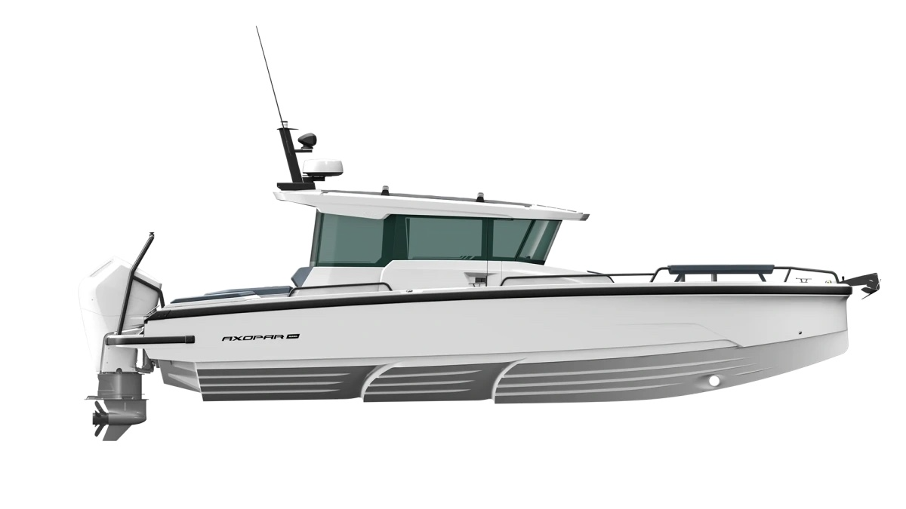
 |  |  |  | WWW.AXOPARUK.COM
 |  |  |  | Nimbus Boats UK Limited,
 |  |  |  | Lymington Yacht Haven,
 |  |  |  | King's Saltern Road,
 |  |  |  | Lymington, Hants, SO41 3QD
 |  |  |  | +44 (0) 1590 677955 / info@nimbusboatsuk.com | info@nimbusboatsuk.com

Axopar 29 XC Cross Cabin 2026
Selection | Code | Name | List Price € | Y-To select option | Price € (EX VAT)
Boat Model
0 | AXO9003743 | Axopar 29 XC Cross Cabin 2026 | € 63,900 | Y-To select option | € 63,900
Aft Deck Setup
0 | AXO9001541 | Aft cabin - XC | € 4,900 |  | € -
0 | AXO9001543 | Multi-storage - XC | € 3,500 |  | € -
0 | AXO9001545 | Wet bar - XC | € 4,900 |  | € -
0 | AXO9001551 | Aft sofa - XC | € 1,650 |  | € -
0 | AXO9001553 | Open aft deck - XC | € -
Brabus Line |  |  |  |  | € -
0 | AXO9001779 | BRABUS line trim package - XC | € 4,790
0 | AXO9002944 | BRABUS Line Color Edition, Miami Blue XC | € 3,910 |  | € -
0 | AXO9002979 | BRABUS Line Color Edition, Platinum Grey XC | € 3,910 |  | € -
Engine Setup |  |  |  |  | € -
0 | TBC | Mercury Verado V8 300hp, black, with pre-rig and propeller | € 33,490
0 | TBC | Mercury Verado V8 300hp, white, with pre-rig and propeller | € 34,490 |  | € -
0 | TBC | Mercury Verado V10 350hp, black, with pre-rig and propeller | € 41,150 |  | € -
0 | TBC | Mercury Verado V10 350hp, white, with pre-rig and propeller | € 42,150 |  | € -
0 | TBC | Mercury Verado V10 400hp, black, with pre-rig and propeller | € 44,800 |  | € -
0 | TBC | Mercury Verado V10 400hp, white, with pre-rig and propeller | € 45,800 |  | € -
0 | TBC | Twin Mercury FourStroke V6 200hp, black, with pre-rig and propellers | € 49,800 |  | € -
0 | TBC | Twin Mercury FourStroke V6 200hp, white, with pre-rig and propellers | € 51,800 |  | € -
0 | Package27 | BRABUS Performance Line, Twin Mercury FourStroke V8 250hp DTS, black, with prerig and propellers | € 63,500 |  | € -
0 | Package28 | BRABUS Performance Line, Twin Mercury FourStroke V8 250hp DTS, white, with prerig and propellers | € 65,500 |  | € -
0 | Package29 | BRABUS Performance Line, Twin Mercury FourStroke V8 250hp JPO, black, with prerig and propellers | € 79,600 |  | € -
0 | Package30 | BRABUS Performance Line, Twin Mercury FourStroke V8 250hp JPO, white, with prerig and propellers | € 81,600 |  | € -
0 | AXO9001560 | Pre rig, Single, Mercury Verado V8 | € 7,090 |  | € -
0 | AXO9001561 | Pre rig, Twin, Mercury FourStroke V6 | € 10,100 |  | € -
0 | AXO9002207 | Pre rig, Single, Mercury Verado V10 | € 8,700 |  | € -
0 | AXO9003025 | No pre-rig, single engine | € 250 |  | € -
0 | AXO9003026 | No pre-rig, twin engine | € - |  | € -
0 | TBC | Mercury 1st Mate | € 990 |  | € -
Upholstery Color |  |  |  |  | € -
0 | AXO9002432 | Wheelhouse upholstery - XC, Petrol | € -
0 | AXO9002878 | Wheelhouse upholstery - XC, Cobre | € 480
0 | AXO9002879 | Wheelhouse upholstery - XC, Sandstone | € 480
0 | AXO9002880 | Wheelhouse upholstery - XC, Baltic | € 480 |  | € -
0 | AXO9001837 | Wheelhouse upholstery - XC, Sphere | € 790 |  | € -
0 | AXO9003537 | Wheelhouse upholstery - XC, Chalk | € 790 |  | € -
0 | AXO9003822 | Wheelhouse upholstery - XC, Dust | € 790 |  | € -
Mediterrana / Lounge |  |  |  |  | € -
0 | AXO9002977 | The Mediterrana Edition w. aft cabin - XC | € 8,800 |  | € -
0 | AXO9002983 | The Mediterrana Edition w. multi-storage - XC | € 8,880 |  | € -
0 | AXO9002984 | The Mediterrana Edition w. wet bar/open aft - XC | € 6,990 |  | € -
0 | AXO9002985 | The Mediterrana Edition w. aft sofa - XC | € 7,980 |  | € -
0 | AXO9002992 | Multicabin upgrade package, Mediterrana | € 2,350 |  | € -
0 | AXO9002980 | Softdecking Mediterrana with Aft Cabin / Multi | € 3,990 |  | € -
0 | AXO9003120 | Softdecking Mediterrana w.Wetbar/ Open Aft | € 3,990 |  | € -
0 | AXO9003119 | Softdecking Mediterrana Single Engine | € -
0 | AXO9003121 | Softdecking Mediterrana Dual Engine | € - |  | € -
Fore deck setup |  |  |  |  | € -
0 | Package1 | Front U-sofa package, All colors | € 4,500 |  | € -
0 | Package10 | Front L-sofa package, Sandstone | € 3,250 |  | € -
0 | Package11 | Front U-sofa package, Baltic | € 4,500 |  | € -
0 | Package12 | Front L-sofa package, Baltic | € 3,250 |  | € -
0 | Package2 | Front L-sofa package, All colors | € 3,250 |  | € -
0 | package25 | Front U-sofa package, Chalk | € 4,500 |  | € -
0 | Package26 | Front L-sofa package, Chalk | € 3,250 |  | € -
0 | Package5 | Front U-sofa package, Petrol | € 4,500 |  | € -
0 | Package6 | Front L-sofa package, Petrol | € 3,250 |  | € -
0 | Package7 | Front U-sofa package, Cobre | € 4,500
0 | Package8 | Front L-sofa package, Cobre | € 3,250 |  | € -
0 | Package9 | Front U-sofa package, Sandstone | € 4,500 |  | € -
0 | Package39 | Front U-sofa package, Dust | € 4,500 |  | € -
0 | Package40 | Front L-sofa package, Dust | € 3,250 |  | € -
EU/US version |  |  |  |  | € -
0 | AXO9003024 | Axopar 29 US version | € - |  | € -
0 | Preselection9 | Axopar 29 EU version | € - |  | € -
Fuel system |  |  |  |  | € -
0 | AXO9001502 | Fuel system - EU | € - |  | € -
0 | AXO9001503 | Fuel system - EPA | € 550 |  | € -
Electrical System |  |  |  |  | € -
0 | AXO9001901 | Shore power system 230V w. 35Ah charger | € 2,290 |  | € -
0 | AXO9001902 | Shore power system 110V w. 35Ah charger | € 2,730 |  | € -
0 | AXO9001980 | Remote controlled main switches, twin engine | € 990 |  | € -
0 | AXO9002152 | Remote controlled main switches, single engine | € 950
0 | AXO9002682 | Lighting package - XC | € 1,290
0 | AXO9002683 | Lighting package, BRABUS line - XC | € 1,290
0 | AXO9003065 | Solar panel trickle charger system - XC | € 2,090
0 | AXO9003131 | Battery monitoring system | € 490
Navigation option |  |  |  |  | € -
0 | AXO9001861 | Chart plotter Simrad NSX 12″ | € 3,400
0 | AXO9001862 | Twin chart plotter Simrad NSX 12″ | € 6,800 |  | € -
0 | AXO9003572 | Chart plotter Simrad NSS 4 12″ | € 4,200 |  | € -
0 | AXO9003573 | Twin chart plotter Simrad NSS 4 12″ incl. Axopar UI & Connectivity | € 8,800 |  | € -
0 | AXO9003577 | Axopar Connectivity | € 1,150 |  | € -
0 | AXO9001863 | Echo sounder, thru hull | € 490 |  | € -
0 | AXO9001864 | Echo sounder, Active Imaging 3-in-1 | € 850 |  | € -
0 | AXO9001866 | Radar Simrad HALO20+ | € 2,900 |  | € -
0 | AXO9001867 | VHF Simrad RS40 | € 1,360 |  | € -
Audio
0 | AXO9001854 | Audio system, Clarion | € 1,100 |  | € -
0 | AXO9001855 | Premium audio system, JL Audio - XC | € 2,490 |  | € -
0 | AXO9001945 | Premium audio system, BRABUS Line, JL Audio - XC | € 2,490 |  | € -
Freshwater system |  |  |  |  | € -
0 | AXO9001767 | Freshwater system | € 1,375 |  | € -
0 | AXO9001848 | Aft deck shower | € 370 |  | € -
0 | AXO9003541 | Freshwater Swiss Regulation | € 1,050 |  | € -
Waste Water System |  |  |  |  | € -
0 | AXO9001768 | Toilet package, elec. toilet w. freshwater flush | € 2,600 |  | € -
0 | AXO9001769 | Toilet package, manual toilet w. seawater flush | € 2,090
Main cabin layout |  |  |  |  | € -
...

